General info
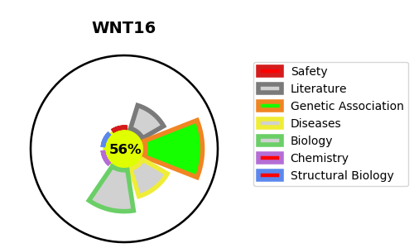
Gene_name | WNT16 | Tractable | Tractability_probability
Synonyms | Not found | True | 56.42
Target_id | Q9UBV4 | In Training data set ?
Protein_class |  | No
Protein_class_desc
Species | Homo sapiens (Human).
Number_isoforms | 2

DISEASE |  | PATHWAYS
disease_id | disease_name | Reactome | KEGG
 |  | Class B/2 (Secretin family receptors)
 |  | GPCR ligand binding
 |  | Signal Transduction
 |  | Signaling by GPCR
 |  | Signaling by WNT
 |  | WNT ligand biogenesis and trafficking

