General info
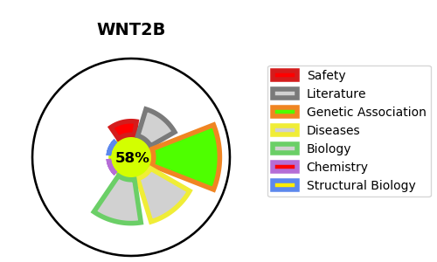
Gene_name | WNT2B | Tractable | Tractability_probability
Synonyms | WNT13 | True | 58.71
Target_id | Q93097 | In Training data set ?
Protein_class |  | No
Protein_class_desc
Species | Homo sapiens (Human).
Number_isoforms | 2

DISEASE |  | PATHWAYS
disease_id | disease_name | Reactome | KEGG
OMIM:618168 | DIARRHEA 9 | Class B/2 (Secretin family receptors)
 |  | GPCR ligand binding
 |  | Signal Transduction
 |  | Signaling by GPCR
 |  | Signaling by WNT
 |  | WNT ligand biogenesis and trafficking

