General info
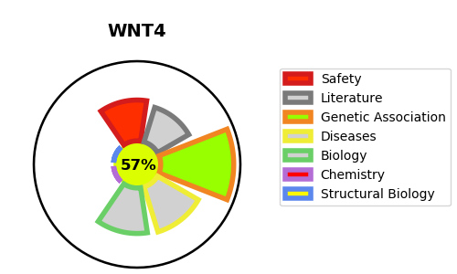
Gene_name | WNT4 | Tractable | Tractability_probability
Synonyms | UNQ426/PRO864 | True | 57.06
Target_id | P56705 | In Training data set ?
Protein_class |  | No
Protein_class_desc
Species | Homo sapiens (Human).
Number_isoforms | 2

DISEASE |  | PATHWAYS
disease_id | disease_name | Reactome | KEGG
OMIM:158330 | MULLERIAN APLASIA AND HYPERANDROGENISM | Beta-catenin independent WNT signaling
OMIM:611812 | 46,XX SEX REVERSAL WITH DYSGENESIS OF KIDNEYS, ADRENALS, AND LUNGS | Class B/2 (Secretin family receptors)
 |  | GPCR ligand binding
 |  | Negative regulation of TCF-dependent signaling by WNT ligand antagonists
 |  | PCP/CE pathway
 |  | Signal Transduction
 |  | Signaling by GPCR
 |  | Signaling by WNT
 |  | TCF dependent signaling in response to WNT
 |  | WNT ligand biogenesis and trafficking

