General info
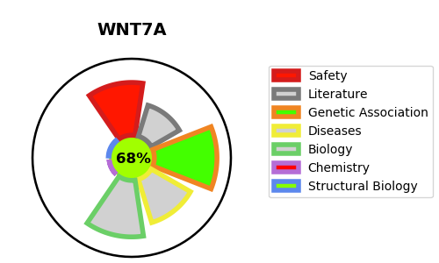
Gene_name | WNT7A | Tractable | Tractability_probability
Synonyms | Not found | True | 68.53
Target_id | O00755 | In Training data set ?
Protein_class |  | No
Protein_class_desc
Species | Homo sapiens (Human).
Number_isoforms | 0

DISEASE |  | PATHWAYS
disease_id | disease_name | Reactome | KEGG
OMIM:228930 | FIBULAR APLASIA OR HYPOPLASIA, FEMORAL BOWING AND POLY-, SYN-, AND OLIGODACTYLY | Class B/2 (Secretin family receptors)
OMIM:276820 | ULNA AND FIBULA, ABSENCE OF, WITH SEVERE LIMB DEFICIENCY | GPCR ligand binding
 |  | Signal Transduction
 |  | Signaling by GPCR
 |  | Signaling by WNT
 |  | WNT ligand biogenesis and trafficking

