General info
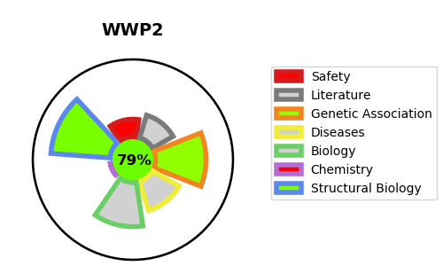
Gene_name | WWP2 | Tractable | Tractability_probability
Synonyms | Not found | True | 79.19
Target_id | O00308 | In Training data set ?
Protein_class |  | No
Protein_class_desc
Species | Homo sapiens (Human).
Number_isoforms | 4

DISEASE |  | PATHWAYS
disease_id | disease_name | Reactome | KEGG
 |  | Intracellular signaling by second messengers
 |  | NOTCH3 Activation and Transmission of Signal to the Nucleus
 |  | PIP3 activates AKT signaling
 |  | PTEN Regulation
 |  | Regulation of PTEN stability and activity
 |  | Signal Transduction
 |  | Signaling by NOTCH
 |  | Signaling by NOTCH3

