General info
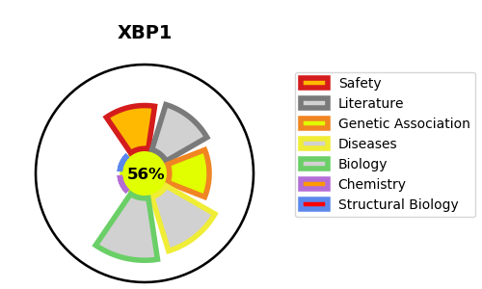
Gene_name | XBP1 | Tractable | Tractability_probability
Synonyms | TREB-5,Tax-responsive element-binding protein 5,X-box-binding protein 1,X-box-binding protein 1, cytoplasmic form,X-box-binding protein 1, luminal form,XBP-1,XBP1,XBP2 | True | 56.15
Target_id | P17861 | In Training data set ?
Protein_class | Unclassified protein | No
Protein_class_desc | unclassified
Species | Homo sapiens (Human).
Number_isoforms | 2

DISEASE |  | PATHWAYS
disease_id | disease_name | Reactome | KEGG
OMIM:612371 | MAJOR AFFECTIVE DISORDER 7 | ATF6 (ATF6-alpha) activates chaperone genes
 |  | ATF6 (ATF6-alpha) activates chaperones
 |  | IRE1alpha activates chaperones
 |  | Metabolism of proteins
 |  | Unfolded Protein Response (UPR)
 |  | XBP1(S) activates chaperone genes

