General info
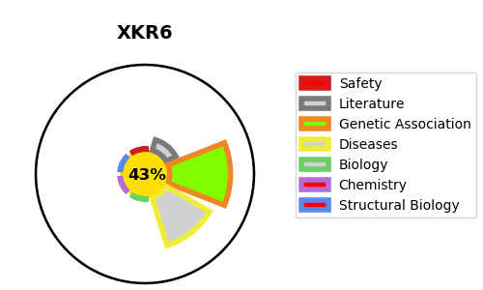
Gene_name | XKR6 | Tractable | Tractability_probability
Synonyms | C8orf21, C8orf5, C8orf7, XRG6 | False | 43.58
Target_id | Q5GH73 | In Training data set ?
Protein_class |  | No
Protein_class_desc
Species | Homo sapiens (Human).
Number_isoforms | 2

DISEASE |  | PATHWAYS
disease_id | disease_name | Reactome | KEGG

