General info
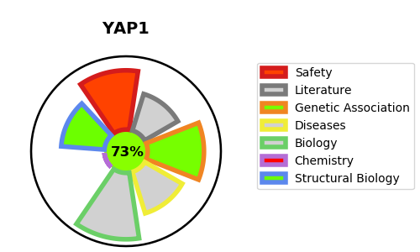
Gene_name | YAP1 | Tractable | Tractability_probability
Synonyms | YAP65 | True | 73.52
Target_id | P46937 | In Training data set ?
Protein_class |  | Yes
Protein_class_desc
Species | Homo sapiens (Human).
Number_isoforms | 9

DISEASE |  | PATHWAYS
disease_id | disease_name | Reactome | KEGG
OMIM:120433 | COLOBOMA, OCULAR, WITH OR WITHOUT HEARING IMPAIRMENT, CLEFT LIP/PALATE, AND/OR MENTAL RETARDATION | Developmental Biology
 |  | EGR2 and SOX10-mediated initiation of Schwann cell myelination
 |  | Gene expression (Transcription)
 |  | Generic Transcription Pathway
 |  | Nervous system development
 |  | Nuclear signaling by ERBB4
 |  | RNA Polymerase II Transcription
 |  | RUNX1 regulates transcription of genes involved in differentiation of HSCs
 |  | RUNX2 regulates bone development
 |  | RUNX2 regulates osteoblast differentiation
 |  | RUNX3 regulates YAP1-mediated transcription
 |  | Signal Transduction
 |  | Signaling by ERBB4
 |  | Signaling by Hippo
 |  | Signaling by Receptor Tyrosine Kinases
 |  | Transcriptional regulation by RUNX1
 |  | Transcriptional regulation by RUNX2
 |  | Transcriptional regulation by RUNX3
 |  | YAP1- and WWTR1 (TAZ)-stimulated gene expression

