General info
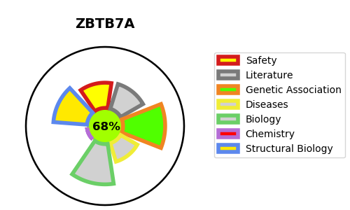
Gene_name | ZBTB7A | Tractable | Tractability_probability
Synonyms | FBI1, LRF {ECO:0000303|PubMed:9927193}, ZBTB7 {ECO:0000312|HGNC:HGNC:18078}, ZNF857A | True | 68.57
Target_id | O95365 | In Training data set ?
Protein_class |  | No
Protein_class_desc
Species | Homo sapiens (Human).
Number_isoforms | 0

DISEASE |  | PATHWAYS
disease_id | disease_name | Reactome | KEGG

