General info
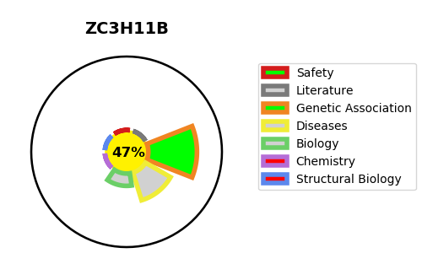
Gene_name | ZC3H11B | Tractable | Tractability_probability
Synonyms | ZC3HDC11B {ECO:0000312|HGNC:HGNC:25659} | False | 47.45
Target_id | A0A1B0GTU1 | In Training data set ?
Protein_class |  | No
Protein_class_desc
Species | Homo sapiens (Human).
Number_isoforms | 0

DISEASE |  | PATHWAYS
disease_id | disease_name | Reactome | KEGG

