General info
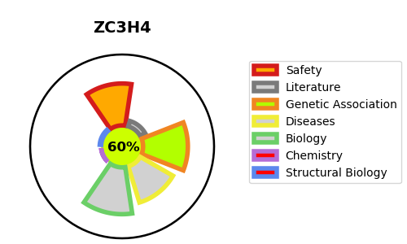
Gene_name | ZC3H4 | Tractable | Tractability_probability
Synonyms | C19orf7, KIAA1064 | True | 60
Target_id | Q9UPT8 | In Training data set ?
Protein_class |  | No
Protein_class_desc
Species | Homo sapiens (Human).
Number_isoforms | 0

DISEASE |  | PATHWAYS
disease_id | disease_name | Reactome | KEGG

