General info
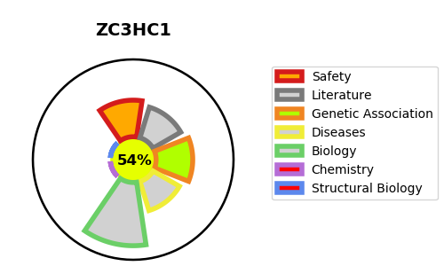
Gene_name | ZC3HC1 | Tractable | Tractability_probability
Synonyms | NIPA | True | 54.94
Target_id | Q86WB0 | In Training data set ?
Protein_class |  | No
Protein_class_desc
Species | Homo sapiens (Human).
Number_isoforms | 3

DISEASE |  | PATHWAYS
disease_id | disease_name | Reactome | KEGG

