General info
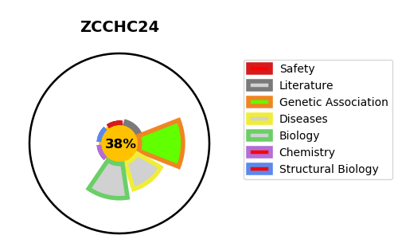
Gene_name | ZCCHC24 | Tractable | Tractability_probability
Synonyms | C10orf56 | False | 38.21
Target_id | Q8N2G6 | In Training data set ?
Protein_class |  | No
Protein_class_desc
Species | Homo sapiens (Human).
Number_isoforms | 0

DISEASE |  | PATHWAYS
disease_id | disease_name | Reactome | KEGG

