General info
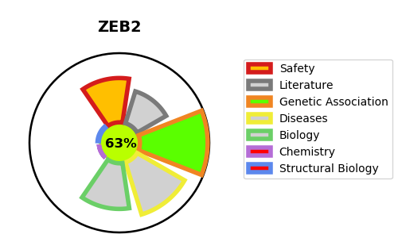
Gene_name | ZEB2 | Tractable | Tractability_probability
Synonyms | KIAA0569 {ECO:0000303|PubMed:9628581}, SIP1 {ECO:0000303|PubMed:11448942}, ZFHX1B, ZFX1B | True | 63.85
Target_id | O60315 | In Training data set ?
Protein_class |  | No
Protein_class_desc
Species | Homo sapiens (Human).
Number_isoforms | 2

DISEASE |  | PATHWAYS
disease_id | disease_name | Reactome | KEGG
OMIM:235730 | MOWAT-WILSON SYNDROME

