General info
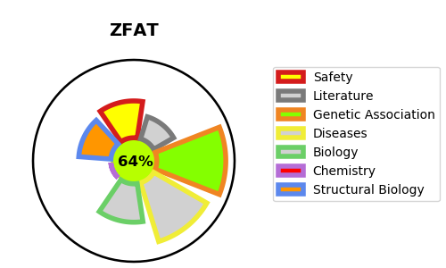
Gene_name | ZFAT | Tractable | Tractability_probability
Synonyms | KIAA1485, ZFAT1, ZNF406 | True | 64.22
Target_id | Q9P243 | In Training data set ?
Protein_class |  | No
Protein_class_desc
Species | Homo sapiens (Human).
Number_isoforms | 4

DISEASE |  | PATHWAYS
disease_id | disease_name | Reactome | KEGG
OMIM:608175 | AUTOIMMUNE THYROID DISEASE, SUSCEPTIBILITY TO, 3

