General info
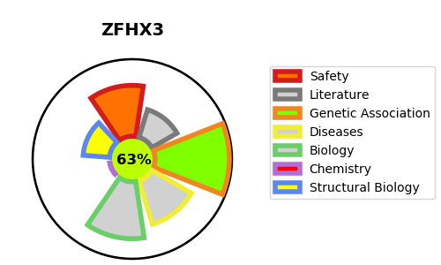
Gene_name | ZFHX3 | Tractable | Tractability_probability
Synonyms | ATBF1, C16orf47 {ECO:0000312|HGNC:HGNC:777} | True | 63.34
Target_id | Q15911 | In Training data set ?
Protein_class |  | No
Protein_class_desc
Species | Homo sapiens (Human).
Number_isoforms | 2

DISEASE |  | PATHWAYS
disease_id | disease_name | Reactome | KEGG
OMIM:176807 | PROSTATE CANCER | Gene expression (Transcription)
 |  | Generic Transcription Pathway
 |  | RNA Polymerase II Transcription
 |  | RUNX3 regulates CDKN1A transcription
 |  | Transcriptional regulation by RUNX3

