General info
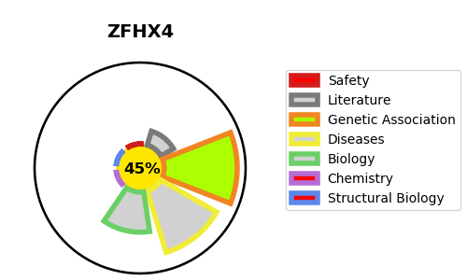
Gene_name | ZFHX4 | Tractable | Tractability_probability
Synonyms | Not found | False | 45.13
Target_id | Q86UP3 | In Training data set ?
Protein_class |  | No
Protein_class_desc
Species | Homo sapiens (Human).
Number_isoforms | 5

DISEASE |  | PATHWAYS
disease_id | disease_name | Reactome | KEGG
OMIM:178300 | PTOSIS, HEREDITARY CONGENITAL 1

