General info
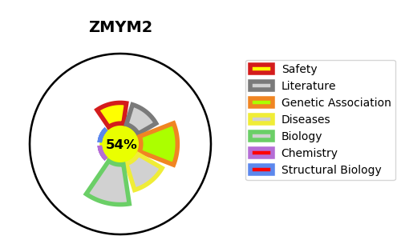
Gene_name | ZMYM2 | Tractable | Tractability_probability
Synonyms | FIM, RAMP, ZNF198 | True | 54.32
Target_id | Q9UBW7 | In Training data set ?
Protein_class |  | No
Protein_class_desc
Species | Homo sapiens (Human).
Number_isoforms | 2

DISEASE |  | PATHWAYS
disease_id | disease_name | Reactome | KEGG
 |  | Disease
 |  | Diseases of signal transduction by growth factor receptors and second messengers
 |  | FGFR1 mutant receptor activation
 |  | Signaling by FGFR in disease
 |  | Signaling by FGFR1 in disease
 |  | Signaling by cytosolic FGFR1 fusion mutants

