General info
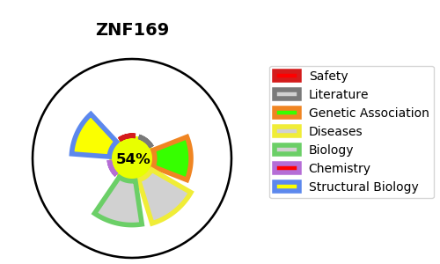
Gene_name | ZNF169 | Tractable | Tractability_probability
Synonyms | Not found | True | 54.52
Target_id | Q14929 | In Training data set ?
Protein_class |  | No
Protein_class_desc
Species | Homo sapiens (Human).
Number_isoforms | 0

DISEASE |  | PATHWAYS
disease_id | disease_name | Reactome | KEGG
 |  | Gene expression (Transcription)
 |  | Generic Transcription Pathway
 |  | RNA Polymerase II Transcription

