General info
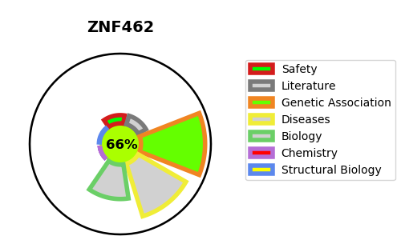
Gene_name | ZNF462 | Tractable | Tractability_probability
Synonyms | KIAA1803 | True | 66.86
Target_id | Q96JM2 | In Training data set ?
Protein_class |  | No
Protein_class_desc
Species | Homo sapiens (Human).
Number_isoforms | 3

DISEASE |  | PATHWAYS
disease_id | disease_name | Reactome | KEGG
OMIM:618619 | WEISS-KRUSZKA SYNDROME

