General info
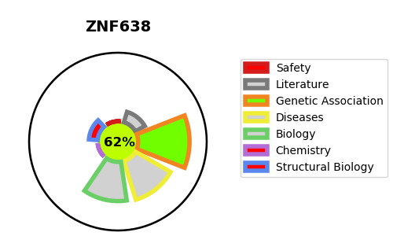
Gene_name | ZNF638 | Tractable | Tractability_probability
Synonyms | NP220 {ECO:0000303|PubMed:8647861}, ZFML | True | 62.78
Target_id | Q14966 | In Training data set ?
Protein_class |  | No
Protein_class_desc
Species | Homo sapiens (Human).
Number_isoforms | 6

DISEASE |  | PATHWAYS
disease_id | disease_name | Reactome | KEGG
 |  | Developmental Biology
 |  | Transcriptional regulation of white adipocyte differentiation

