General info
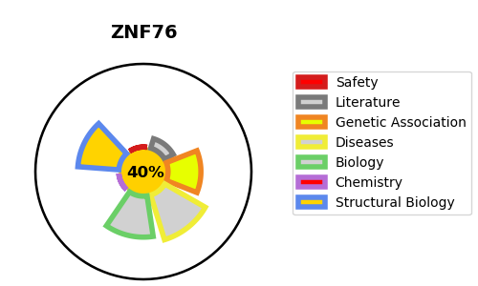
Gene_name | ZNF76 | Tractable | Tractability_probability
Synonyms | D6S229E, ZNF523 | False | 40.8
Target_id | P36508 | In Training data set ?
Protein_class |  | No
Protein_class_desc
Species | Homo sapiens (Human).
Number_isoforms | 2

DISEASE |  | PATHWAYS
disease_id | disease_name | Reactome | KEGG

