General info
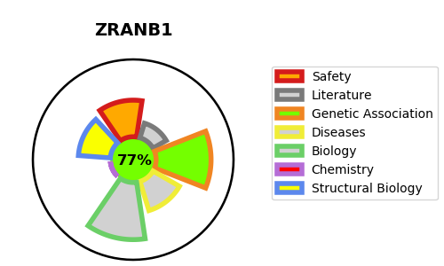
Gene_name | ZRANB1 | Tractable | Tractability_probability
Synonyms | TRABID | True | 77.39
Target_id | Q9UGI0 | In Training data set ?
Protein_class |  | No
Protein_class_desc
Species | Homo sapiens (Human).
Number_isoforms | 0

DISEASE |  | PATHWAYS
disease_id | disease_name | Reactome | KEGG
 |  | Degradation of beta-catenin by the destruction complex
 |  | Deubiquitination
 |  | Metabolism of proteins
 |  | Ovarian tumor domain proteases
 |  | Post-translational protein modification
 |  | Signal Transduction
 |  | Signaling by WNT

