figure_2
source | target | type | value | Balance check
N | C | fossil | 14.1 | Group | Input | Output | Difference | Error
N | C | biomass | 21.0 | fossil | 14.3 | 14.3 | 0.0 | 0%
N | C | metal | 1.5 | biomass | 22.7 | 22.7 | 0.0 | 0%
N | C | nonmetal | 36.9 | metal | 2.1 | 2.1 | 0.0 | 0%
C | E | fossil | 12.9 | non metal | 37.5 | 37.5 | 0.0 | 0%
C | E | biomass | 16.9 | Total | 76.6 | 76.6 | 0.0 | 0.0%
C | E | metal | 0.3
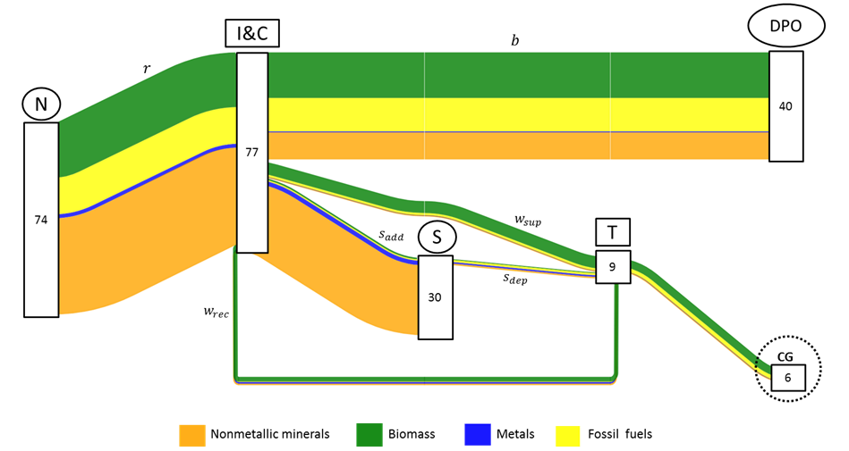
C | E | nonmetal | 10.4
C | W | fossil | 0.9
C | W | biomass | 5.2
C | W | metal | 0.1
C | W | nonmetal | 0.3
C | S | fossil | 0.5
C | S | biomass | 0.6
C | S | metal | 1.7
C | S | nonmetal | 26.8
S | W | fossil | 0.8
S | W | biomass | 0.3
S | W | metal | 0.6
S | W | nonmetal | 0.6
W | G | fossil | 1.5
W | G | biomass | 3.7
W | G | metal | 0.1
W | G | nonmetal | 0.4
W | C | fossil | 0.2
W | C | biomass | 1.8
W | C | metal | 0.6
W | C | nonmetal | 0.6

Note | : | Figure was developed in Floweaver

figure_3
Material output in Gigatonnes
Regions | Dissipative emissions | Stock additions | Waste generation | Stock depletion | Total output
World | 45 | 30 | 6 | 2 | 83
Latin America | 3 | 2 | 1 | 0 | 5
Europe | 6 | 4 | 1 | 1 | 11
Africa | 3 | 1 | 1 | 0 | 4
Australia | 1 | 0 | 0 | 0 | 0.7
Russia | 2 | 1 | 0 | 0 | 3
India | 3 | 1 | 1 | 0 | 5
Japan | 2 | 1 | 0 | 0 | 2
North America | 7 | 2 | 1 | 0 | 11
Asia and Pacific | 4 | 2 | 1 | 0 | 8
China | 12 | 14 | 1 | 0 | 27
Middle East | 3 | 2 | 0 | 0 | 5

figure_4
Circularity gap in Gigatonnes
 | World | Europe | North America | China | Russia | India | Australia | Japan | Latin America | Middle East | Africa | Asia and Pacific
Waste generation | 6.4 | 0.8 | 0.8 | 1.3 | 0.1 | 0.7 | 0.1 | 0.1 | 0.9 | 0.2 | 0.6 | 0.7
Stock degradation | 2.3 | 1.0 | 0.3 | 0.3 | 0.3 | 0.0 | 0.0 | 0.1 | 0.1 | 0.0 | 0.0 | 0.0
Waste recovery | 3.1 | 0.8 | 0.3 | 0.7 | 0.1 | 0.2 | 0.0 | 0.1 | 0.2 | 0.1 | 0.3 | 0.3
Circularity gap | 5.6 | 1.1 | 0.7 | 0.9 | 0.3 | 0.5 | 0.1 | 0.1 | 0.7 | 0.1 | 0.3 | 0.5

 | World |  |  | Europe |  |  | China |  |  | North America |  |  | Latin America |  | India |  | Asia and Pacific |  | Africa |  | Russia |  | Japan |  | Middle East |  | Australia
Waste generation | 6.44 | 0 |  | 0.83 | 0 |  | 1.34 | 0 |  | 0.76 | 0 |  | 0.91 | 0 | 0.71 | 0 | 0.71 | 0 | 0.57 | 0 | 0.14 | 0 | 0.13 | 0 | 0.20 | 0 | 0.08 | 0
Stock degradation | 2.27 | 0 |  | 1.02 | 0 |  | 0.26 | 0 |  | 0.31 | 0 |  | 0.07 | 0 | 0.04 | 0 | 0.05 | 0 | 0.04 | 0 | 0.26 | 0 | 0.14 | 0 | 0.03 | 0 | 0.02 | 0
Waste recovery | 0 | 3.12 |  | 0 | 0.76 |  | 0 | 0.67 |  | 0 | 0.32 |  | 0 | 0.25 | 0 | 0.23 | 0 | 0.27 | 0 | 0.25 | 0 | 0.07 | 0 | 0.12 | 0 | 0.09 | 0 | 0.03
Circularity gap | 0 | 5.59 |  | 0 | 1.10 |  | 0 | 0.93 |  | 0 | 0.75 |  | 0 | 0.73 | 0 | 0.52 | 0 | 0.49 | 0 | 0.35 | 0 | 0.33 | 0 | 0.15 | 0 | 0.14 | 0 | 0.07

Circularity gap per capita
 | World | Europe | North America | China | Russia | India | Australia | Japan | Latin America | Middle East | Africa | Asia and Pacific
Waste generation | 0.9 | 1.3 | 2.2 | 1.0 | 1.0 | 0.6 | 3.5 | 1.0 | 1.5 | 0.4 | 0.6 | 0.6
Stock degradation | 0.3 | 1.6 | 0.9 | 0.2 | 1.8 | 0.0 | 0.9 | 1.1 | 0.1 | 0.1 | 0.04 | 0.0
Waste recovery | 0.4 | 1.2 | 0.9 | 0.5 | 0.5 | 0.2 | 1.3 | 1.0 | 0.4 | 0.2 | 0.28 | 0.2
Circularity gap | 0.8 | 1.7 | 2.2 | 0.7 | 2.3 | 0.4 | 3.0 | 1.1 | 1.2 | 0.3 | 0.4 | 0.4

 | World |  |  | Europe |  |  | China |  |  | North America |  |  | Latin America |  | India |  | Asia and Pacific |  | Africa |  | Russia |  | Japan |  | Middle East |  | Australia
Waste generation | 0.9 | 0.0 |  | 1.3 | 0.0 |  | 1.0 | 0.0 |  | 2.2 | 0.0 |  | 1.5 | 0.0 | 0.6 | 0.0 | 0.6 | 0.0 | 0.6 | 0.0 | 1.0 | 0.0 | 1.0 | 0.0 | 0.4 | 0.0 | 3.5 | 0.0
Stock degradation | 0.3 | 0.0 |  | 1.6 | 0.0 |  | 0.2 | 0.0 |  | 0.9 | 0.0 |  | 0.1 | 0.0 | 0.0 | 0.0 | 0.0 | 0.0 | 0.0 | 0.0 | 1.8 | 0.0 | 1.1 | 0.0 | 0.1 | 0.0 | 0.9 | 0.0
Waste recovery | 0.0 | 0.4 |  | 0.0 | 1.2 |  | 0.0 | 0.5 |  | 0.0 | 0.9 |  | 0.0 | 0.4 | 0.0 | 0.2 | 0.0 | 0.2 | 0.0 | 0.3 | 0.0 | 0.5 | 0.0 | 1.0 | 0.0 | 0.2 | 0.0 | 1.3
Circularity gap | 0.0 | 0.8 |  | 0.0 | 1.7 |  | 0.0 | 0.7 |  | 0.0 | 2.2 |  | 0.0 | 1.2 | 0.0 | 0.4 | 0.0 | 0.4 | 0.0 | 0.4 | 0.0 | 2.3 | 0.0 | 1.1 | 0.0 | 0.3 | 0.0 | 3.0

 | Waste generation | Stock degradation | Waste recovery | Circularity gap
Europe | 0.83 | 1.02 | 0 | 0
 | 0.00 | 0.00 | 0.75969598581 | 1.0976879758
China | 1.34 | 0.26 | 0 | 0
 | 0.00 | 0.00 | 0.66713980961 | 0.92989894502
North America | 0.76 | 0.31 | 0 | 0
 | 0.00 | 0.00 | 0.32085018677 | 0.74681067794
Latin America | 0.91 | 0.07 | 0 | 0
 | 0.00 | 0.00 | 0.2467138887 | 0.73130850602
India | 0.71 | 0.04 | 0 | 0
 | 0.00 | 0.00 | 0.2311495646 | 0.51893616039
Asia and Pacific | 0.71 | 0.05 | 0 | 0
 | 0.00 | 0.00 | 0.26553218914 | 0.48715144163
Africa | 0.57 | 0.04 | 0 | 0
 | 0.00 | 0.00 | 0.25443175106 | 0.34856534217
Russia | 0.14 | 0.26 | 0 | 0
 | 0.00 | 0.00 | 0.065311602882 | 0.32866149211
Japan | 0.13 | 0.14 | 0 | 0
 | 0.00 | 0.00 | 0.12338857476 | 0.14587264406
Middle East | 0.20 | 0.03 | 0 | 0
 | 0.00 | 0.00 | 0.091915784525 | 0.13605600821
Australia | 0.08 | 0.02 | 0 | 0
 | 0.00 | 0.00 | 0.028952235518 | 0.068011456234
 | Waste generation | Stock degradation | Waste recovery | Circularity gap
Europe | 1.3 | 1.6 | 0.0 | 0.0
 | 0.0 | 0.0 | 1.2 | 1.7
China | 1.0 | 0.2 | 0.0 | 0.0
 | 0.0 | 0.0 | 0.5 | 0.7
North America | 2.2 | 0.9 | 0.0 | 0.0
 | 0.0 | 0.0 | 0.9 | 2.2
Latin America | 1.5 | 0.1 | 0.0 | 0.0
 | 0.0 | 0.0 | 0.4 | 1.2
India | 0.6 | 0.0 | 0.0 | 0.0
 | 0.0 | 0.0 | 0.2 | 0.4
Asia and Pacific | 0.6 | 0.0 | 0.0 | 0.0
 | 0.0 | 0.0 | 0.2 | 0.4
Africa | 0.6 | 0.0 | 0.0 | 0.0
 | 0.0 | 0.0 | 0.3 | 0.4
Russia | 1.0 | 1.8 | 0.0 | 0.0
 | 0.0 | 0.0 | 0.5 | 2.3
Japan | 1.0 | 1.1 | 0.0 | 0.0
 | 0.0 | 0.0 | 1.0 | 1.1
Middle East | 0.4 | 0.1 | 0.0 | 0.0
 | 0.0 | 0.0 | 0.2 | 0.3
Australia | 3.5 | 0.9 | 0.0 | 0.0
 | 0.0 | 0.0 | 1.3 | 3.0

