figure_1
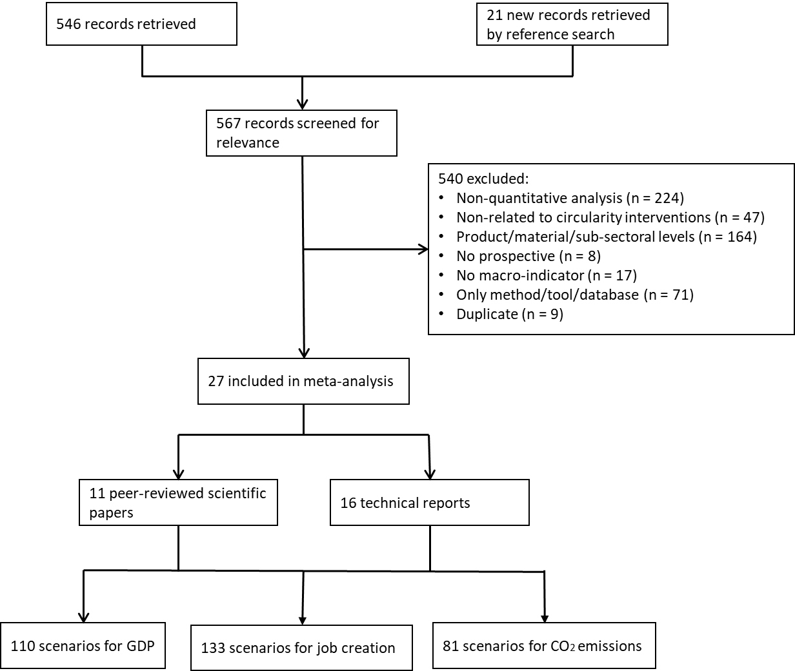
Date of extraction | 2019-06-24

Database | Queries | Included documets | Excluded documents per eligibility criteria |  |  |  |  |  |  | Total documents (included+excluded)
 |  |  | no ce-intervention | no quantitative | geographical dimension | method/tool/database only | time dimension | no macro-indicator | duplicate
Circular Impact | Models/scenario building | 24 | 0 | 19 | 12 | 65 |  |  | 6 | 126
Web of Science | ("circular economy" AND ("GDP" OR job* OR CO2 OR emission*)) | 19 | 44 | 205 | 148 | 4 |  |  |  | 420
Google | macroeconomics impacts AND "circular economy"; filetype:pdf | 21 | 0 | 0 | 0 |  |  |  |  | 21
Screen I |  | 64 | 44 | 224 | 160 | 69 | 0 | 0 | 6 | 567
Full-text assessment |  | 27 | 3 |  | 4 | 2 | 8 | 17 | 3 | 64

