Cover


2018 Quality Performance Program (QPP)

Individual Claims Measures Single Source

2017-12-11

Instructions
Key Descriptions
Multiple Submission Criteria – Measures that contains multiple submission criteria are represented by .01, .02, .03 etc. added to the Measure #. For example, 5 and 5.01 - Measure 5 has two submission criteria, therefore measure # 5 is associated with submission criteria 1 and measure # 5.01 is associated with submission criteria 2.
Grouped Codes – Measures that contain an individual denominator with codes grouped together have the applicable data element(s) marked as ‘data_element_1_A’, ‘data_element_1_B’, ‘data_element_2_A’, ‘data_element_2_B’ and so on, to indicate the acceptable groupings. For example, Measure 254 requires two out of the three diagnosis code options along with the other denominator criteria; for an eligible encounter to be included in the denominator:
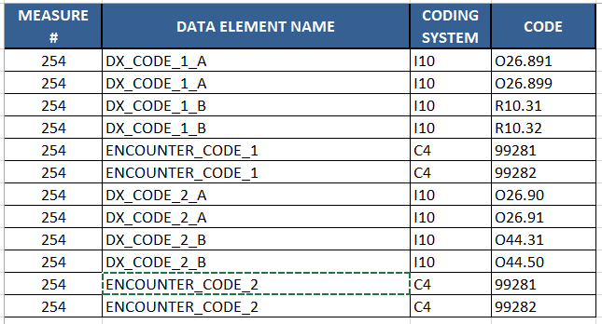
Exclusion – Denominator exclusions are now represented by the ‘_Exl’ extension added to the appropriate data element. For example: G_CODE_PD_Exl
Exemption – Exceptions are now represented by the ‘_Exe’ extension added to the appropriate data element. For example: CPT_II_PD_Exe

Step-by-Step Instructions to Search Using this Excel File
This spreadsheet is a tool that eligible clinicians can use to search for codes, measure number, etc. within each individual claims measure for the 2017 Quality Payment Program (QPP). This may assist in identifying measures that may apply to your practice based on common codes that you may utilize when seeing beneficiaries. For guidance on how to search for codes included in the QPP measures please see step by step instructions on how to execute the following basic functions: 1. Search by Measure Number 2. Search by Code
1. Search by Measure Number
Step 1: Identify the measure number you are searching and click on the arrow under Measure # (In Column A)
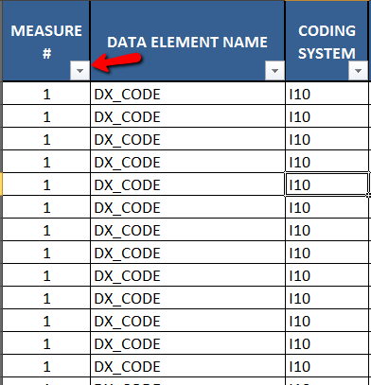
Step 2: Once the arrow is selected, a drop down menu will appear. Input the measure number you are searching for and select "OK"
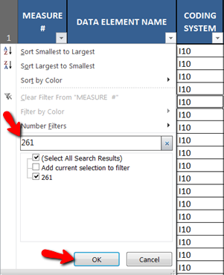
Step 3: This excel function will filter out all other measures, narrowing to the specified measure
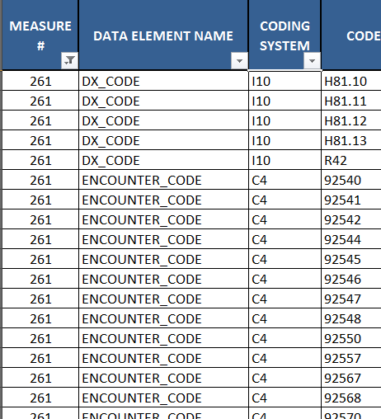
Step 4: To undo your search, reclick the arrow that is filtered and select "Clear Filter From 'MEASURE #'."
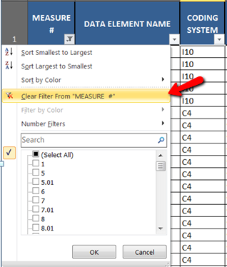

2. Search by Code
Step 1: Select the arrow below the Code header (in Column D)
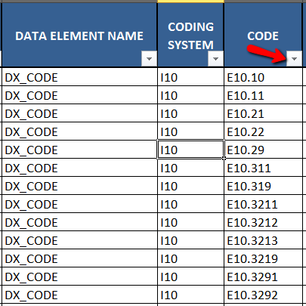
Step 2: Once the arrow is selected, a drop down menu will appear. Input the code you would like to search for and select "OK"
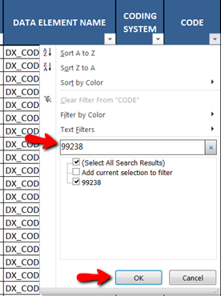
Step 3: This will filter the list to the measure(s) that the specified code(s) are found

Step 4: To undo your search, reclick the arrow that is filtered and select "Clear Filter From 'CODE' ".
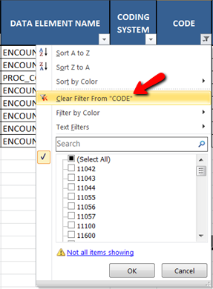

NOTE: Please refer to the measure specification for detailed instructions and logic.

