Sheet1
 | Library Preparation | Sequencing | Seqencing throughput | bases in FASTQ | Sequencing time | Sequencing time/flow cell | Basecalling time | Basecalling throughput | Basecalling time | QC time | QC throughput | Quality Control |  | Read Mapping | time | Total number of bases in input SAM file | Variant Calling
 | hours | hours | bases |  | bases/hour | bases/hour | hours |  | bases/hour | hours |  | bases/hour | bases/sec | bases/hour | sec |  | bases/hour
Illumina | 6.5 | 44 | 6000000000000 | 144,466,600,784 | 136,363,636,363.64 | 68,181,818,181.82 | 0.8 | 83,500,000,000.00 | 104,375,000,000.00 | 0.001389 | 1,860,000,000.00 | 1,339,200,000,000.00 | 46185 | 166,266,000 | 746514 | 250103434512 | 1206102449.8
ONT | 24 | 72 | 14000000000000 | 82,196,263,791 | 194,444,444,444.44 | 4,050,925,925.93 | 24 | 20,000,000,000.00 | 833,333,333.33 | 0.000556 | 1,900,000,000.00 | 3,420,000,000,000.00 | 469801 | 1,691,283,600 | 4619540 | 56958985752 | 44388045
HiFi | 24 | 30 | 160000000000 | 24,260,611,730 | 5,333,333,333.33 | 5,333,333,333.33 | 24 | 200,000,000,000.00 | 8,333,333,333.33 | 0.100000 | 108,100,000,000.00 | 1,081,000,000,000.00 | 385090 | 1,386,324,000 | 785539 | 23944354059 | 109733157.25

 |  |  |  |  |  |  |  |  |  |  |  |  |  |  |  |  | 250103434512 | 56958985752 | 23944354059
 |  |  | 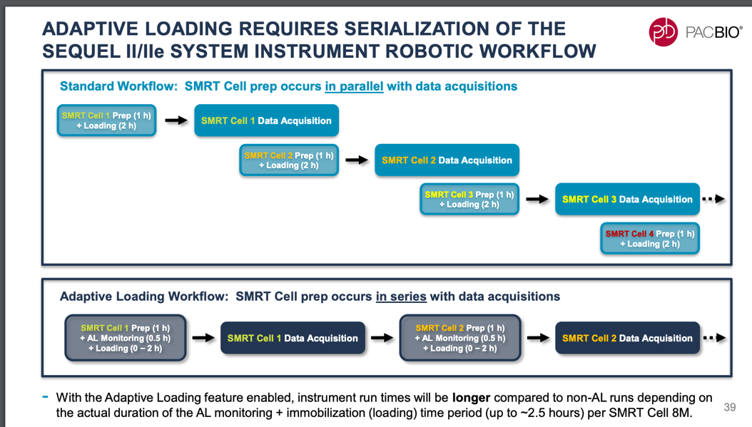 |  |  |  |  |  |  |  |  | 48min / 83500000000 bases1 | 2 hours 22 min / 20Gb using single V100 GPU2, PromethION48 has 4 V100 GPUs | ccs v6.0 can process 200 GBases HiFi yield in 24 hours for a 25 KBases library on 2x64 cores at 2.4 GHz3 |  |  | 746514 |  | 785539
 |  |  |  |  |  |  | 142 | 78 | 54.333333333 |  |  | 42.5 |  |  | 746,514 |  | 785,539
 |  |  |  |  |  |  | 1 | 2 | 3 |  |  | 4
 |  |  |  |  |  |  |  | 71
 |  |  |  |  |  |  |  | 7 |  |  |  | 0.70833333333

 |  |  |  |  |  |  |  |  |  |  |  |  | bases/sec | bases/sec

