Settings
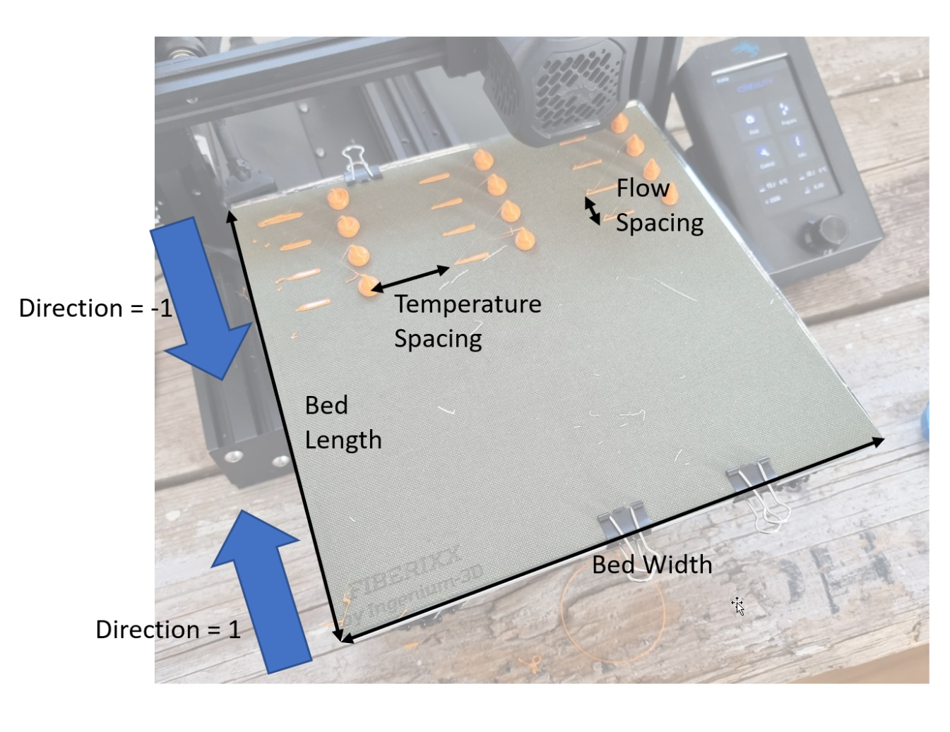
General Settings
Bed Width | 220 | mm
Bed Length | 220 | mm
Bed Margin | 5 | mm
Filament Diameter | 1.75 | mm
Travel Speed | 100 | mm/s
Stabilization Time | 20 | s
Bed Temperature | 40 | °C
Fan Speed | 0 | %

Prime Length | 25 | mm
Prime Amount | 20 | mm | Prime Flow
Prime Speed | 5 | mm/s | 10 | mm³/s
Wipe Length | 15 | mm
Retraction Distance | 4 | mm
Retraction Speed | 60 | mm/s

Blob Height | 10 | mm
Extrusion Amount | 200 | mm

Direction | 1 | 1=front to back, -1=back to front
Temperature Spacing | 40 | mm
Flow Spacing | 25 | mm

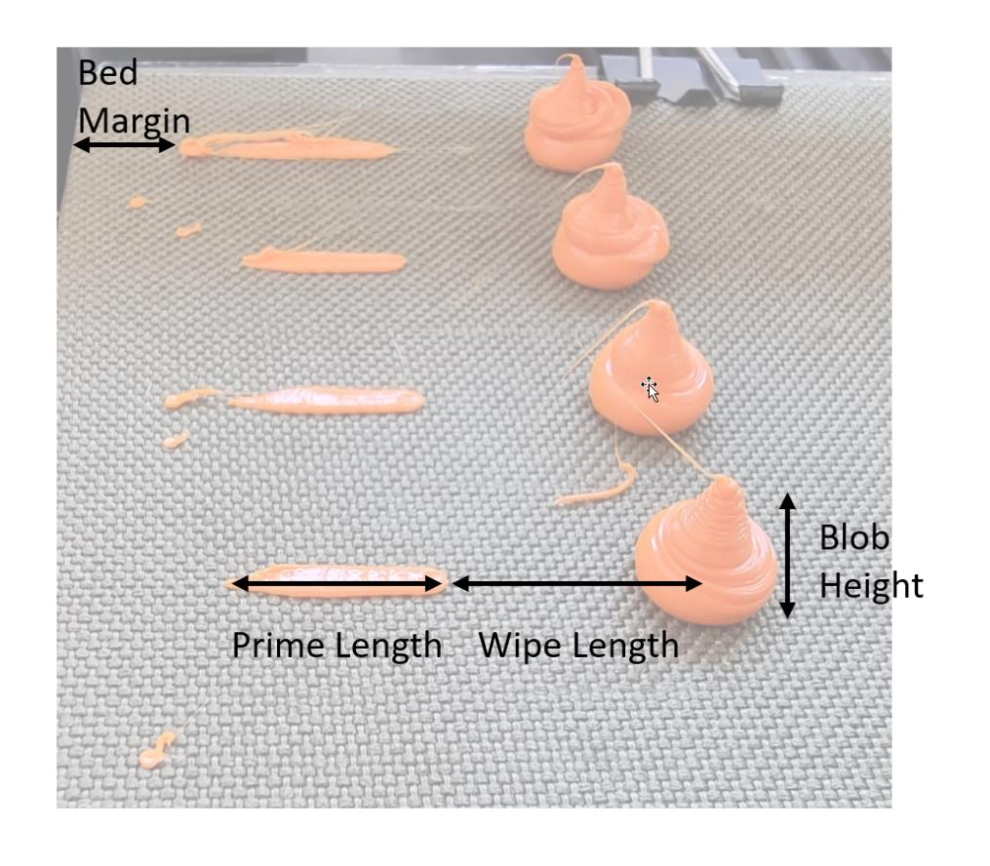
DOE Settings
Flow Variation
Start Flow | 2 | mm³/s
Offset | 2 | mm³/s
Steps | 8
End Flow | 16 | mm³/s

Temperature Variation
Start Temperature | 240 | °C
Offset | -20 | K
Steps | 3 |  | If Steps = 1 "Fill Mode" is used
End Flow | 200 | °C

Comment | Ender-3

SampleEvaluation
 |  | Test 1
 | Printer | Ender-3 Pro
 | Material | DasFilament PLA
 | Temperature / °C | 240 | 220 | 200
 | Flow rate / mm³/s | weights / g
Input | 2 | 0.574 | 0.553 | 0.555
 | 4 | 0.572 | 0.551 | 0.551
 | 6 | 0.572 | 0.552 | 0.518
 | 8 | 0.560 | 0.535 | 0.487
 | 10 | 0.538 | 0.512 | 0.395
 | 12 | 0.532 | 0.473 | 0.314
 | 14 | 0.510 | 0.392 | 0.255
 | 16 | 0.462 | 0.338 | 0.170

Underextrusion Amount | 2 | 0% | 0% | 0%
 | 4 | 0% | 0% | -1%
 | 6 | 0% | 0% | -7%
 | 8 | -2% | -3% | -12%
 | 10 | -6% | -7% | -29%
 | 12 | -7% | -14% | -43%
 | 14 | -11% | -29% | -54%
 | 16 | -20% | -39% | -69%

Real Flow | 2 | 2.0 | 2.0 | 2.0
 | 4 | 4.0 | 4.0 | 4.0
 | 6 | 6.0 | 6.0 | 5.6
 | 8 | 7.8 | 7.7 | 7.0
 | 10 | 9.4 | 9.3 | 7.1
 | 12 | 11.1 | 10.3 | 6.8
 | 14 | 12.4 | 9.9 | 6.4
 | 16 | 12.9 | 9.8 | 4.9

Real Flow
Ender-3 Pro - Extrusion Test

