Foglio1
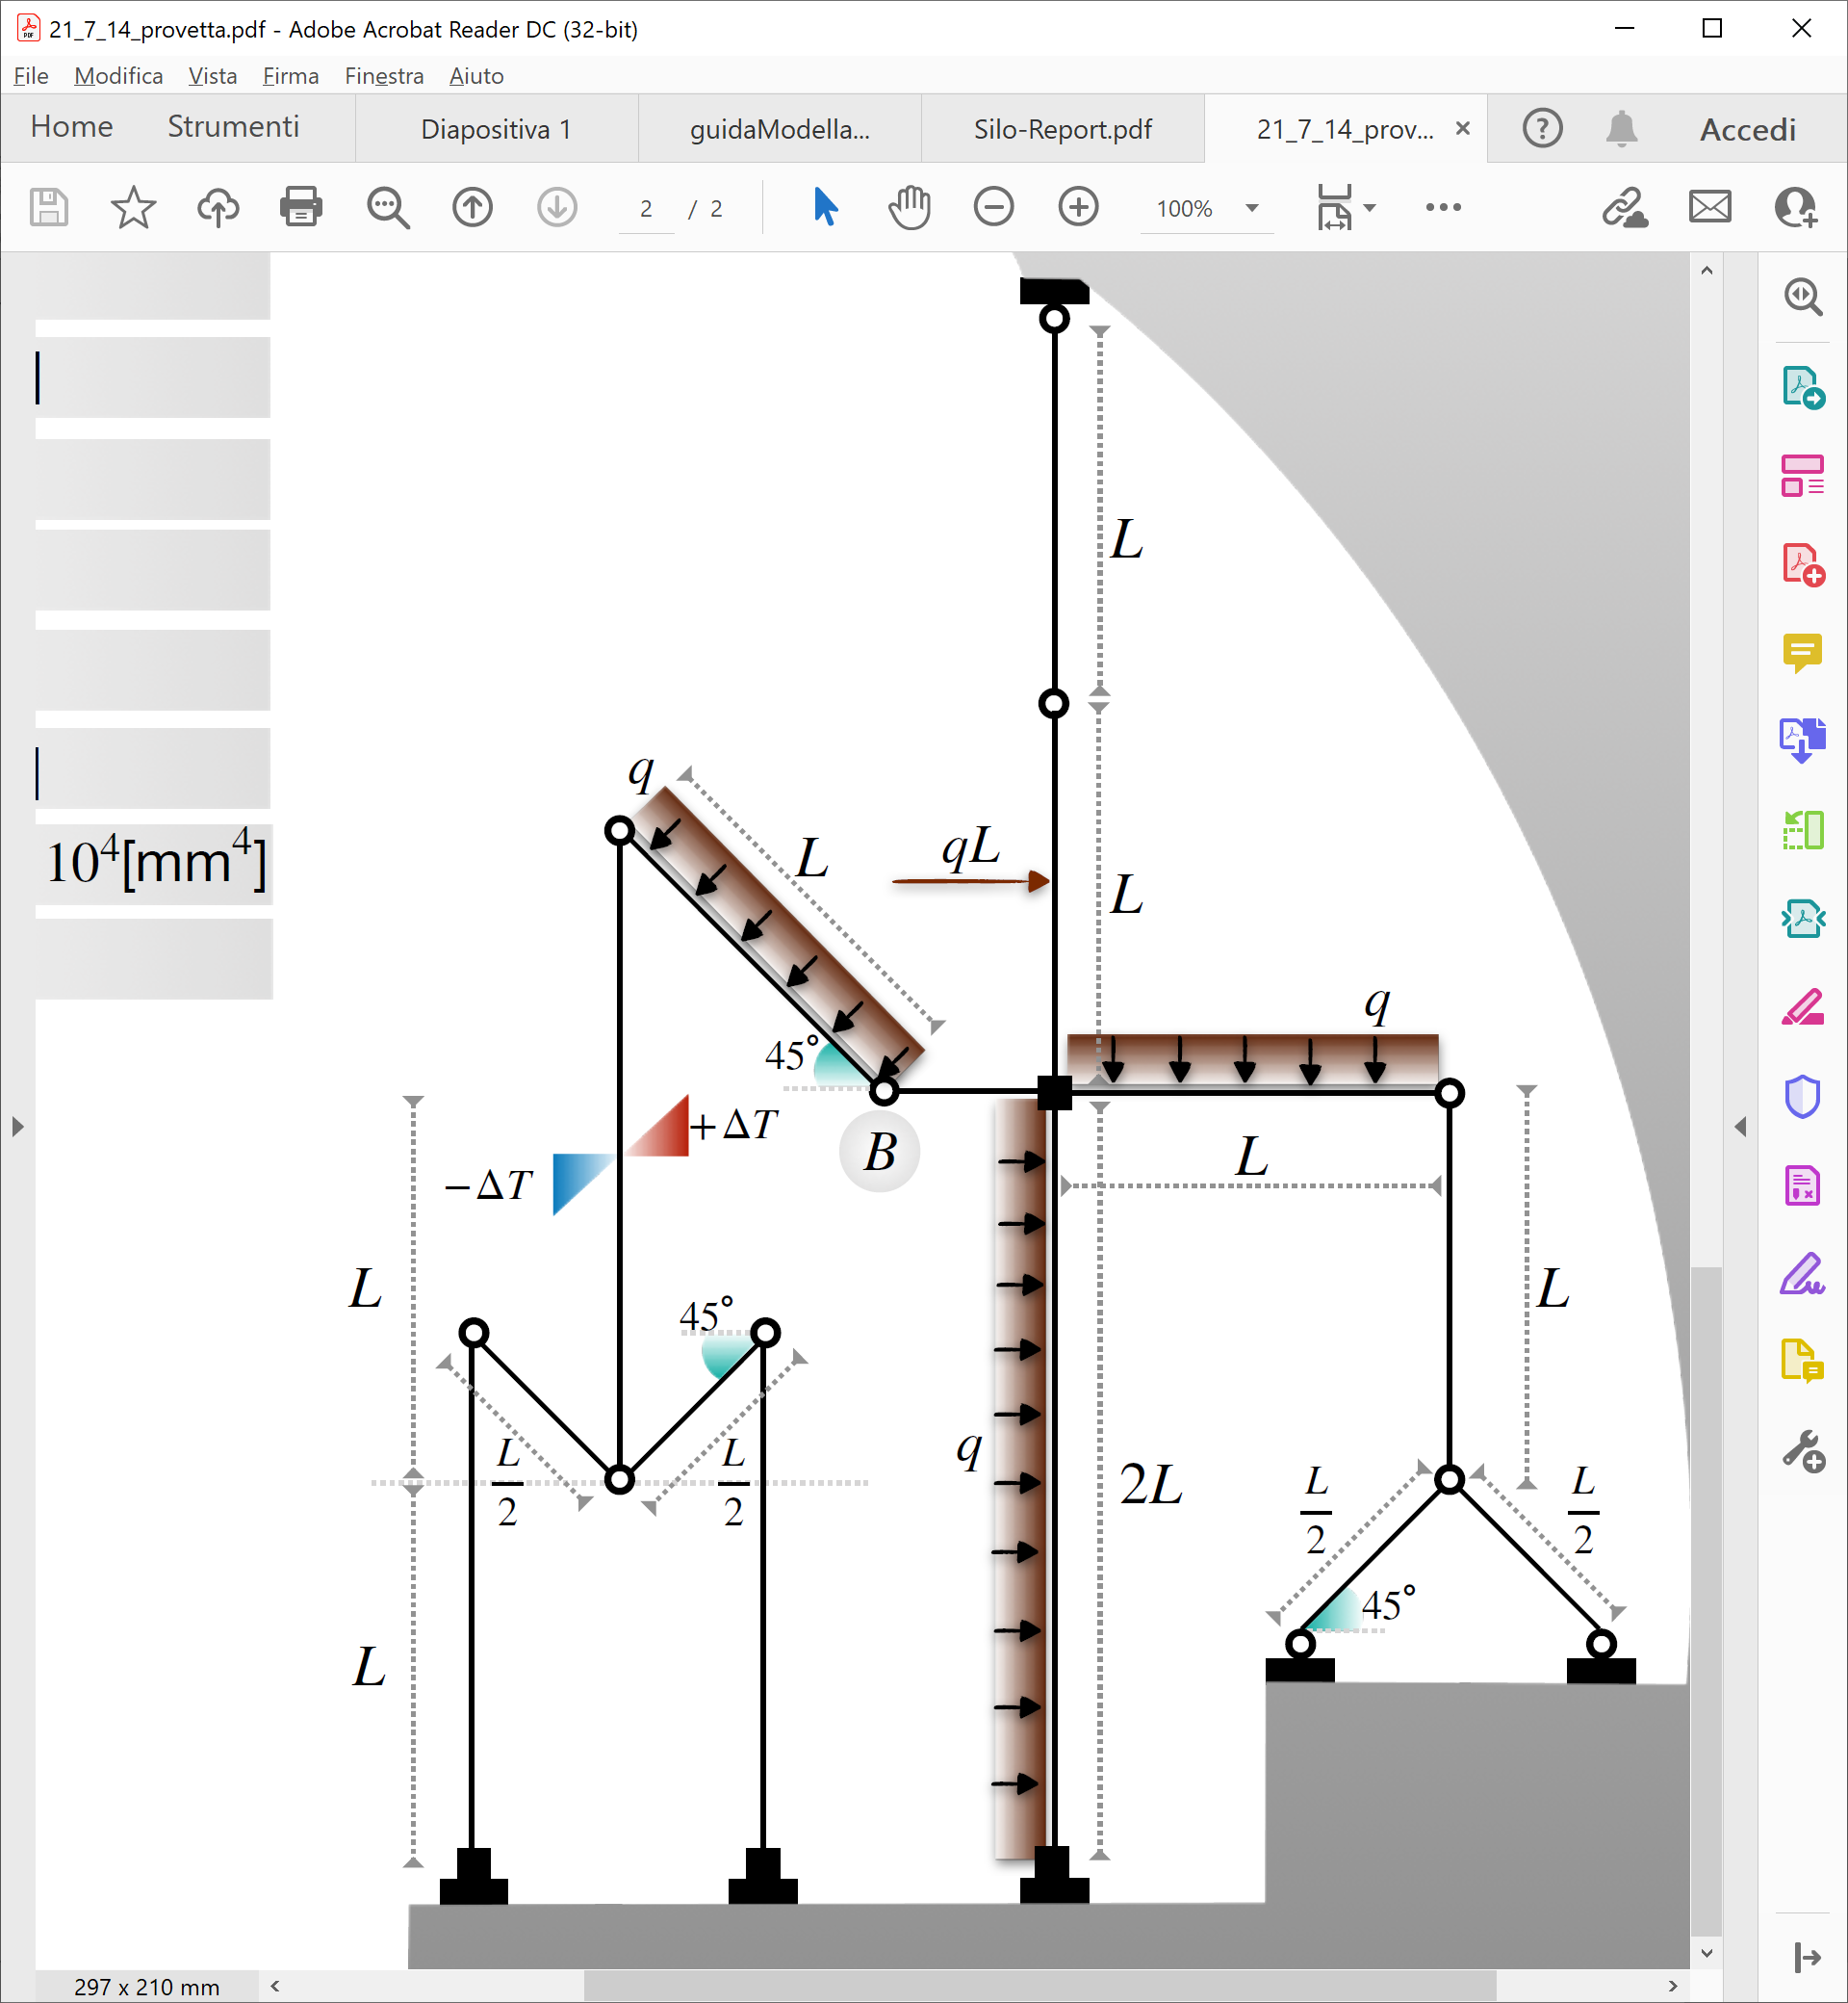
L | 5 | [m]
rad(2) | 1.4142135624

L/rad(2) | 3.5355339059 | [m]
L/2*rad(2) | 1.767766953 | [m]
2L-L/2*rad(2) | 8.232233047
X tot | 13.838834765 | [m]
Y tot | 20 | [m]

Iyy | 1170000000 | [mm4]
lato | 344.22449934 | [mm]
Iyy | 117 | [m4]
lato | 0.34422449934 | [m]

$$\frac{L}{2\sqrt{2} }$$
$$\frac{L}{2\sqrt{2} }$$
$$\frac{L}{\sqrt{2} }$$
$$L$$
$$\frac{L}{2\sqrt{2} }$$

