food
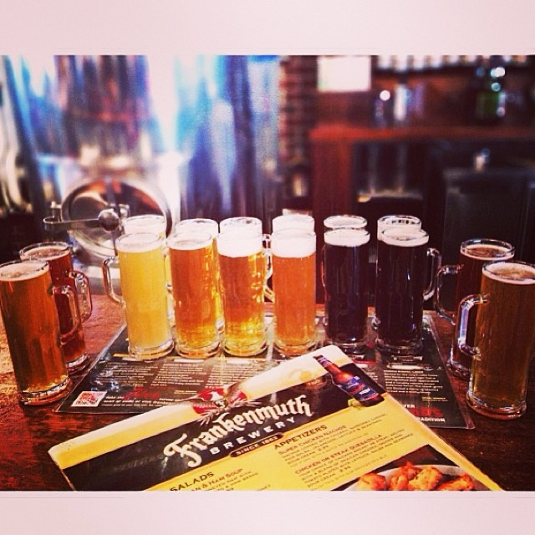
category | description(long) | description(short) | location
food1 | The San Francisco Bay Area is host to many of the best and most unique beer producers in the country. Some are considered mirco-breweries, only producing enough fermented beverage for their customers, while others produce for an international audience. Beer Socials is dedicated to a wide variety of beer tasting activities including; * Brewery touring and beverage sampling * Beer Socials * Private tastings * Beer festivals * And much more | Brewery touring and beverage sampling * Beer Socials * Private tastings * Beer festivals * And much more | SF Mikkeller Bar Union Square 34 Mason St San Francisco, CA 94102
food | Scotch and Whiskey drinkers of the Bay Area Unite! If you are a connoisseur of Scotch and Whiskey – an enthusiast, if you are working diligently to acquire the taste, if you have simply enjoyed what you have tried so far and are looking to try something new, this may be the group for you. Let’s get together once a month to share our favorites at someone’s home, to head out to one of San Francisco’s well stocked watering holes, or to descend en masse on one of the larger tasting events. An evening of Scotch and Whiskey drinking usually goes hand in hand with good conversation in relaxed company. I look forward to a comfortable and vibrant group. The in home tastings are private events, there is no fee, but you must bring a bottle to share, and you must of course be over 21. | An evening of Scotch and Whiskey drinking usually goes hand in hand with good conversation in relaxed company. I look forward to a comfortable and vibrant group. | SF Aroma Tea Shop Inner Richmond 302 6th Ave San Francisco, CA 94118
food3 | Let's take advantage of Koreatown and try some new Barbecue joints! We try other types of Korean restaurants, but KBBQ is our main focus. If you're interested in trying new restaurants and dishes in Koreatown while enjoying some beer, soju, or barley/corn tea, join our group for some serious overeating! A few rules: 1. You must post a recent large headshot photo as your primary photo, so we can recognize you when you come to the restaurant. This is for the safety of all the members. 2. You must respect the No-show/No-flake rule. You must cancel/change your rsvp to a NO at least 24 hours before the event, If you don't give proper notice to the event host/organizer, you are subject to removal from the group. 3. You may not crash an event, or bring other guests unless the organizer is aware ahead of time. 4. You must be respectful to all members and organizers. Understand that attending our events is a privilege and not a right. Each organizer may have other rules in place. It is your responsibility to read the event description and adhere to those rules. | Let's take advantage of Koreatown and try some new Barbecue joints! We try other types of Korean restaurants, but KBBQ is our main focus | LA
food4 | From Midtown's Sichuan Belt to the Chinatowns of Queens and Brooklyn and neighborhoods in between, Sichuan restaurants are winning over New York City. Let's explore them together, family-style. If you can take the heat, join us! | Sichuan restaurants are winning over New York City. Let's explore them together, family-style. If you can take the heat, join us! | new york
 | We are a group that loves Italian...food, fun and SPICY MEATBALLS! We try to get to all the different parts of the metro area, so hopefully we will go to some restaurants near you. Suggestions for places to go are always welcomed. My policy is for one free no-show, and after a second, I will remove you from the group, as it is not fair to those on the wait list or to the restaurant when people do not attend. Hope to see you soon. Thank you for joining! | We are a group that loves Italian...food, fun and SPICY MEATBALLS! | Denver
food6 | Tea is the second most popular beverage in the world, behind water, and yet, there’s a quite a bit of mystique behind this amber liquid. Where does it come from? What’s roasted tea and how does roasting change its flavors? What’s up with the insane prices of aged tea? Those are questions that I was asking, and am still asking, when I first got into specialty tea. As I look further, the one thing I find missing in the east bay was a group to meet and talk about tea. I am also intrigued by tea’s power to bring together a community and provide a sanctuary for relaxation and conversation. By starting this group, I hope to start regularly meeting other tea drinkers in the East Bay, to learn, share and enjoy tea together. Tea tastings will happen monthly at first, and focus on Chinese tea, since that's what I know for now. But I am very curious about tea from other cultures around the world, and would love to partner to other teasters to host tastings for other kinds of tea as well. If you are curious about tea, or just want to relax and converse, come join us! | Tea is the second most popular beverage in the world, behind water, and yet, there’s a quite a bit of mystique behind this amber liquid. Where does it come from? What’s roasted tea and how does roasting change its flavors?
food7 | Vegans, vegetarians, and the veg-curious—join our Meetup to discover San Francisco’s trending pop-up and social dining scene. We’re a group of friendly herbivores gathering to try out the best vegan and vegetarian eats, cooked up by some of the Bay Area’s hottest chefs. | Try out the best vegan and vegetarian eats, cooked up by some of the Bay Area’s hottest chefs. | Citizen Fox Mission 2293 Mission St San Francisco, CA 94110
food8 | Let us live a long time by enjoying health and friendship of others. What better way than meeting for coffee and cupcakes. This is a great way to network. For those who are in a work environment or those trying to re-enter the work-place for a paying or volunteer job, this is the group to join. It would be cool to enjoy the sweet and creamy cupcake and talk about everything! | Let us live a long time by enjoying health and friendship of others. What better way than meeting for coffee and cupcakes. | Seattle Cupcake Royale Capitol Hill 1111 E Pike St Seattle, WA 98122

