Information
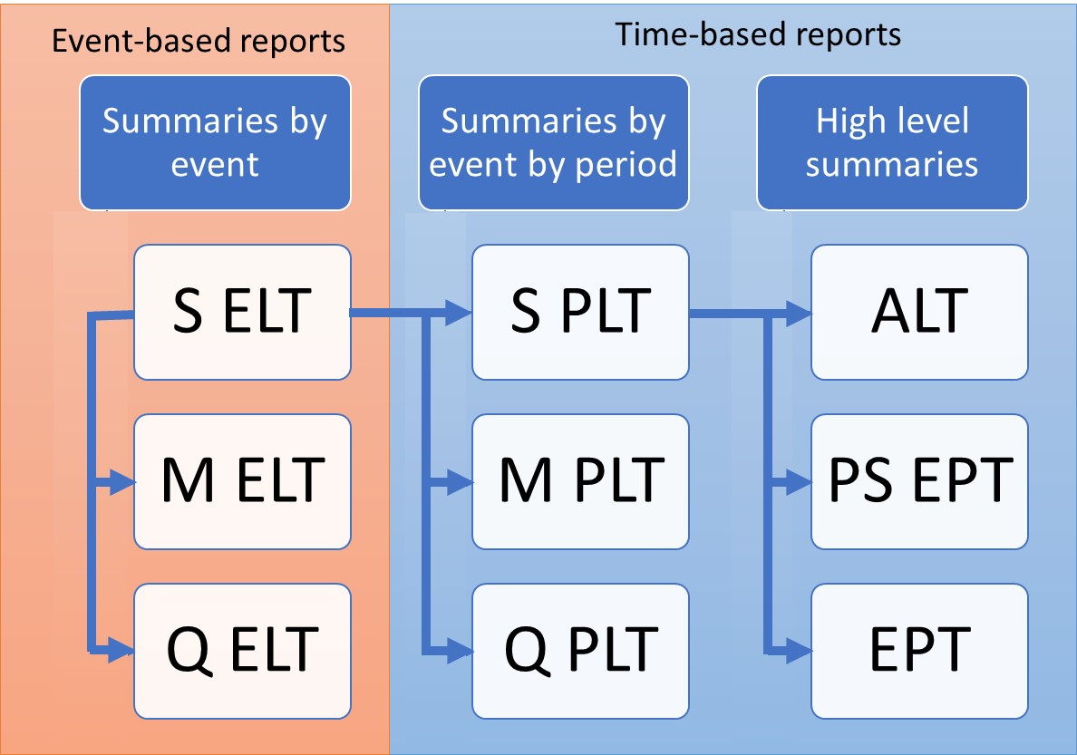
ORD Exceedance Probability Table
Full Uncertainty (EPCalc = 2)
Purpose
To demonstrate the calculation of Open Results Data Full Uncertainty Exceedance Probability Table, derived from Sample PLT
Sample PLT is derived from Sample ELT as demonstrated in SELT_SPLT.xls

Data
Subset of results from running PiWind 10 locations against PiWind model in the Oasis Platform
* Events 1-142
* Periods 1-100
* SummaryId 1 represents 'All risks' summary level

Worksheets
Period | Reference: The range of periods in the model. The maximum number of periods in a model is needed to compute return periods.

SampleId | Reference: The range of SampleIds in the output data. The maximum number of samples in a run is needed to compute return periods for Full Uncertainty EPTs

ReturnPeriods | Input: The return periods requested by the user for loss output

SPLT | Output: The Sample Period Loss Table is derived from the Sample Event Loss Table and the occurrence file (See SELT_SPLT.xls). This is used as a basis for all EPTs.

EPT OEP Full Uncertainty | Output: The Full Uncertainty EPT contains the return period losses for all samples of all periods. The OEP losses are computed by taking the maximum event loss in each period, for each sample and SummaryId.
 | The sample period losses are ranked and return periods computed by taking the frequency (the rank) of sampled periods where the loss is exceeded relative to the total number of sampled periods.
 | Note that periods with no losses are not shown.

EPT AEP Full Uncertainty | Output: The Full Uncertainty EPT contains the return period losses for all samples of all periods. The AEP losses are computed by taking the sum of the event losses in each period, for each sample and SummaryId.
 | The sample period losses are ranked and return periods computed by taking the frequency (the rank) of sampled periods where the loss is exceeded relative to the total number of sampled periods.
 | Note that periods with no losses are not shown.

Charts | The Full Uncertainty EPT return period charts for OEP and AEP EPType side by side

Charts
OEP
AEP
Full Uncertainty Return Period Loss charts
 |  |  |  | Loss | EPType | EPCalc
 |  |  |  |  | 3
 |  |  |  | ReturnPeriod | 2
 |  |  |  | 5 | 424333.12
 | Loss | EPType | EPCalc | 10 | 912356.31
 |  | 1 |  | 25 | 1861481.19
 | ReturnPeriod | 2 |  | 50 | 3547672.23
 | 5 | 339008.69 |  | Grand Total | 3547672.23
 | 10 | 706632.06
 | 25 | 1340967.5
 | 50 | 1688121.38
 | Grand Total | 1688121.38

