Information
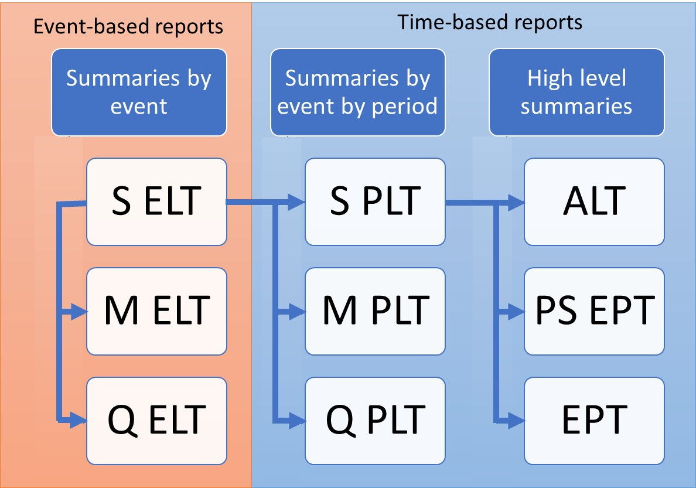
ORD Exceedance Probability Table
Sample Mean (EPCalc = 4)
Purpose
To demonstrate the calculation of Open Results Data Sample Mean Exceedance Probability Table, derived from Sample Period Loss Table

Data
Subset of results from running PiWind 10 locations against PiWind model in the Oasis Platform
* Events 1-142
* Periods 1-100
* SummaryId 1 represents 'All risks' summary level

Worksheets
Period | Reference: The range of periods in the model. The maximum number of periods in a model is needed to compute return periods.

SampleId | Reference: The range of SampleIds in the output data. The maximum number of samples in a run is needed to compute return periods for Full Uncertainty EPTs

ReturnPeriods | Input: The return periods requested by the user for loss output

SPLT | Output: The Sample Period Loss Table is derived from the Sample Event Loss Table and the occurrence file (See SELT_SPLT.xls). This is used as a basis for all EPTs.

Losses By Period | Calculation: Computing the Sample Mean EPT is performed in two stages. First, the Losses By Period is calculated.
 | In this calculation the event losses in the SPLT are grouped by sample by period, using the maximum for OEPs losses (EPType 1) and the sum for AEP losses (EPType 3).
 | The Losses By Period table is the input for the final calculation in worksheets EPT Sample Mean OEP and EPT Sample Mean AEP.

EPT Sample Mean OEP | Output: Using the Max of Loss results from the Losses by Period table, the losses are averaged across the samples to compute the Sample Mean Losses.
 | The sample mean losses are ranked and return periods computed by taking the frequency (the rank) of periods where the sample mean loss is exceeded relative to the total number of periods.
 | Note that periods with no losses are not shown.

EPT Sample Mean AEP | Output: Using the Sum of Loss results from the Losses by Period table, the losses are averaged across the samples to compute the Sample Mean Losses.
 | The sample mean losses are ranked and return periods computed by taking the frequency (the rank) of periods where the sample mean loss is exceeded relative to the total number of periods.
 | Note that periods with no losses are not shown.

Charts | The Sample Mean EPT return period loss charts for OEP and AEP loss side by side

Chart
OEP
AEP
Sample Mean Return Period Loss charts
 |  |  | Loss | EPType | EPCalc
Loss | EPType | EPCalc |  | 3
 | 1 |  | ReturnPeriod | 4
ReturnPeriod | 4 |  | 5 | 387422.873
5 | 383888.262 |  | 10 | 766757.61
10 | 576540.339 |  | 25 | 2033857.652
25 | 1482930.927 |  | 50 | 3750437.244
50 | 2033857.652 |  | Grand Total | 3750437.244
Grand Total | 2033857.652

