Information
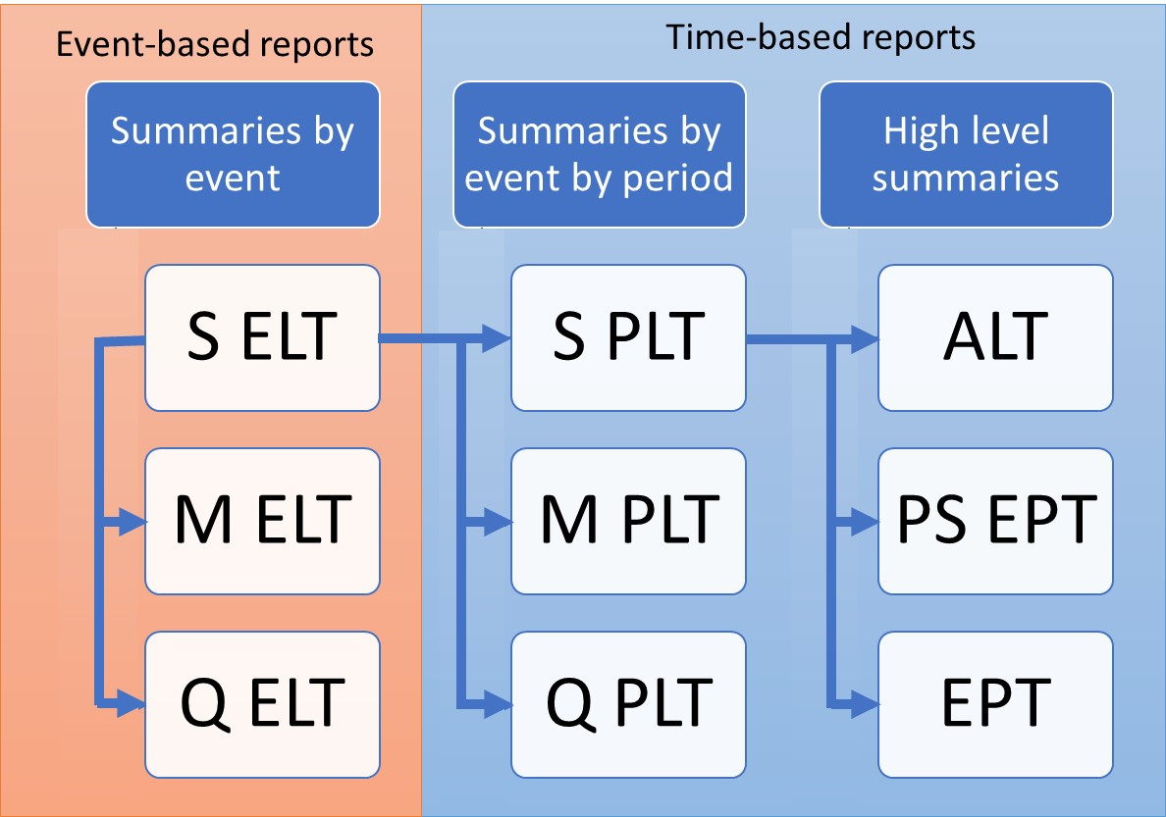
TVAR
Purpose
To demonstrate the calculation of Open Results Data OEP TVAR (EPType = 2) and AEP TVAR (EPType = 4)
These losses are derived directly from the EPType = 1 (OEP) and EPType = 3 (AEP) losses hence the starting point for calculating TVAR is the EPT or PSEPT.

Data
Subset of results from running PiWind 10 locations against PiWind model in the Oasis Platform
* Events 1-142
* Periods 1-100
* SummaryId 1 represents 'All risks' summary level

Worksheets
ReturnPeriods | Input: The return periods requested by the user for loss output

EPT OEP | Output: The EPT OEP Loss (EPType = 1) is used to derive EPT OEP TVAR Loss (EPType = 2). The data here is for EPCalc = 4 Sample Mean, but the same formula is applied for all EPCalcs and for PSEPT.
 | The table includes the periods that have no losses because these are needed to derive the TVAR at return periods where the return period loss is zero.

EPT AEP | Output: The EPT AEP Loss (EPType = 3) is used to derive EPT AEP TVAR Loss (EPType = 4). The data here is for EPCalc = 4 Sample Mean, but the same formula is applied for all EPCalcs and for PSEPT.
 | The table includes the periods that have no losses because these are needed to derive the TVAR at return periods where the return period loss is zero.

EPT OEP TVAR | Output: The OEP TVAR Loss is derived by taking the average of the sampled OEP losses in periods which exceed a given return period loss

EPT AEP TVAR | Output: The AEP TVAR Loss is derived by taking the average of the sampled AEP losses in periods which exceed a given return period loss

Charts | The return period loss charts for OEP and OEP TVAR, and AEP and AEP TVAR

Charts
Return Period Loss Charts

ReturnPeriod | OEP Loss | OEP TVAR Loss | ReturnPeriod | AEP Loss | AEP TVAR Loss
5 | 366079.697 | 1017672.5144 | 5 | 387422.873 | 1235903.7595
10 | 636477.078 | 1684222.4602 | 10 | 766757.61 | 1940741.3416
25 | 1837870.138 | 2667931.9475 | 25 | 2033857.652 | 3160085.6297
50 | 3400000 | 3400000 | 50 | 3750437.244 | 4216856.829

