Information
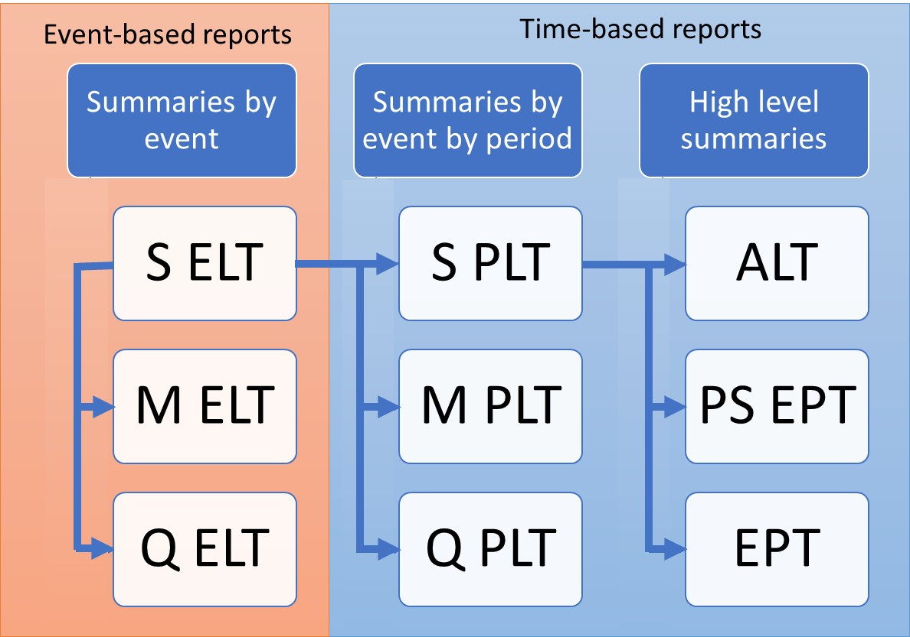
ORD Exceedance Probability Table
Mean Damage (EPCalc = 1) and Full Uncertainty (EPCalc = 2)
Purpose
To demonstrate the calculation of Open Results Data Exceedance Probability Table Mean Damage and Full Uncertainty, derived from Sample PLT
Sample PLT is derived from Sample ELT as demonstrated in SELT_SPLT.xls

Data
Subset of results from running PiWind 10 locations against PiWind model in the Oasis Platform
* Events 1-142
* Periods 1-100
* SummaryId 1 represents 'All risks' summary level

Worksheets
Period | Reference: The range of periods in the model. The maximum number of periods in a model is needed to compute return periods.

SampleId | Reference: The range of SampleIds in the output data. The maximum number of samples in a run is needed to compute return periods for Full Uncertainty EPTs

ReturnPeriods | Input: The return periods requested by the user for loss output

SPLT | Output: The Sample Period Loss Table is derived from the Sample Event Loss Table and the occurrence file (See SELT_SPLT.xls). This is used as a basis for all EPTs.

EPT Occ Mean Damage | Output: The Mean Damage EPT contains the return period losses for the mean damage (SampleId -1). The Occurrence losses are computed by taking the maximum event loss in each period, for each SummaryId.
 | The period losses are ranked and return periods computed by taking the frequency of years where the loss is exceeded (the rank) relative to the total number of periods. Note that periods with no losses are not shown.

EPT Agg Mean Damage | Output: The Mean Damage EPT contains the return period losses for the mean damage (SampleId -1). The Aggregate losses are computed by taking the sum of the event losses in each period, for each SummaryId.
 | The period losses are ranked and return periods computed by taking the frequency of years where the loss is exceeded (the rank) relative to the total number of periods. Note that periods with no losses are not shown.

EPT Occ Full Uncertainty | Output: The Full Uncertainty EPT contains the return period losses for all samples of all periods. The Occurrence losses are computed by taking the maximum event loss in each period, for each sample and SummaryId.
 | The sample period losses are ranked and return periods computed by taking the frequency (the rank) of sampled periods where the loss is exceeded relative to the total number of sampled periods.
 | Note that periods with no losses are not shown.

EPT Agg Full Uncertainty | Output: The Full Uncertainty EPT contains the return period losses for all samples of all periods. The Aggregate losses are computed by taking the sum of the event losses in each period, for each sample and SummaryId.
 | The sample period losses are ranked and return periods computed by taking the frequency (the rank) of sampled periods where the loss is exceeded relative to the total number of sampled periods.
 | Note that periods with no losses are not shown.

