Information
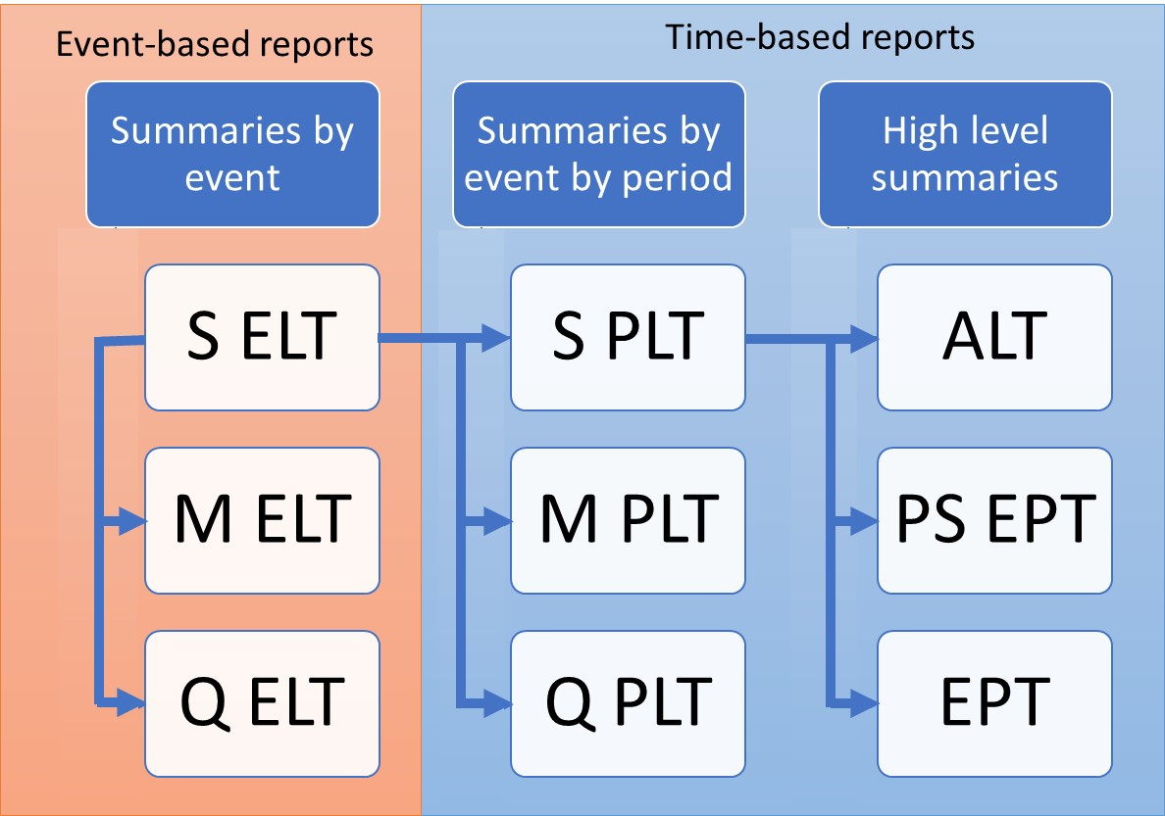
ORD Event Loss Tables
Purpose
To demonstrate the calculation of three variants of the Open Results Data Event Loss Table: Sample ELT (SELT), Moment ELT (MELT), Quantile ELT (QELT)

Data
Subset of results from running PiWind 10 locations against PiWind model in the Oasis Platform
* Events 1-142
* Periods 1-100
* SummaryId 1 represents 'All risks' summary level

Worksheets
SampleId | Reference: The range of SampleIds in the output data. The maximum number of samples in a run is needed to compute statistical moments.

Quantiles | Input: The quantiles which will be used to define the quantiles of loss in the Quantile ELT

SELT | Output: The Sample Event Loss Table is the primary output from a sample-based model run and the basis for all other outputs

MELT | Output: The Moment Event Loss Table summarizes each event's loss distribution by mean and standard deviation, derived from Sample ELT for sample-based platforms
 | Use SampleType 1 for analytical statistics, SampleType 2 for sample statistics

QELT | Output: The Quantile Event Loss Table summarizes each events loss distribution by user defined quantile, derived from Sample ELT for sample-based platforms

