Information
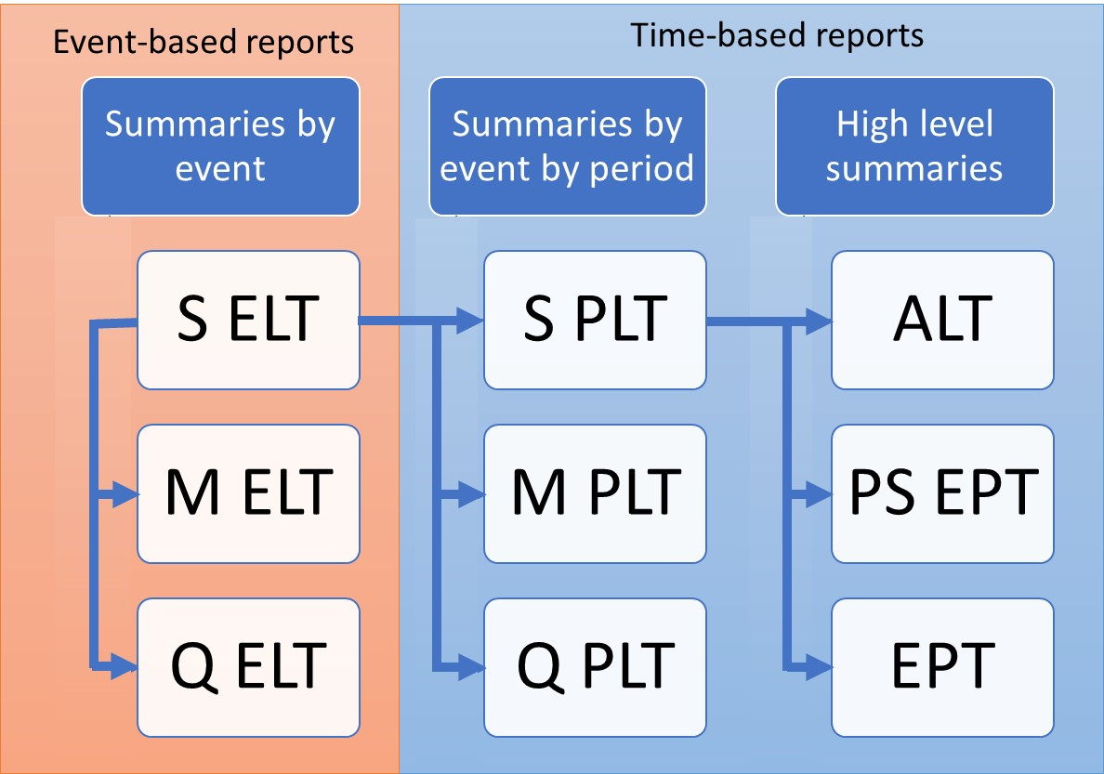
ORD Sample Loss Tables
Purpose
To demonstrate the calculation of the Open Results Data SELT and SPLT outputs

Data
Subset of results from running PiWind 10 locations against PiWind model
* Events 1-142
* Periods 1-100
* SummaryId 1 represents 'All risks' summary level

Worksheets
occurrence | Input: The occurrence data provides the timeline of events against a set of periods with the occurrence year, month and day. Normally provided as part of the model data

events | Input: The list of events in the model. Provided as part of the model data

SELT | Output: The Sample Event Loss Table is the primary output from an OasisLMF model run and the basis for all other outputs

SPLT | Output: The Sample Period Loss Table is calculated by joining the SELT to the occurrence file and outputting samples by event and period

