Information
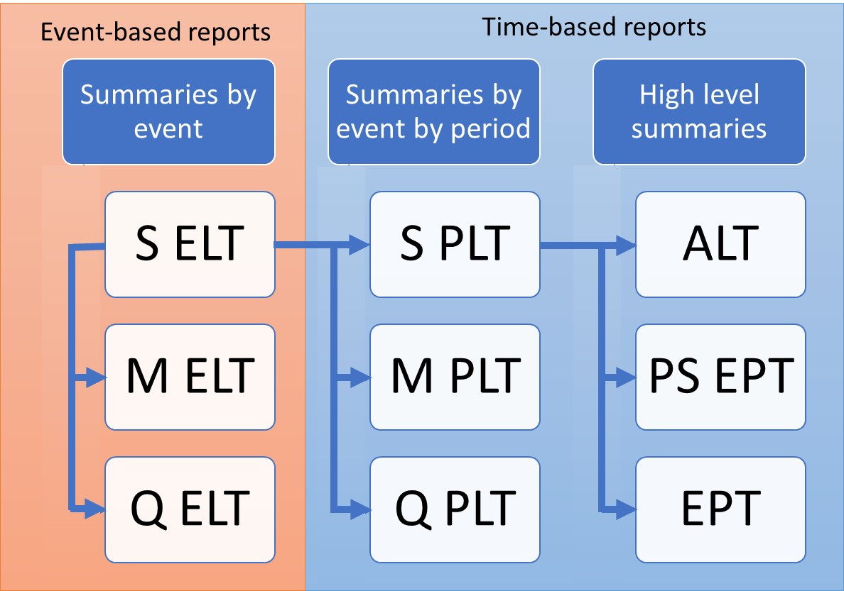
ORD Period Loss Tables
Purpose
To demonstrate the calculation of three variants of the Open Results Data Period Loss Table: Sample PLT (SPLT), Moment PLT (MPLT), Quantile PLT (QPLT)
Sample PLT is derived from Sample ELT as demonstrated in SELT_SPLT.xls

Data
Subset of results from running PiWind 10 locations against PiWind model in the Oasis Platform
* Events 1-142
* Periods 1-100
* SummaryId 1 represents 'All risks' summary level

Worksheets
SampleId | Reference: The range of SampleIds in the output data. The maximum number of samples in a run is needed to compute statistical moments.

Quantiles | Input: The quantiles which will be used to define the quantiles of loss in the Quantile PLT

SPLT | Output: The Sample Period Loss Table is derived from the Sample Event Loss Table and the occurrence file (See SELT_SPLT.xls).

MPLT | Output: The Moment Period Loss Table summarizes each event's loss distribution by mean and standard deviation with each event assigned to one or more periods.
 | Use SampleType 1 for analytical statistics, SampleType 2 for sample statistics

QPLT | Output: The Quantile Period Loss Table summarizes each events loss distribution by user defined quantile, with each event assigned to one or more periods

