FD-Series
FD-Series BOM (FD-2000 / FD-4000)

PCB Part ID | Value | Notes 1 | Notes 2 | Needed PER BUILD | Cost/each | Link
U1 - 2MHz | G65C02P-2 | 2MHz CMOS 6502 CPU |  | 1 | TBD | eBay (do a search, you'll find something)
U1 - 4MHz | R65C02P4 | 4MHz CMOS 6502CPU |  | 1 | TBD | eBay (do a search, you'll find something)
U2 | 27C512 | EPROM |  | 1 | TBD | eBay (do a search, you'll find something)
U3 | AS6C62256-55PCN | Alliance Memory Inc. |  | 1 | $7.95 | https://www.digikey.ca/en/products/detail/alliance-memory-inc/AS6C62256-55PCN/4234592
U5 | W65C22N6TPG-14 | CMOS 6522 |  | 1 | $14.39 | https://www.mouser.ca/ProductDetail/955-W65C22N6TPG-14
U6 | SN74F163AN |  |  | 1 | $0.17 | https://www.jameco.com/z/74F163AN-Major-Brands-Counter-IC-Binary-Counter-1-Element-4-Bit-Positive-Edge-DIP-16-Synchronous-Clear_245198.html
U7 | SN74LS74AN |  |  | 1 | $0.71 | https://www.mouser.ca/ProductDetail/Texas-Instruments/SN74LS74AN?qs=b0gIXGU74fP41yYZQO4%252BKQ%3D%3D
U8, U13 | SN74LS14N |  |  | 2 | $1.00 | https://www.mouser.ca/ProductDetail/Texas-Instruments/SN74LS14N?qs=sGAEpiMZZMutXGli8Ay4kBELecaPbA6Baz7mo8DTZQo%3D
U9 | 7406 |  |  | 1 | $1.04 | https://www.jameco.com/z/7406-Major-Brands-IC-7406-HEX-INVERTER-BUFFER-DRIVER_49091.html
U10 | 74LS38N |  |  | 1 | $1.28 | https://www.mouser.ca/ProductDetail/Texas-Instruments/SN74LS38N?qs=q2XTDbzbm6CPeB2W6c2jlg%3D%3D
U12 | SN74HC14N |  |  | 1 | $0.85 | https://www.jameco.com/z/SN74HC14N-TI-IC-74HC14-Hex-Inverting-Schmitt-Trigger_45364.html
U15 | DM7438N |  |  | 1 | $1.23 | https://www.jameco.com/z/7438-Major-Brands-IC-7438-QUAD-2-INPUT-NAND-BUFFER_50315.html
U16 | DM74LS20N |  |  | 1 | $1.86 | https://www.mouser.ca/ProductDetail/Texas-Instruments/SN74LS20N?qs=EIjG%252BN7kn%252BksyasuSGdb8A%3D%3D
U17 | GD74LS00 |  |  | 1 | $0.83 | https://www.mouser.ca/ProductDetail/Texas-Instruments/SN74LS00N?qs=sGAEpiMZZMutXGli8Ay4kFSXmDbOg0RMt%252BjPcJdnFE4%3D
U18 | 7805CP | 8421 | Linear Voltage Regulator | 1 | $1.77 | https://www.mouser.ca/ProductDetail/STMicroelectronics/L7805CP?qs=DUDHuK3gDFR9VUkjyO8Odg%3D%3D
U19 | X129-ND | ECS-100A-240 | XTAL OSC XO 24.0000MHz |  | $4.81 | https://www.digikey.ca/en/products/detail/ecs-inc/ECS-100A-240/79226

PLCC-68 Socket | PLCC-68-AT | 2057-PLCC-68-AT-ND |  | 1 | $3.25 | https://www.digikey.ca/en/products/detail/adam-tech/PLCC-68-AT/9833042
PLCC-52 Socket | PLCC-52-AT | 2057-PLCC-52-AT-ND |  | 1 | $3.05 | https://www.digikey.ca/en/products/detail/adam-tech/PLCC-52-AT/9833068
Floppy Controller | DP8473AV | S9236AV / 1987 | FD-2K Controller | 1 | Varies | https://www.ebay.ca/itm/114253744579
Floppy Controller | PC8477BV-1 | NS024AD / ©/M 1991 A | FD-4K Controller | 1 | Varies | https://www.ebay.ca/itm/193838066095

LED1, 2, 3 | 5MM LED | 2 - Red, 1 - Green |  |  |  | https://www.ebay.ca/itm/386332862768

R1, R7, R11, R3, R26, R28, R4, R23, R20, R21, R22, R29 | 10K / 5% | Brn / Blk / Org / Gold |  | 12 | $0.15 | https://www.mouser.ca/ProductDetail/KOA-Speer/MF1-4LCT52R103J?qs=DG1n8gfZNTsQyNkYIaO24A%3D%3D
R5, R9, R10, R14, R18 | 470R / 5% | Yel / Pur / Brn / Gold |  | 5 | $0.15 | https://www.mouser.ca/ProductDetail/KOA-Speer/MF1-4LCT52R471J?qs=91WPSIiQh9IAnV11G8%2Fw0Q%3D%3D
R2, R25, R8 | 220R / 5% | Red / Red / Brn / Gold |  | 3 | $0.15 | https://www.mouser.ca/ProductDetail/KOA-Speer/MF1-4LCT52R221J?qs=91WPSIiQh9JIjB%2FAtwkZiw%3D%3D
R27, R30,R19, R24 | 1K / 5% | Brn / Blk / Red / Gold | If modifying an HD drive, you'll need 1 for that. | 4 | $0.15 | https://www.mouser.ca/ProductDetail/KOA-Speer/MF1-4LCT52R102J?qs=DG1n8gfZNTuu%252B1dyzP%252BubA%3D%3D
R12 | 560R / 5% | Grn / Blu / Brn / Gold |  | 1 | $0.15 | https://www.mouser.ca/ProductDetail/KOA-Speer/MF1-4LCT52R561J?qs=91WPSIiQh9J8mZ0hXvr%2FfQ%3D%3D
R13 | 5.62K / 1% | Grn / Blu / Red / Brn / Brn |  | 1 | $0.28 | https://www.mouser.ca/ProductDetail/KOA-Speer/MF1-4DCT52R5R62F?qs=lzQMruFkPG1G6PjsiE0GAA%3D%3D

IEC1, 2 |  | IEC connectors |  | 2 |  | https://www.ebay.ca/itm/114190129239
4 Position DIP SW |  | AMP 9227 / 435802-3 / * OFF |  | 1 | $1.14 | https://www.digikey.ca/en/products/detail/cts-electrocomponents/195-4MST/61478
Push Button | 6x6x10mm | Momentary Right Angle | Tactile 2 pin | 1 | $3.99/50pcs | https://www.ebay.ca/itm/182363335361
P3 |  | Barrel Connector |  | 1 | $1.81 | https://www.mouser.ca/ProductDetail/SparkFun/PRT-00119?qs=WyAARYrbSnbnQpS9xf%252Bx5A%3D%3D
4P Floppy pwr | Power Connector |  |  | 2 |  | https://www.ebay.ca/itm/155133425203

RP1, RP2 | 1K, bussed | RKL6S102 GW | 6p resistor array | 2 | $0.99 | https://www.mouser.ca/ProductDetail/Bourns/4606M-101-102LF?qs=5DXzRwmrLHFQqRAYa1Gabg%3D%3D
RP3 | 10K, bussed | A103GA / 120 | 6p resistor array | 1 | $0.97 | https://www.mouser.ca/ProductDetail/Bourns/4606M-101-103LF?qs=2bTIwLLrckQK2YyGqLkJ2w%3D%3D

CR1, CR2 | TFK / 1N4148 | Diode |  | 2 | $0.15 | https://www.mouser.ca/ProductDetail/onsemi-Fairchild/1N4148?qs=i4Fj9T%2FoRm8RMUhj5DeFQg%3D%3D

C1 | 47uf / 16V | 5mm Dia, 11mm tall, 2mm LS |  | 1 | $0.29 | https://www.mouser.ca/ProductDetail/KEMET/ESK476M016AC3KA?qs=gt1LBUVyoHkCduGTGGubTA%3D%3D
C2 | 561pf |  | 561 | 1 |  | https://www.digikey.ca/en/products/detail/vishay-beyschlag-draloric-bc-components/D561K20Y5PH63J5R/2830797
C3 | .T:153 | Ceramic capacitor | 15nf | 1 | $0.35 | https://www.mouser.ca/ProductDetail/TDK/FG28X7R1H153KNT00?qs=vNwBHymccZ9igNVyJ6Z9FA%3D%3D
C4 | .T:123 | Ceramic capacitor | 12 nf | 1 | $0.87 | https://www.mouser.ca/ProductDetail/Murata-Electronics/RDE5C1H123J1K1H03B?qs=IAJIiSVA5G9QwsjSX2R4QQ%3D%3D
C5 | .U:333 | Ceramic capacitor | 33 nf | 1 | $0.35 | https://www.mouser.ca/ProductDetail/TDK/FG28X7R1H333KNT06?qs=qf2ddTMq67WY1FOf%2Fv0ktQ%3D%3D
C6 | 100uf / 16v | 6.5mm Dia, 11mm Tall, 2mm LS |  | 1 | $0.16 | https://www.mouser.ca/ProductDetail/Wurth-Elektronik/860010372006?qs=0KOYDY2FL29Ggp2VaG847w%3D%3D
C10 | 102K |  |  | 1 | $0.55 | https://www.mouser.ca/ProductDetail/Vishay-BC-Components/F102K39Y5RN6TK5R?qs=Zix4r1UhwbXZRdVpZ5cHNw%3D%3D
DC17 | 10 / 16V | Ceramic Polarized Capacitor |  | 1 | $0.96 | https://www.mouser.ca/ProductDetail/KYOCERA-AVX/TAP106K016SRW?qs=OZVHsXXMeBUUOjw%2FNjMjTw%3D%3D
DC11,12,6,1,7,C9 14,10,3,15,4,2,8 13,5,13A | 104 | Ceramic Capacitors |  | 16 | $0.29 | https://www.mouser.ca/ProductDetail/Vishay-BC-Components/K104K15X7RF5TH5?qs=CuWZN%2F5Vbiofhf%252BuZNGw%2Fg%3D%3D

FB14, 4, 5, 6, 1, 2, 3, 15, 10, 11, 12, 13, 8 | Ferrite Beads |  | 3.5mm x 6.7mm | 13 | $0.29 | https://www.digikey.ca/en/products/detail/fair-rite-products-corp/2743003112/8594219

FD-2000 Drive Mech |  |  |  | 1 |  | Compatible Drives: (search anywhere convenient to you) Newtronics D359T5 Sony MPF520-1 Samsung 321B TEAC FD-235F-6240 TEAC FD-235F-7291 TEAC FD-235F-A291 TEAC FD-235F-C891 TEAC FD-235F-C429
FD-4000 Drive Mech |  |  |  | 1 |  | Compatible Drive: (search anywhere convenient to you) TEAC FD-235J-5670-U

Power Supply
9V / 1A | Center Positive | Product ID: 63 | 5.5mm/2.1mm barrel jack | 1 | $8.95 | https://www.adafruit.com/product/63
Barrel Connector |  |  | 5.5mm/2.1mm barrel jack | 1 | $1.08 | https://www.digikey.ca/en/products/detail/tensility-international-corp/54-00166/10459294
Power Switch | DPST /on-off |  |  | 1 | $2.17 | https://www.digikey.ca/en/products/detail/cw-industries/GRS-4021-0002/3190608

OPTIONAL - RTC Circuit
RTC | DS1315S336 | Maxim / 16-SOIC | Phantom Time Chip 3,3v | 1 | 35.45 | https://www.digikey.ca/en/products/detail/analog-devices-inc-maxim-integrated/DS1315S-33/1196899
CT1, CT2 | 10uf / 0805 | C0805C106K8PAC7800 |  | 2 | 0.2 | https://www.digikey.ca/en/products/detail/kemet/C0805C106K8PAC7800/1090830
32.768KHz | 370-1057-2-ND | CPFBZ-A2C4-32.768KD6 | 4-SOJ, 5.50mm pitch | 1 | 0.93 | https://www.digikey.ca/en/products/detail/cardinal-components-inc/CPFBZ-A2C4-32-768KD6/3748490
VRT | AMS1117 | SOT-223-3L \ AMS1117-3.3 | 3.3v Voltage Regulator | 1 | 0.73 | https://www.digikey.ca/en/products/detail/umw/AMS1117-3-3/17635254
CR2032 | Coin Cell Holder | 20mm Lead Spacing |  | 1 | TBD | https://www.ebay.ca/itm/166196377549

OPTIONAL - Onboard Power LED
R31 | 1K / 0805 | RMCF0805FT1K00TR-ND |  | 1 | 0.15 | https://www.digikey.ca/en/products/detail/stackpole-electronics-inc/RMCF0805FT1K00/1760090
LD1 | 3147-B1701URO-20D000114U1930TR-ND |  |  | 1 | 0.15 | https://www.digikey.ca/en/products/detail/harvatek-corporation/B1701URO-20D000114U1930/16671739

HD (FD-2000) Floppy Drive Modification Notes
Every HD floppy drive noted above will require two modifications to function in an FD-2000 reproduction. If you have another make/model of HD floppy drive, feel free to try the modification, you may find it will work!
1. Remove the DS1 jumper
2. Jumper DS0
3. Connect a 1k resistor between pin 2 of the floppy drive connector (on the floppy drive itself) to +5V on the floppy drive. You will need a meter to definitively determine these locations.

ED (FD-4000) Floppy Drive Modification Notes
There are no hardware modifications required for the TEAC ED drive.
Based on a functioning preconfigured original TEAC ED drive, these are the jumper settings for that drive to function in an FD-4000 reproduction drive.
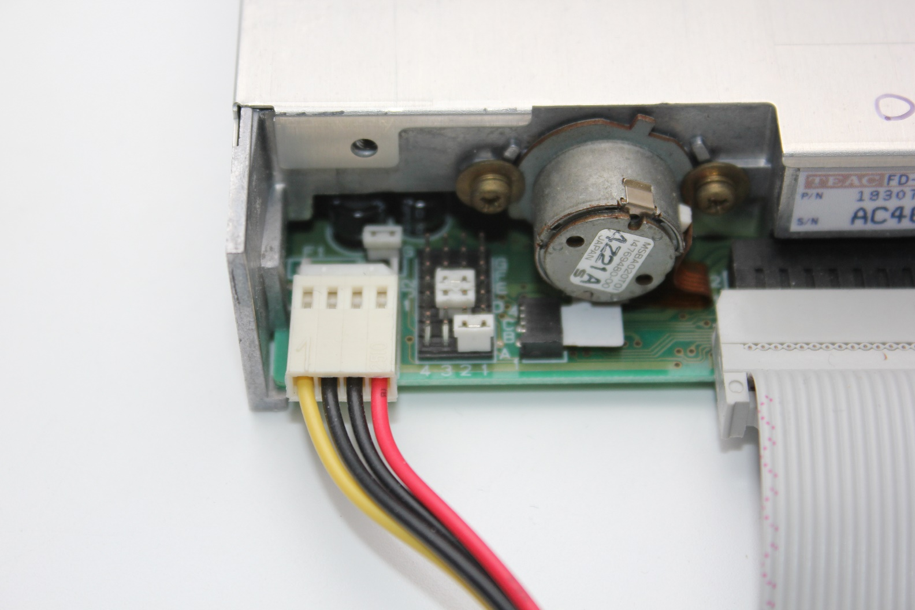

FD-Series (FD-2000 / FD-4000 Metal and 3D Printed FDM/SLA) Cases
PCBWay Shared Projects |  | https://www.pcbway.com/project/shareproject/Creative_Micro_Designs_Inc_CMD_FD_2000_FD_4000_Case_25d8f96a.html
 |  | https://www.pcbway.com/project/shareproject/Creative_Micro_Designs_Inc_CMD_FD_2000_FD_4000_3D_Printable_Case_65080768.html
COREi64.com |  | https://corei64.com/shop/index.php?route=product/product&product_id=454

OPTIONAL - Heatsink for Linear Regulator when using plastic case
Heatsink | 274-3AB | 567-274-3AB |  | 1 | 0 |  | 0.41 | https://www.mouser.ca/ProductDetail/Wakefield-Vette/274-3AB?qs=8GtUBYxqNFCzw%252BhYO2j%2FLQ%3D%3D

