Lateral FF
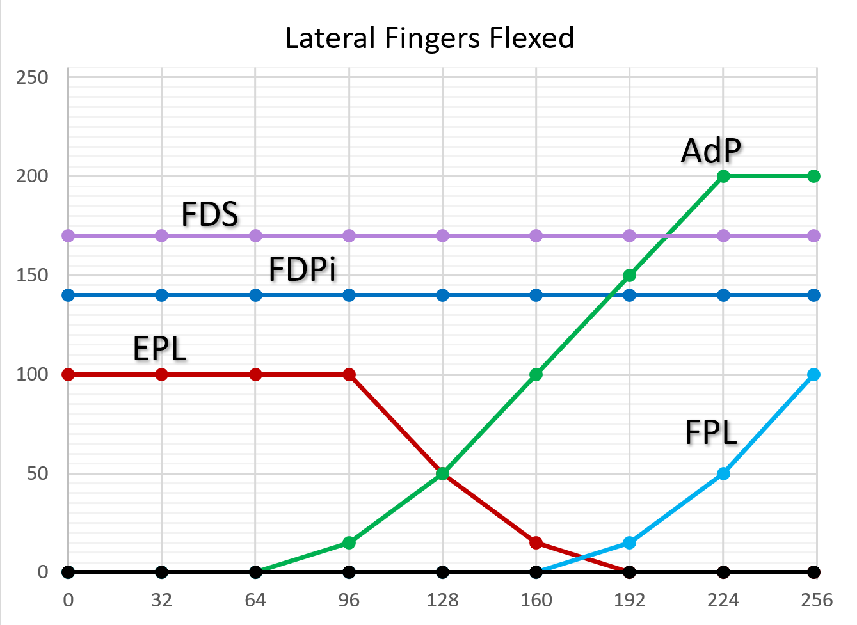
Lateral Fingers Flexed
BP | 1 | 2 | 3 | 4 | 5 | 6 | 7 | 8 | 9
Command | 0 | 32 | 64 | 96 | 128 | 160 | 192 | 224 | 255
MuscleType
WE | 0 | 0 | 1 | 1.2 | 1.4 | 1.6 | 1.8 | 2 | 2
WF | 0 | 0 | 0 | 0 | 0 | 0 | 0 | 0 | 0
FDS | 2 | 2 | 2 | 2 | 2 | 2 | 2 | 2 | 2
FDP | 2 | 2 | 2 | 2 | 2 | 2 | 2 | 2 | 2
INT | 0 | 0 | 0 | 0 | 0 | 0 | 0 | 0 | 0
FE | 0 | 0 | 0 | 0 | 0 | 0 | 0 | 0 | 0
TE | 2 | 2 | 2 | 2 | 1.5 | 1 | 0 | 0 | 0
TF | 0 | 0 | 0 | 0 | 0 | 0 | 1 | 1.5 | 2
TAD | 0 | 0 | 0 | 1 | 1.25 | 1.5 | 1.75 | 2 | 2
TABB | 0 | 0 | 0 | 0 | 0 | 0 | 0 | 0 | 0
TABL | 0 | 0 | 0 | 0 | 0 | 0 | 0 | 0 | 0
TRI | 0 | 0 | 0 | 0 | 0 | 0 | 0 | 0 | 0
OTH | 0 | 0 | 0 | 0 | 0 | 0 | 0 | 0 | 0

Th | 1
Max | 2
Intermediate | 1.x |  |  |  |  |  |  |  |  | Plots generated in separate file, Pattern Plots for Templates Rev N.xlsx
 |  |  |  |  |  |  |  |  |  | That allows better spacing and muscle name examples

Lateral FR
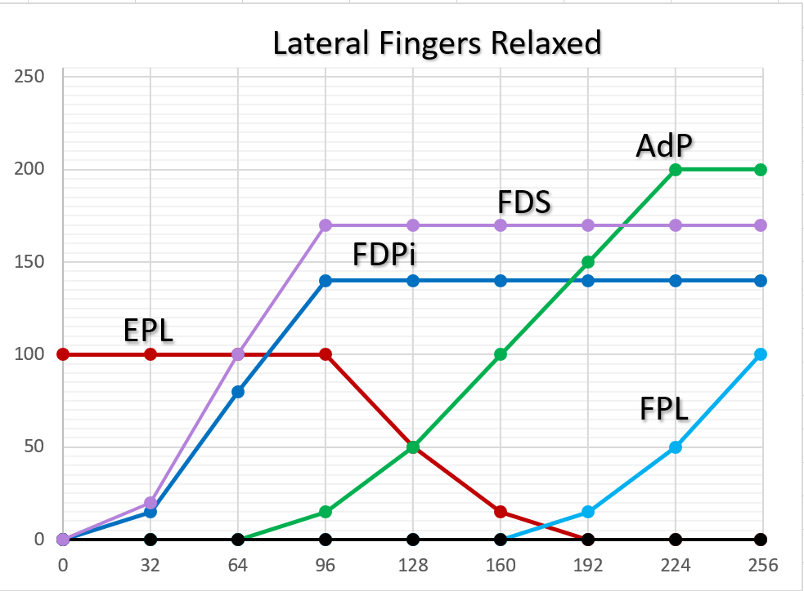
Lateral Fingers Relaxed
BP | 1 | 2 | 3 | 4 | 5 | 6 | 7 | 8 | 9
Command | 0 | 32 | 64 | 96 | 128 | 160 | 192 | 224 | 255
Muscle Type
WE | 0 | 0 | 1 | 1.2 | 1.4 | 1.6 | 1.8 | 2 | 2
WF | 0 | 0 | 0 | 0 | 0 | 0 | 0 | 0 | 0
FDS | 0 | 1 | 1.5 | 2 | 2 | 2 | 2 | 2 | 2
FDP | 0 | 1 | 1.5 | 2 | 2 | 2 | 2 | 2 | 2
INT | 0 | 0 | 0 | 0 | 0 | 0 | 0 | 0 | 0
FE | 0 | 0 | 0 | 0 | 0 | 0 | 0 | 0 | 0
TE | 2 | 2 | 2 | 2 | 1.5 | 1 | 0 | 0 | 0
TF | 0 | 0 | 0 | 0 | 0 | 0 | 1 | 1.5 | 2
TAD | 0 | 0 | 0 | 1 | 1.25 | 1.5 | 1.75 | 2 | 2
TABB | 0 | 0 | 0 | 0 | 0 | 0 | 0 | 0 | 0
TABL | 0 | 0 | 0 | 0 | 0 | 0 | 0 | 0 | 0
TRI | 0 | 0 | 0 | 0 | 0 | 0 | 0 | 0 | 0
OTH | 0 | 0 | 0 | 0 | 0 | 0 | 0 | 0 | 0

Th | 1
Max | 2
Intermediate | 1.x
 |  |  |  |  |  |  |  |  |  | Plots generated in separate file, Pattern Plots for Templates Rev N.xlsx
 |  |  |  |  |  |  |  |  |  | That allows better spacing and muscle name examples

Lateral FE
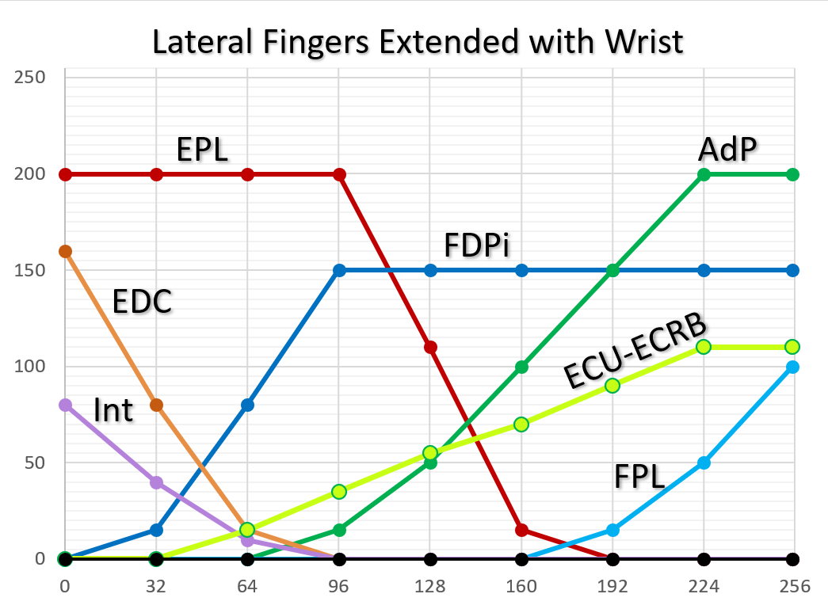
Lateral Fingers Extended
BP | 1 | 2 | 3 | 4 | 5 | 6 | 7 | 8 | 9
Command | 0 | 32 | 64 | 96 | 128 | 160 | 192 | 224 | 255
Muscle Type
WE | 0 | 0 | 1 | 1.2 | 1.4 | 1.6 | 1.8 | 2 | 2
WF | 2 | 1.5 | 1 | 0 | 0 | 0 | 0 | 0 | 0
FDS | 0 | 1 | 1.5 | 2 | 2 | 2 | 2 | 2 | 2
FDP | 0 | 1 | 1.5 | 2 | 2 | 2 | 2 | 2 | 2
INT | 2 | 1.5 | 1 | 0 | 0 | 0 | 0 | 0 | 0
FE | 2 | 1.5 | 1 | 0 | 0 | 0 | 0 | 0 | 0
TE | 2 | 2 | 2 | 2 | 1.5 | 1 | 0 | 0 | 0
TF | 0 | 0 | 0 | 0 | 0 | 0 | 1 | 1.5 | 2
TAD | 0 | 0 | 0 | 1 | 1.25 | 1.5 | 1.75 | 2 | 2
TABB | 0 | 0 | 0 | 0 | 0 | 0 | 0 | 0 | 0
TABL | 0 | 0 | 0 | 0 | 0 | 0 | 0 | 0 | 0
TRI | 0 | 0 | 0 | 0 | 0 | 0 | 0 | 0 | 0
OTH | 0 | 0 | 0 | 0 | 0 | 0 | 0 | 0 | 0

Th | 1
Max | 2
Intermediate | 1.x
 |  |  |  |  |  |  |  |  |  | Plots generated in separate file, Pattern Plots for Templates Rev N.xlsx
 |  |  |  |  |  |  |  |  |  | That allows better spacing and muscle name examples

Palmar
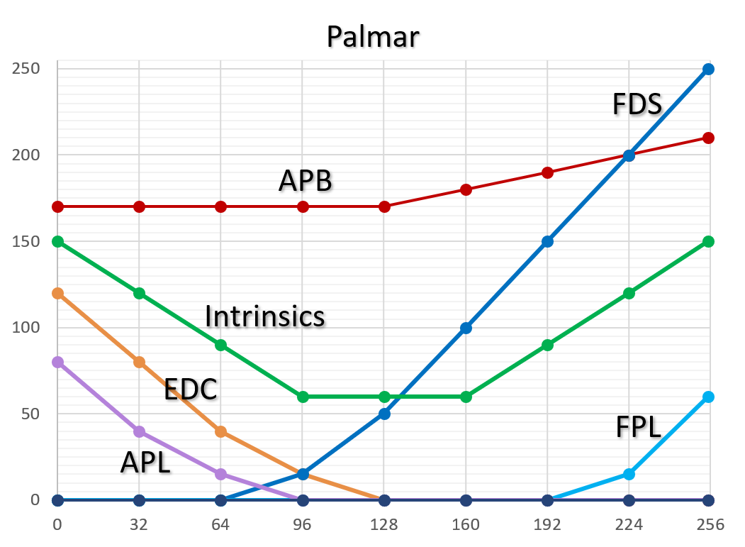
Palmar Regular
BP | 1 | 2 | 3 | 4 | 5 | 6 | 7 | 8 | 9
Command | 0 | 32 | 64 | 96 | 128 | 160 | 192 | 224 | 255
Muscle Type
WE | 0 | 0 | 0 | 0 | 1 | 1.25 | 1.5 | 1.75 | 2
WF | 2 | 1.75 | 1.5 | 1.25 | 1 | 0 | 0 | 0 | 0
FDS | 0 | 0 | 0 | 1 | 1.2 | 1.4 | 1.6 | 1.8 | 2
FDP | 0 | 0 | 0 | 0 | 0 | 0 | 0 | 0 | 0
INT | 2 | 1.6 | 1.3 | 1 | 1 | 1 | 1.3 | 1.6 | 2
FE | 2 | 1.6 | 1.3 | 1 | 0 | 0 | 0 | 0 | 0
TE | 0 | 0 | 0 | 0 | 0 | 0 | 0 | 0 | 0
TF | 0 | 0 | 0 | 0 | 0 | 0 | 0 | 1 | 2
TAD | 0 | 0 | 0 | 0 | 0 | 0 | 0 | 0 | 0
TABB | 1 | 1 | 1 | 1 | 1 | 1.25 | 1.5 | 1.75 | 2
TABL | 2 | 1.5 | 1 | 0 | 0 | 0 | 0 | 0 | 0
TRI | 0 | 0 | 0 | 0 | 0 | 0 | 0 | 0 | 0
OTH | 0 | 0 | 0 | 0 | 0 | 0 | 0 | 0 | 0

Th | 1
Max | 2
Intermediate | 1.x |  |  |  |  |  |  |  |  | Plots generated in separate file, Pattern Plots for Templates Rev N.xlsx
 |  |  |  |  |  |  |  |  |  | That allows better spacing and muscle name examples

Palmar Power
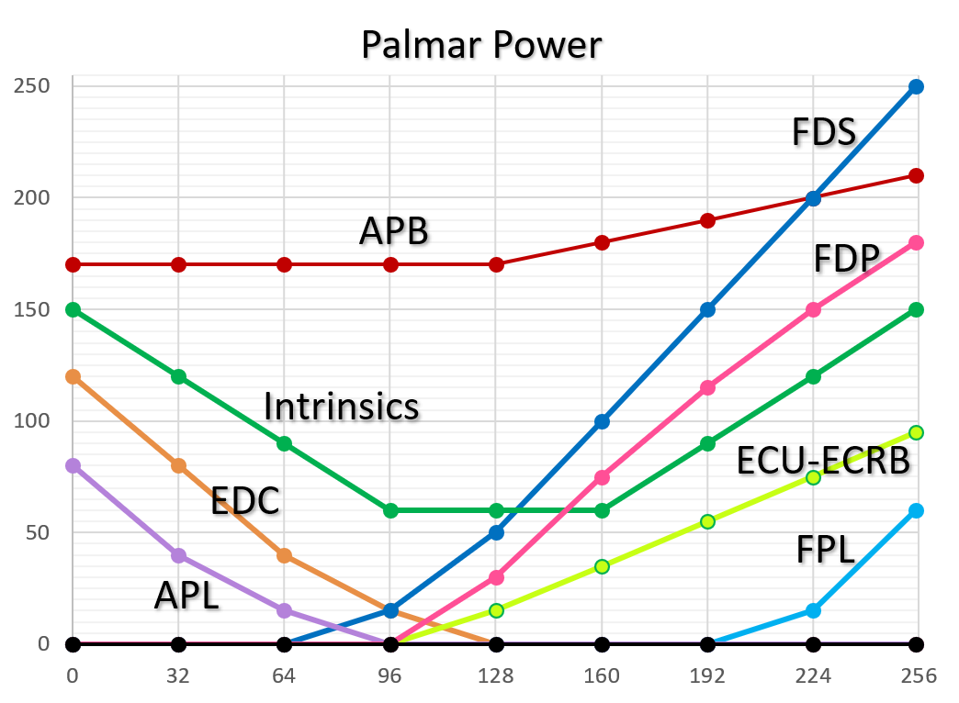
Palmar Power
BP | 1 | 2 | 3 | 4 | 5 | 6 | 7 | 8 | 9
Command | 0 | 32 | 64 | 96 | 128 | 160 | 192 | 224 | 255
Muscle Type
WE | 0 | 0 | 0 | 0 | 1 | 1.25 | 1.5 | 1.75 | 2
WF | 2 | 1.75 | 1.5 | 1.25 | 1 | 0 | 0 | 0 | 0
FDS | 0 | 0 | 0 | 1 | 1.2 | 1.4 | 1.6 | 1.8 | 2
FDP | 0 | 0 | 0 | 0 | 1 | 1.25 | 1.5 | 1.75 | 2
INT | 2 | 1.6 | 1.3 | 1 | 1 | 1 | 1.3 | 1.6 | 2
FE | 2 | 1.6 | 1.3 | 1 | 0 | 0 | 0 | 0 | 0
TE | 0 | 0 | 0 | 0 | 0 | 0 | 0 | 0 | 0
TF | 0 | 0 | 0 | 0 | 0 | 0 | 0 | 1 | 2
TAD | 0 | 0 | 0 | 0 | 0 | 0 | 0 | 0 | 0
TABB | 1 | 1 | 1 | 1 | 1 | 1.25 | 1.5 | 1.75 | 2
TABL | 2 | 1.5 | 1 | 0 | 0 | 0 | 0 | 0 | 0
TRI | 0 | 0 | 0 | 0 | 0 | 0 | 0 | 0 | 0
OTH | 0 | 0 | 0 | 0 | 0 | 0 | 0 | 0 | 0

Th | 1
Max | 2
Intermediate | 1.x |  |  |  |  |  |  |  |  | Plots generated in separate file, Pattern Plots for Templates Rev N.xlsx
 |  |  |  |  |  |  |  |  |  | That allows better spacing and muscle name examples

Palmar Light
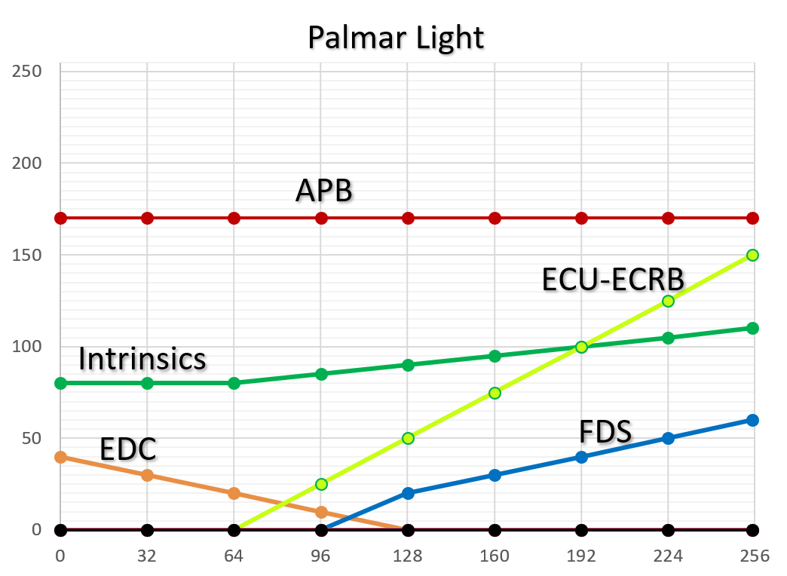
Palmar Light
BP | 1 | 2 | 3 | 4 | 5 | 6 | 7 | 8 | 9
Command | 0 | 32 | 64 | 96 | 128 | 160 | 192 | 224 | 255
Muscle Type
WE | 0 | 0 | 0 | 0 | 1 | 1.25 | 1.5 | 1.75 | 2
WF | 2 | 1.6 | 1.3 | 1 | 0 | 0 | 0 | 0 | 0
FDS | 0 | 0 | 0 | 0 | 1 | 1.25 | 1.5 | 1.75 | 2
FDP | 0 | 0 | 0 | 0 | 0 | 0 | 0 | 0 | 0
INT | 1 | 1 | 1 | 1.16 | 1.32 | 1.48 | 1.64 | 1.8 | 2
FE | 2 | 1.6 | 1.3 | 1 | 0 | 0 | 0 | 0 | 0
TE | 0 | 0 | 0 | 0 | 0 | 0 | 0 | 0 | 0
TF | 0 | 0 | 0 | 0 | 0 | 0 | 0 | 1 | 2
TAD | 0 | 0 | 0 | 0 | 0 | 0 | 0 | 0 | 0
TABB | 1 | 1 | 1 | 1 | 1 | 1 | 1 | 1 | 1
TABL | 2 | 1.5 | 1 | 0 | 0 | 0 | 0 | 0 | 0
TRI | 0 | 0 | 0 | 0 | 0 | 0 | 0 | 0 | 0
OTH | 0 | 0 | 0 | 0 | 0 | 0 | 0 | 0 | 0

Th | 1
Max | 2
Intermediate | 1.x |  |  |  |  |  |  |  |  | Plots generated in separate file, Pattern Plots for Templates Rev N.xlsx
 |  |  |  |  |  |  |  |  |  | That allows better spacing and muscle name examples

Triceps
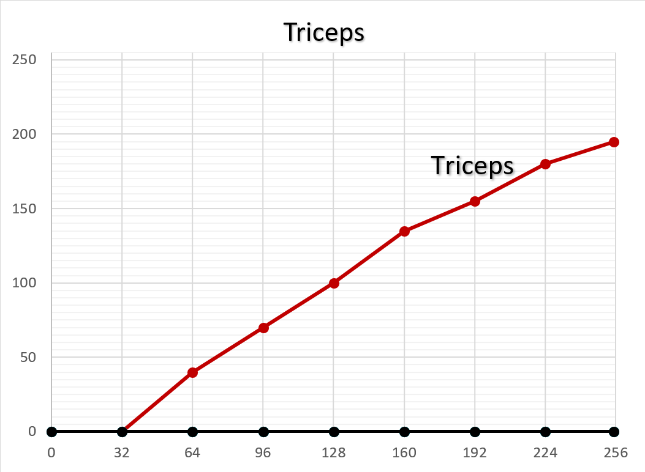
Palmar Light
BP | 1 | 2 | 3 | 4 | 5 | 6 | 7 | 8 | 9
Command | 0 | 32 | 64 | 96 | 128 | 160 | 192 | 224 | 255
Muscle Type
WE | 0 | 0 | 0 | 0 | 0 | 0 | 0 | 0 | 0
WF | 0 | 0 | 0 | 0 | 0 | 0 | 0 | 0 | 0
FDS | 0 | 0 | 0 | 0 | 0 | 0 | 0 | 0 | 0
FDP | 0 | 0 | 0 | 0 | 0 | 0 | 0 | 0 | 0
INT | 0 | 0 | 0 | 0 | 0 | 0 | 0 | 0 | 0
FE | 0 | 0 | 0 | 0 | 0 | 0 | 0 | 0 | 0
TE | 0 | 0 | 0 | 0 | 0 | 0 | 0 | 0 | 0
TF | 0 | 0 | 0 | 0 | 0 | 0 | 0 | 0 | 0
TAD | 0 | 0 | 0 | 0 | 0 | 0 | 0 | 0 | 0
TABB | 0 | 0 | 0 | 0 | 0 | 0 | 0 | 0 | 0
TABL | 0 | 0 | 0 | 0 | 0 | 0 | 0 | 0 | 0
TRI | 0 | 1 | 1.143 | 1.286 | 1.429 | 1.572 | 1.715 | 1.858 | 2
OTH | 0 | 0 | 0 | 0 | 0 | 0 | 0 | 0 | 0

Th | 1
Max | 2
Intermediate | 1.x
 |  |  |  |  |  |  |  |  |  | Plots generated in separate file, Pattern Plots for Templates Rev N.xlsx
 |  |  |  |  |  |  |  |  |  | That allows better spacing and muscle name examples

Exercise NoThContact
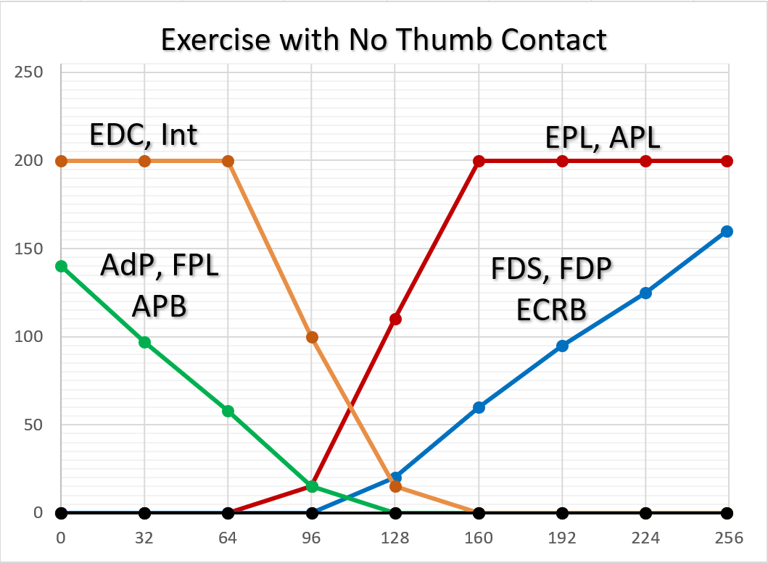
Exercise with No Thumb Contact
BP | 1 | 2 | 3 | 4 | 5 | 6 | 7 | 8 | 9
Command | 0 | 32 | 64 | 96 | 128 | 160 | 192 | 224 | 255
Muscle Type
WE | 0 | 0 | 0 | 0 | 1 | 1.25 | 1.5 | 1.75 | 2
WF | 2 | 1.6 | 1.3 | 1 | 0 | 0 | 0 | 0 | 0
FDS | 0 | 0 | 0 | 0 | 1 | 1.25 | 1.5 | 1.75 | 2
FDP | 0 | 0 | 0 | 0 | 1 | 1.25 | 1.5 | 1.75 | 2
INT | 2 | 1.5 | 1 | 0 | 0 | 0 | 0 | 0 | 0
FE | 2 | 1.5 | 1 | 0 | 0 | 0 | 0 | 0 | 0
TE | 2 | 2 | 2 | 2 | 1.5 | 1 | 0 | 0 | 0
TF | 2 | 1.6 | 1.3 | 1 | 0 | 0 | 0 | 0 | 0
TAD | 2 | 1.6 | 1.3 | 1 | 0 | 0 | 0 | 0 | 0
TABB | 2 | 1.6 | 1.3 | 1 | 0 | 0 | 0 | 0 | 0
TABL | 2 | 2 | 2 | 2 | 1.5 | 1 | 0 | 0 | 0
TRI | 0 | 0 | 0 | 0 | 0 | 0 | 0 | 0 | 0
OTH | 0 | 0 | 0 | 0 | 0 | 0 | 0 | 0 | 0

Th | 1
Max | 2
Intermediate | 1.x |  |  |  |  |  |  |  |  | Plots generated in separate file, Pattern Plots for Templates Rev N.xlsx
 |  |  |  |  |  |  |  |  |  | That allows better spacing and muscle name examples

