Task d
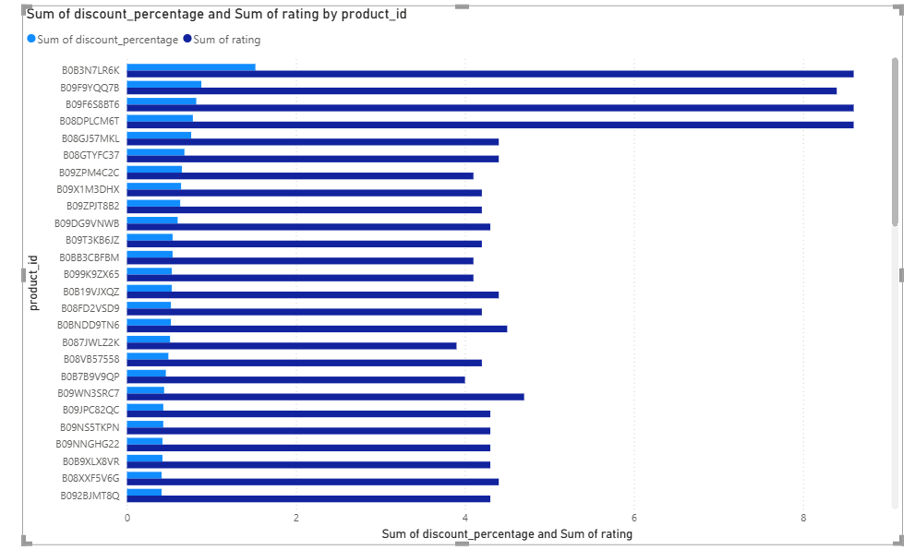

Steps:
Load the amazon dataset to power BI
Choose the line chart and and select these fields:
 | product_id, discount_percentage, rating

Storyline:

This visualization examines the relationship between product-level discount percentages and customer ratings to evaluate how pricing reductions impact perceived product quality.

Analysis:

The discount percentages display a gradual and consistent declining pattern across products, reflecting stable and regulated pricing strategies.
On the other hand, customer ratings vary significantly, showing noticeable rises and falls, which indicates that increased discounts do not always correspond to improved ratings.
Several products achieve strong ratings despite having lower discount levels, implying that elements other than price play a key role in shaping customer satisfaction.

Result:

Customer ratings show only a minimal correlation with discount levels, highlighting that product quality, usability, and overall user experience have a greater influence than the size of the discount.

Task e
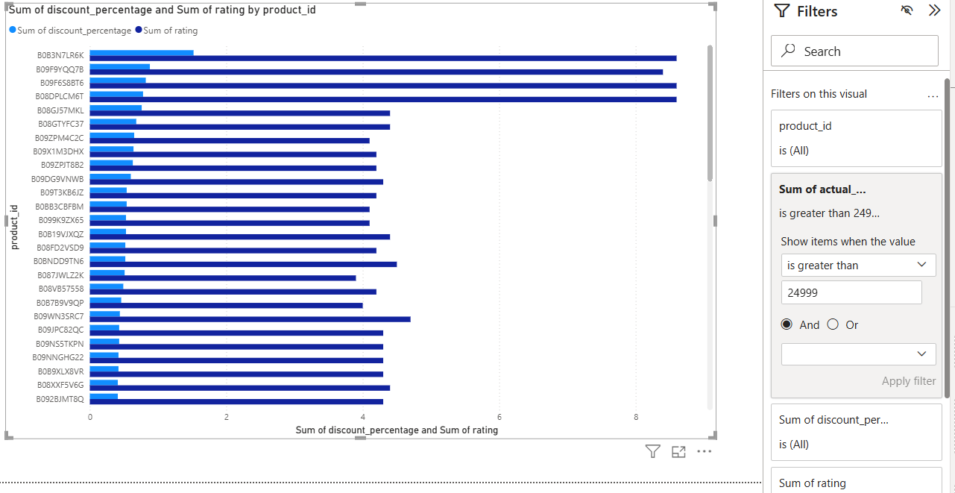
Steps:
Load the amazon dataset to power BI
Choose the line chart and and select these fields:
 | product_id, actual_price, discounted_price
Steps

Analysis:

The original prices show a gradual downward trend across the listed products.
Discounted prices consistently remain below the original prices while maintaining a similar overall pattern.
Certain products experience a significant reduction in price, indicating higher discount levels, whereas others show relatively smaller price reductions.

Result:

While discounts effectively lower product prices, the extent of price reduction varies from one product to another.

