Dashboard
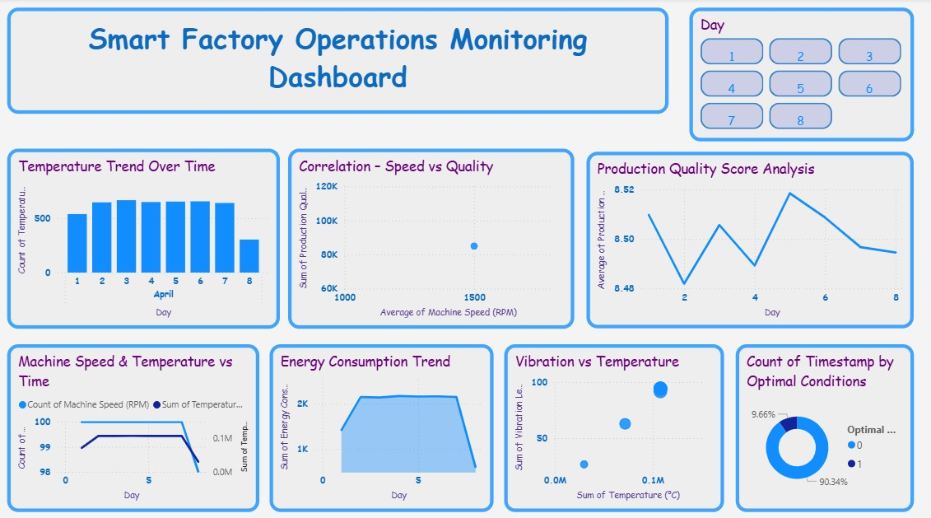
Storyline:
The dashboard monitors smart factory performance by tracking temperature, speed, vibration, energy use, and production quality over time.

Analysis:
Machine conditions remain mostly stable, quality scores stay high, speed positively impacts quality, and most operations occur under optimal conditions.

Result:
Overall production is efficient and well-controlled, with minor variations indicating scope for predictive maintenance and energy optimization.

