Star vs Snow
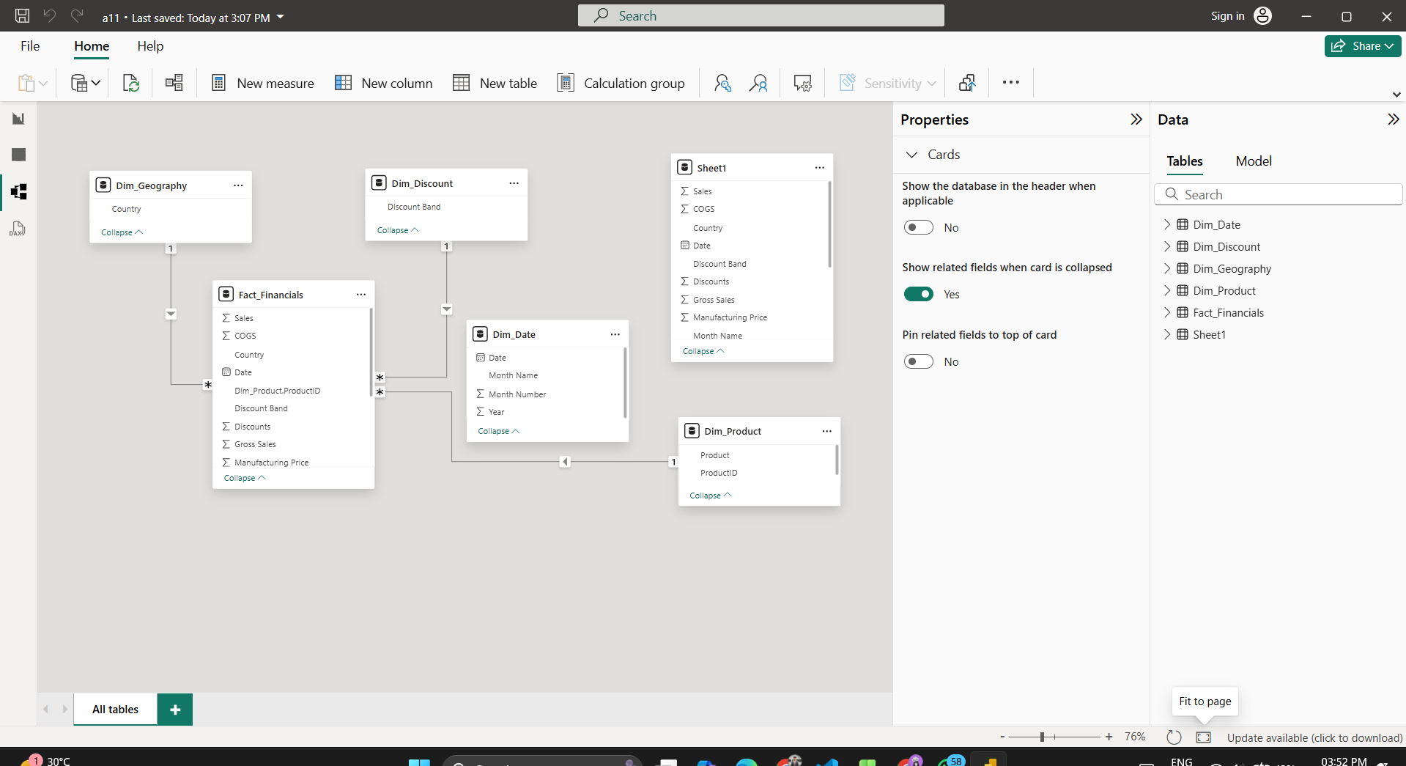
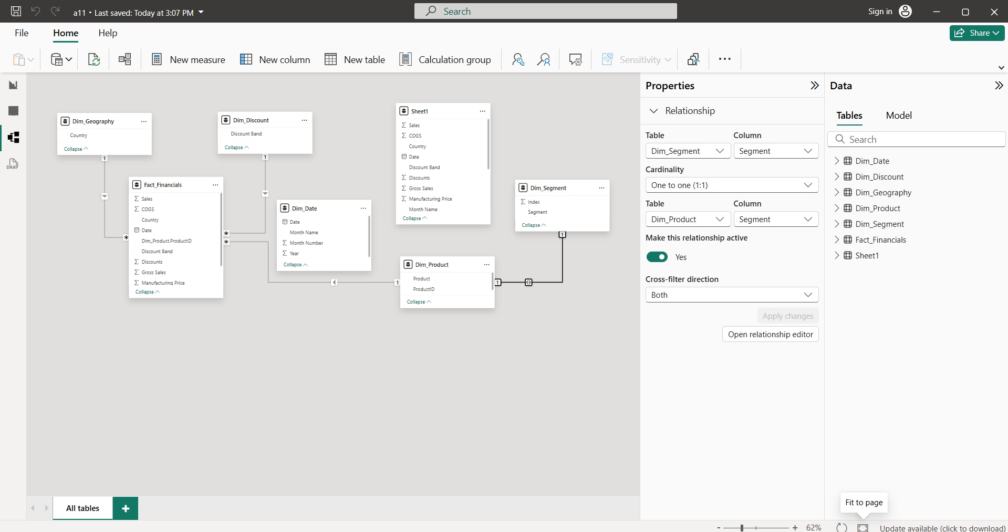
Star Schema – Power BI Financials Dataset | Snowflake Schema – Power BI Financials Dataset

Step 1: Loaded the Financials sample dataset into Power BI Desktop. | Step 1: Loaded the Financials sample dataset into Power BI Desktop.
Step 2: Opened Power Query Editor to perform data transformation. | Step 2: Created a Fact_Financials table with measures such as Sales, Profit, COGS, Discounts and Units Sold.
Step 3: Created a central fact table named Fact_Financials containing Sales, Gross Sales, Profit, COGS, Discounts and Units Sold along with dimension keys. | Step 3: Created initial dimension tables from the dataset including Product, Date, Country and Discount Band.
Step 4: Created dimension tables from the dataset: Dim_Product (Product, Segment), Dim_Geography (Country), Dim_Discount (Discount Band), Dim_Date (Date). | Step 4: Snowflaked the Product dimension by splitting it into Dim_Product and Dim_Segment tables.
Step 5: Removed duplicate records from all dimension tables to ensure unique dimension values. | Step 5: Generated SegmentID using Index Column and merged it into Dim_Product.
Step 6: Enhanced Dim_Date by adding Year, Month Name and Month Number columns. | Step 6: Snowflaked the Date dimension by splitting it into Dim_Date and Dim_Month tables.
Step 7: Sorted Month Name column using Month Number to maintain correct chronological order. | Step 7: Generated MonthID using Index Column and merged it into Dim_Date.
Step 8: Disabled load for the original Financials raw table to avoid redundancy in the data model. | Step 8: Removed duplicate values from all dimension and sub-dimension tables.
Step 9: Created Many-to-One, Single Direction relationships from Fact_Financials to all dimension tables. | Step 9: Kept Country and Discount Band as flat dimensions as no further hierarchy exists.
Step 10: Verified the Star Schema structure in the Model View where all dimensions are directly connected to the fact table. | Step 10: Disabled load of the original Financials dataset.
 | Step 11: Created Many-to-One, Single Direction relationships between fact, dimension and sub-dimension tables.
Relationships in Star Schema | Step 12: Verified the Snowflake Schema structure in the Model View.

Fact_Financials[Product] → Dim_Product[Product] | Relationships in Snowflake Schema
Fact_Financials[Country] → Dim_Geography[Country]
Fact_Financials[Discount Band] → Dim_Discount[Discount Band] | Fact_Financials[Product] → Dim_Product[Product]
Fact_Financials[Date] → Dim_Date[Date] | Fact_Financials[Country] → Dim_Geography[Country]
 | Fact_Financials[Discount Band] → Dim_Discount[Discount Band]
 | Fact_Financials[Date] → Dim_Date[Date]
 | Dim_Product[SegmentID] → Dim_Segment[SegmentID]
 | Dim_Date[MonthID] → Dim_Month[MonthID]

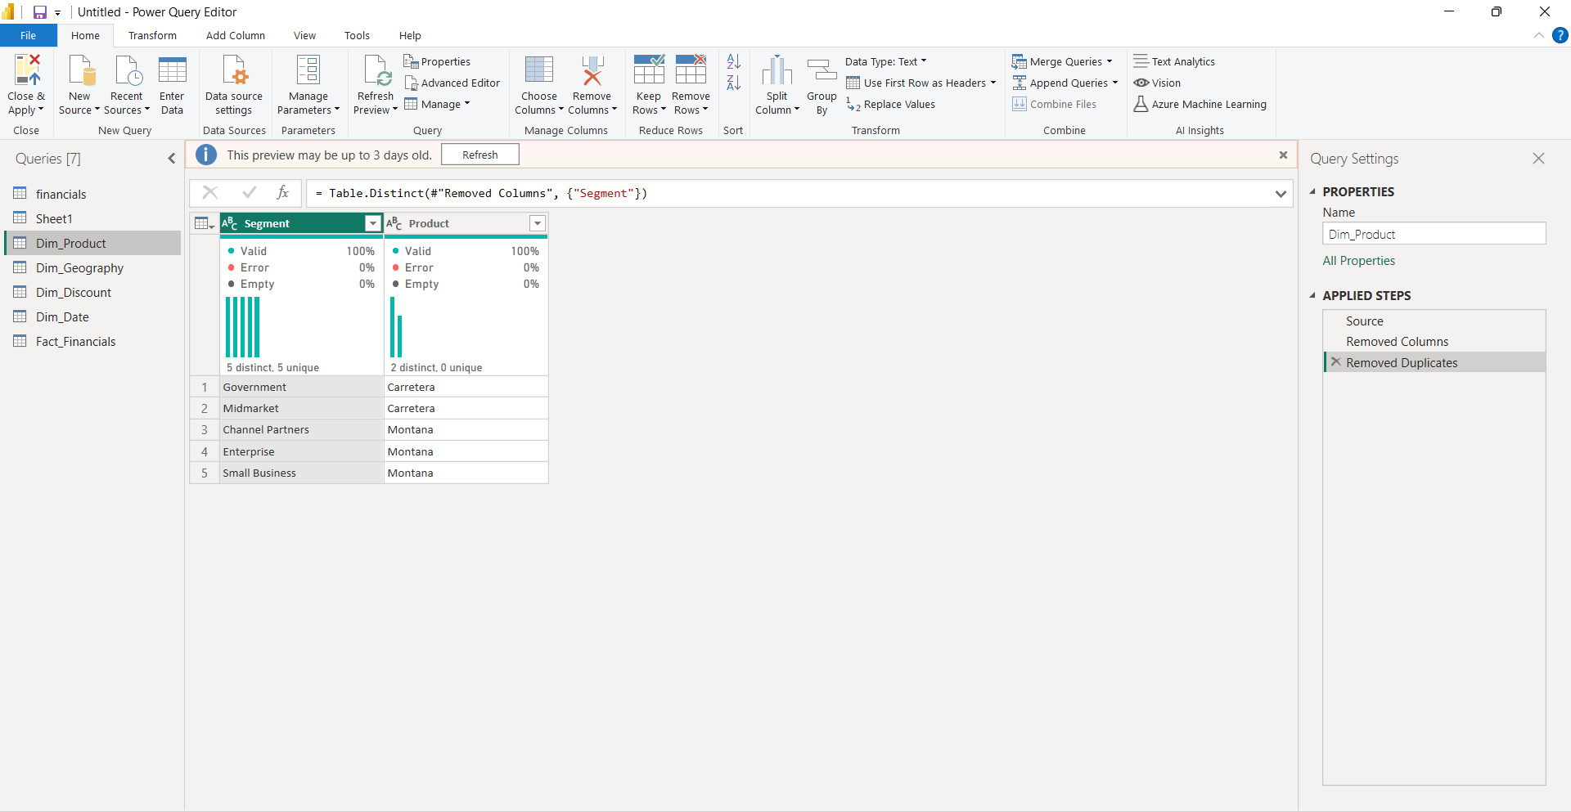

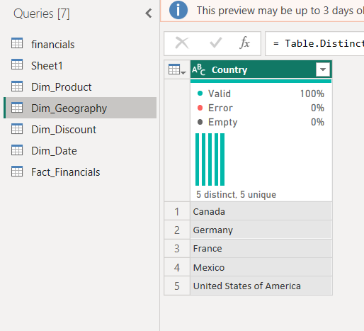
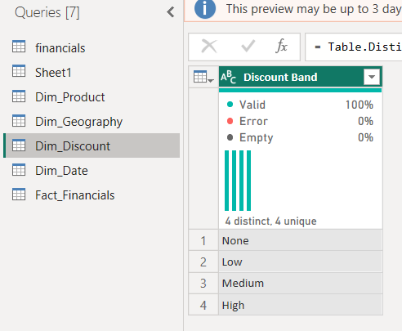
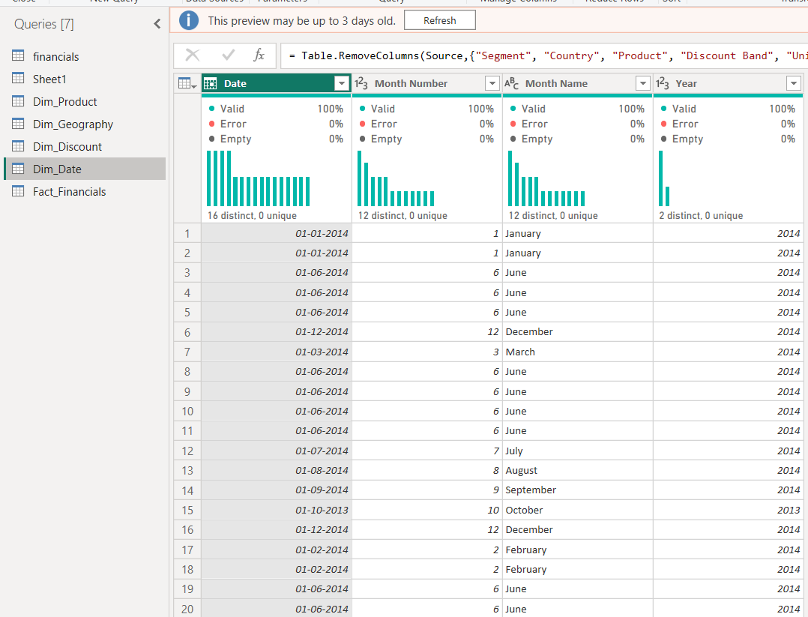
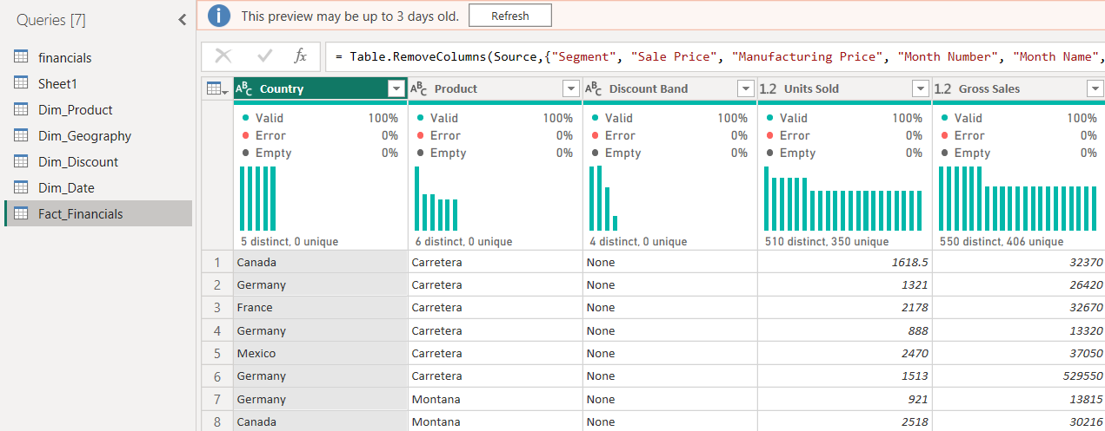

 |  | whats

Summarisation
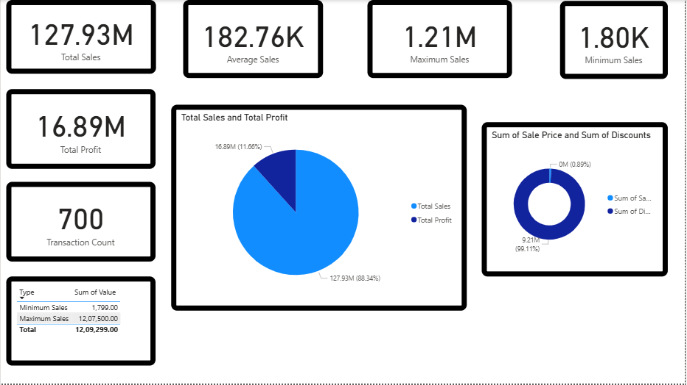
Summarization
Aggregate functions are used to summarize financial performance data in Power BI. Key metrics include Total Sales, Total COGS, Average Sales, Maximum Sales, Minimum Sales, and Transaction Count. Card visuals provide a quick overview of overall business performance. Donut chart compares maximum and minimum sales values to highlight variation. Column chart summarizes total sales by country/product/segment to identify top contributors. Bar chart can show sales vs COGS comparison for profitability analysis.
Results
Total sales amount to 119K across 20 transactions. Average sales per transaction are 5.94K. A large gap exists between maximum (10K) and minimum (673) sales values, showing variation in transaction size. Certain countries/products contribute more significantly to total revenue. COGS trends closely follow sales, indicating consistent cost structure. Summarized visualizations clearly highlight revenue distribution, performance trends, and profitability patterns.

