excel
The Top Value Droppers – 2 Days Comparison chart highlights stocks that recorded the largest decline in value over a two-day period. These stocks show a negative change in value compared to the previous period, reflecting reduced performance during the timeframe. The bars represent the magnitude of value drop for each stock, while the cumulative line shows their combined contribution to the total value decline. The chart helps identify stocks that contributed most significantly to the overall drop during the period.
Storyline The Top 10 Losers chart highlights stocks that experienced the largest decline in price during the period. These stocks show negative price movement, indicating selling pressure or weaker performance compared to others in the same timeframe. The bars represent the magnitude of price decline for each stock, helping to identify the stocks that contributed most to the overall downward movement during the period.

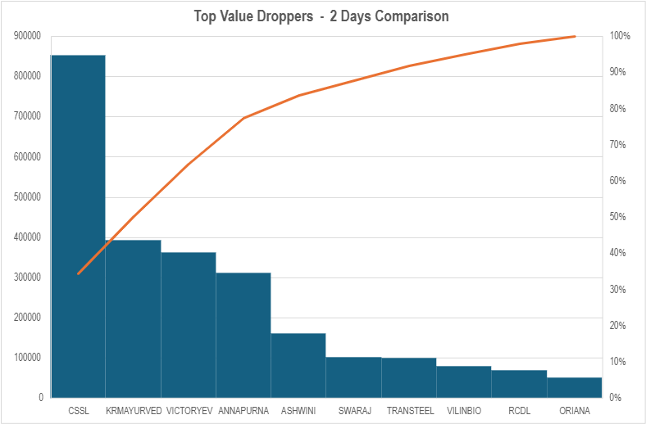
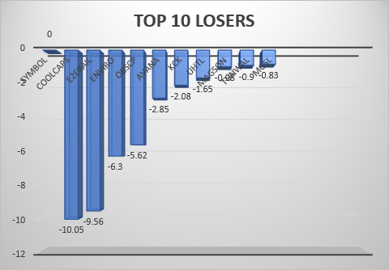

1.Top Value Droppers – 2 Days Comparison
Storyline
This chart highlights stocks that recorded the largest decline in value over a two-day period. The bars represent the magnitude of value drop for each stock, while the cumulative line shows their combined contribution to the total value decline during the period.
Analysis
The bar chart shows that value decline is not evenly distributed across stocks. A small number of stocks contribute larger portions of the total value drop, as indicated by taller bars and the steep rise in the cumulative line during the initial stocks.
Results
A few stocks account for a major share of the total value decline.
The cumulative line indicates that most of the value drop is captured by the top contributors.
Remaining stocks contribute incrementally smaller declines to the overall value drop.
2. Top 10 Losers
Storyline
This chart highlights stocks that experienced the largest decline in price during the period. These stocks show negative price movement, indicating weaker performance compared to others in the same timeframe.
Analysis
The bar lengths show variation in the extent of price decline across stocks. Some stocks recorded sharper price drops, while others experienced relatively smaller declines.
Results
Certain stocks suffered significant price losses compared to the rest.
Price decline is more pronounced in a limited number of stocks.
The chart helps identify stocks that were major contributors to the overall downward price movement

powerBi
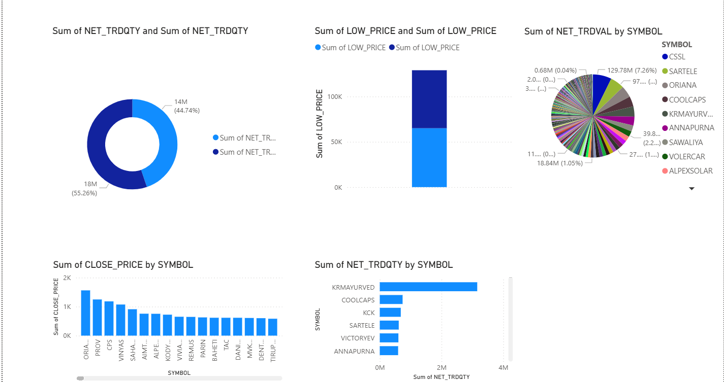
1. Donut Chart – Sum of NET_TRDQTY
Storyline
This chart shows the distribution of total traded quantity (NET_TRDQTY) across the dataset. It highlights how the overall trading volume is split, helping to understand the relative contribution of traded quantities within the selected period.
Analysis
The chart allows quick identification of whether trading activity is concentrated among a few stocks or distributed across many stocks. Differences in segment sizes indicate varying levels of participation in market trading.
Results
Trading volume is not evenly distributed across all stocks.
Certain stocks contribute more significantly to total traded quantity.
These stocks represent higher market activity during the period.
2. Column Chart – Sum of LOW_PRICE
Storyline
This chart represents the total of low prices recorded during the period. It provides a view of the lower price levels observed, helping to understand the price range behavior across the dataset.
Analysis
By aggregating low prices, the chart highlights price positioning at lower levels across the dataset. Variations in bar heights reflect differences in price floors among stocks.
Results
Stocks show variation in their lowest traded price levels.
Some stocks consistently traded at higher lower-price levels, while others showed lower price points.
This helps understand downside price behavior during the period.
3. Pie Chart – Sum of NET_TRDVAL by SYMBOL
Storyline
This chart displays the contribution of each stock (SYMBOL) to the total traded value (NET_TRDVAL). Larger slices indicate stocks with higher trading value, making it easier to identify key contributors to overall market activity.
Analysis
The visual highlights how trading value is distributed across stocks. A small number of larger slices indicates that market turnover is dominated by select stocks.
Results
A subset of stocks contributes significantly to total traded value.
Many stocks have smaller individual contributions.
Market activity is therefore value-concentrated in certain stocks.
4. Column Chart – Sum of CLOSE_PRICE by SYMBOL
Storyline
This chart shows the total closing price values for each stock. It helps compare closing price levels across different symbols during the period.
Analysis
The chart enables comparison of closing price magnitude across stocks. Differences in bar heights reflect variation in closing price levels among symbols.
Results
Closing prices vary significantly across stocks.
Some stocks closed at higher overall price levels, while others remained lower.
This provides insight into relative price positioning at the end of the trading period.
5. Bar Chart – Sum of NET_TRDQTY by SYMBOL
Storyline
This chart highlights the traded quantity for each stock, allowing comparison of trading activity levels across symbols. Stocks with higher bars indicate greater trading volume during the period.
Analysis
This visual directly compares stock-wise trading activity, making it easier to identify actively traded stocks versus less active ones.
Results
Certain stocks show significantly higher traded quantities.
These stocks experienced greater market participation during the period.
Lower-volume stocks indicate reduced trading activity.

