Amazon S3
Task 2: Amazon S3 Storage
 | Amazon S3 (Simple Storage Service) is a cloud-based object storage service provided by Amazon Web Services.

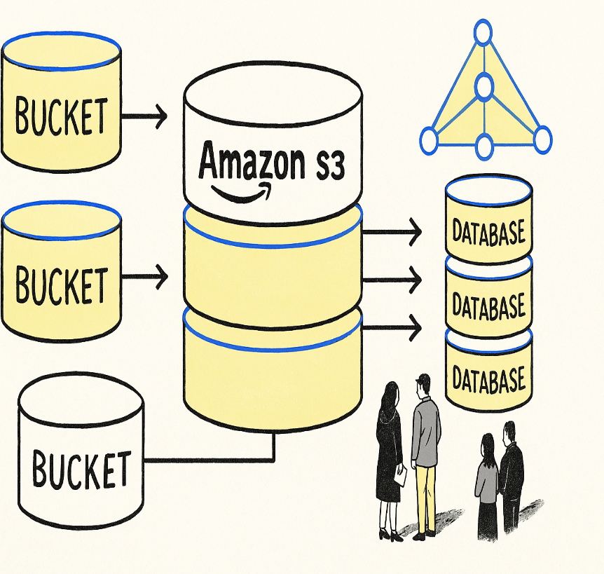
What Amazon S3 Offers | It allows you to store and retrieve any amount of data from anywhere on the internet.
Scalable object storage
High durability (99.999999999%) |  | S3 stores data as:
Data encryption & security |  | Objects (files like images, PDFs, videos)
Backup & disaster recovery |  | Inside Buckets (like folders/containers)
Multiple storage classes
Global accessibility

Concept of Bucket in Amazon S3
Bucket = Container to store files (objects)
Globally unique name
Stores objects with unique keys
Region-specific
Access controlled using IAM

