README
Sample Phishing Campaign Data
Phishing Campaign Report Example
Overview
This Excel file contains an example phishing campaign report created for educational purposes as part of a Simply Cyber Academy "Lunch n Learn" session. The report demonstrates how cybersecurity professionals document and analyze phishing attacks in a real-world scenario.
Background
This example was developed during a Simply Cyber Academy livestream on YouTube, designed to teach cybersecurity concepts through practical, hands-on examples. The session focused on phishing campaign analysis.
Educational Purpose
This document serves as a template and learning resource for:
Cybersecurity students and professionals
Security analysts learning documentation best practices
Usage
This example can be used as a:
Training material for cybersecurity courses
Reference guide for report structure and content
Discussion starter for security awareness programs
Disclaimer
This is a fictional example created for educational purposes only. All data, indicators, and scenarios presented are simulated and do not represent actual security incidents or real organizations.
About Simply Cyber Academy
Simply Cyber Academy provides cybersecurity education and training through various formats including livestreams, courses, and practical exercises. Their "Lunch n Learn" sessions offer bite-sized cybersecurity education in an accessible format.
Contributing
If you have suggestions for improving this educational resource or would like to contribute additional examples, please feel free to submit pull requests or open issues.
License
This educational resource is provided as-is for learning purposes. Please ensure compliance with your organization's policies when adapting this template for actual incident response documentation.
For more cybersecurity education resources, visit Simply Cyber Academy https://academy.simplycyber.io/

Tie Out
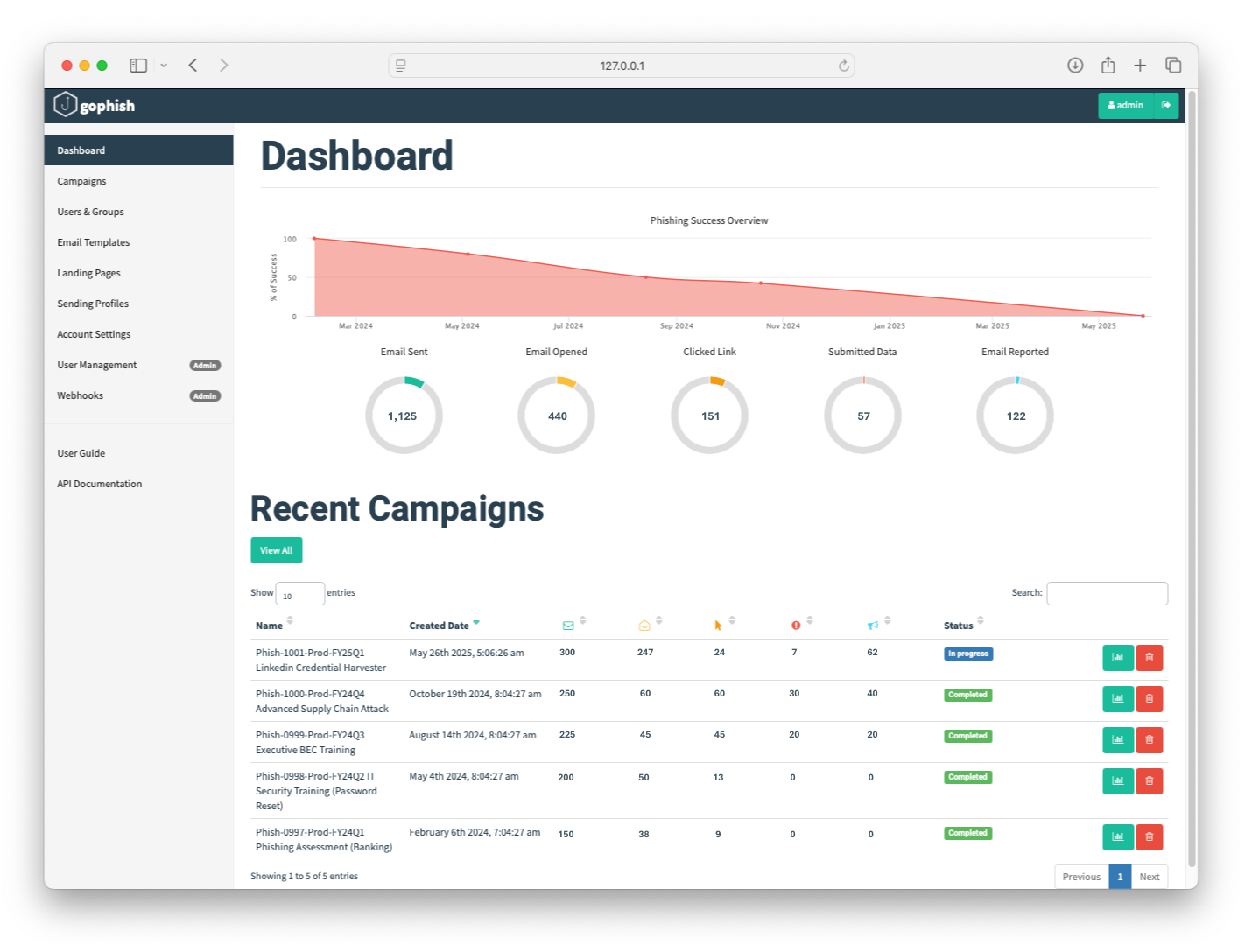
Email Opened |  |  | Clicked Link |  |  | Submitted Data |  |  | Email Reported |  |  | Repeat Clicker?
Row Labels | Count of Email |  | Row Labels | Count of Email |  | Row Labels | Count of Email |  | Row Labels | Count of Email |  | Row Labels | Count of Email
FALSE | 53 |  | FALSE | 276 |  | FALSE | 293 |  | FALSE | 238 |  | FALSE | 295
TRUE | 247 | 247 | TRUE | 24 | 24 | TRUE | 7 | 7 | TRUE | 62 | 62 | TRUE | 5
Grand Total | 300 |  | Grand Total | 300 |  | Grand Total | 300 |  | Grand Total | 300 |  | Grand Total | 300
 | 82% |  |  | 8% |  |  | 2% |  |  | 21% |  |  | 2%

Trend
Alma Click Rate vs Industry Avg
Campaign | Month | Email Sent | Email Opened | Clicked Link | Submitted Data | Email Reported | Quarter | Alma Click Rate | Industry Avg
Phish-0997-Prod-FY24Q1 Phishing Assessment (Banking) | Feb-24 | 150 | 38 | 9 | - | - | FY24Q1 | 6% | 5%
Phish-0998-Prod-FY24Q2 IT Security Training (Password Reset) | May-24 | 200 | 50 | 13 | - | - | FY24Q2 | 6% | 7%
Phish-0999-Prod-FY24Q3 Executive BEC Training | Aug-24 | 225 | 45 | 45 | 20 | 20 | FY24Q3 | 20% | 15%
Phish-1000-Prod-FY24Q4 Advanced Supply Chain Attack | Oct-24 | 250 | 60 | 60 | 30 | 40 | FY24Q4 | 24% | 15%
Phish-1001-Prod-FY25Q1 Linkedin Credential Harverster | May-25 | 300 | 247 | 24 | 7 | 62 | FY25Q1 | 8% | 12%
Total |  | 1,125 | 440 | 151 | 57 | 122
 |  |  |  |  |  |  |  |  |  | Submitted Data | 7 | 2%
 |  |  |  |  |  |  |  |  |  | Clicked Link | 24 | 8%
 |  |  |  |  |  |  |  |  |  | Not Opened (Or Unknown) | 46 | 15%
 |  |  |  |  |  |  |  |  |  | Email Reported | 62 | 21%
 |  |  |  |  |  |  |  |  |  | Email Opened and No Action | 161 | 54%
 |  |  |  |  |  |  |  |  |  | Email Sent | 300 | 100%

FY25 Q1 Phishing Simulation - Email Threat Analysis

