Reorganized
 | Holley Dash (prev solution)
 | 1 CAN bus (doesn't meet HW req)
 | 8V - 20V operating range, curr draw?

 | Free if provided by Wayne (but isn't fully OTS yet)
 | $1249.95 otherwise , but wouldn't work just OTS (see pink)
 | Even with custom plugin, need to work around Holley present settings

 | 13 inputs, some analog, some PWM, some gpio
 | 4 programmable LEDs, others are shift LED range
 | on board acccelerometer

 | Already water proofed
 | Designed to fit with our current display (can change)
 | Wrote custom plugin to for custom msgs

 | Need Wayne to make plugin AND reflash board

 | Built in (but slow transfer speed)
 | MUST work w/ Wayne to integrate custom msg plugin

Total Cost: | Free if provided by Wayne, $1249.95 USD otherwise
Total Score: | 3
 | N/A
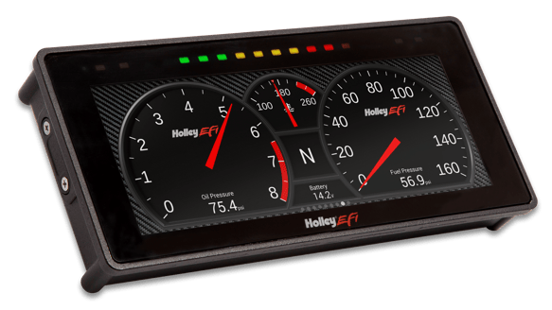
Good = 1
Neutral = 0
Bad = -1
N/A = can't use

