Sheet1
Mutant | Fitness
ADGV | 0.061909655714 | VA39A; | 1.48
CDGV | 0.24223727789 | VA39C; | 0.44
DDGV | 0.0064720896197 | VA39D; | 1.89
EDGV | 0.032719184593 | VA39E; | 1.68
FDGV | 0.37710072842 | VA39F; | 0.04
GDGV | 0.0082979057357 | VA39G; | 2.32
HDGV | 0.026479848971 | VA39H; | 1.4
IDGV | 1.4459050863 | VA39I; | -0.67
KDGV | 0.020160655773 | VA39K; | 1.18
LDGV | 1.6901635537 | VA39L; | -0.55
MDGV | 1.1705498828 | VA39M; | -0.3
NDGV | 0.01162789585 | VA39N; | 1.39
PDGV | 0.0089464404603 | VA39P; | 1.17
QDGV | 0.10267241765 | VA39Q; | 1.2
RDGV | 0.017201864277 | VA39R; | 0.88
SDGV | 0.034312108736 | VA39S; | 1.68
TDGV | 0.24655170145 | VA39T; | 1.11
WDGV | 0.010396949158 | VA39W; | 4
YDGV | 0.07202251319 | VA39Y; | 2.36
VAGV | 2.4012434957 | DA40A; | -0.03
VEGV | 0.86093066353 | DA40E; | -0.53 | VCGV | N/A | DA40C; | -0.74
VFGV | 3.0545486511 | DA40F; | 0.19
VGGV | 0.86402584806 | DA40G; | 0.63
VHGV | 3.0811658077 | DA40H; | 0.38
VIGV | 1.7917133309 | DA40I; | -1.35
VKGV | 1.1378847753 | DA40K; | -0.74
VLGV | 0.90730526116 | DA40L; | -1.26
VMGV | 1.0935287996 | DA40M; | -0.64
VNGV | 1.8029227987 | DA40N; | -0.66
VPGV | 0.40216597934 | DA40P; | 0.24
VQGV | 1.1138936384 | DA40Q; | -0.39
VRGV | 1.6454716489 | DA40R; | -1.01
VSGV | 2.1635933598 | DA40S; | -0.05
VTGV | 1.1654653628 | DA40T; | -0.36
VVGV | 1.947667868 | DA40V; | -0.92
VWGV | 3.9014607561 | DA40W; | 0.82
VYGV | 3.8914610907 | DA40Y; | -0.39
VDAV | 0.12057612673 | GA41A; | 0.18
VDCV | 0.0607126195 | GA41C; | 0.2
VDDV | 0.0059537871897 | GA41D; | 2.42
VDEV | 0.0064345662651 | GA41E; | 1.94
VDFV | 0.067022093721 | GA41F; | 3.74
VDHV | 0.0043470085562 | GA41H; | 5.28
VDIV | 0.0034240553967 | GA41I; | 0.69
VDKV | 0.0040753871268 | GA41K; | 2.69
VDLV | 0.0097700606324 | GA41L; | 0.5
VDMV | 0.013110316005 | GA41M; | -0.08
VDNV | 0.0057462076598 | GA41N; | 2.39
VDPV | 0.0049047161661 | GA41P; | -0.69
VDQV | 0.0041793753346 | GA41Q; | 3.48
VDRV | 0.0043524363905 | GA41R; | 5.73
VDSV | 0.013884300953 | GA41S; | 1.47
VDTV | 0.0041070483787 | GA41T; | 2.73
VDVV | 0.015988626512 | GA41V; | 1.6
VDWV | 0.0075212376698 | GA41W; | 8.81
VDYV | 0.013714474066 | GA41Y; | 2.64
VDGA | 1.3729493334 | VA54A; | 2.02
VDGC | 1.4139359065 | VA54C; | 0.74
VDGD | 0.031541991496 | VA54D; | 1.95
VDGE | 0.035307130527 | VA54E; | 2.8
VDGF | 0.82078819391 | VA54F; | 2.86
VDGG | 0.26582048566 | VA54G; | 3.17
VDGH | 0.16183995637 | VA54H; | 3.39
VDGI | 0.37710503076 | VA54I; | -0.61
VDGK | 0.007655337403 | VA54K; | 3.27
VDGL | 0.38047289822 | VA54L; | -0.37
VDGM | 0.58564885373 | VA54M; | 0.33
VDGN | 0.22509205995 | VA54N; | 2.34
VDGP | 0.0075561946591 | VA54P; | 0.94
VDGQ | 0.12430162376 | VA54Q; | 3.09
VDGR | 0.006167566696 | VA54R; | 2.51
VDGS | 0.49575985154 | VA54S; | 2.07
VDGT | 0.61518898487 | VA54T; | 1.12
VDGW | 0.69999542904 | VA54W; | 3.91
VDGY | 0.028526257934 | VA54Y; | 4.02

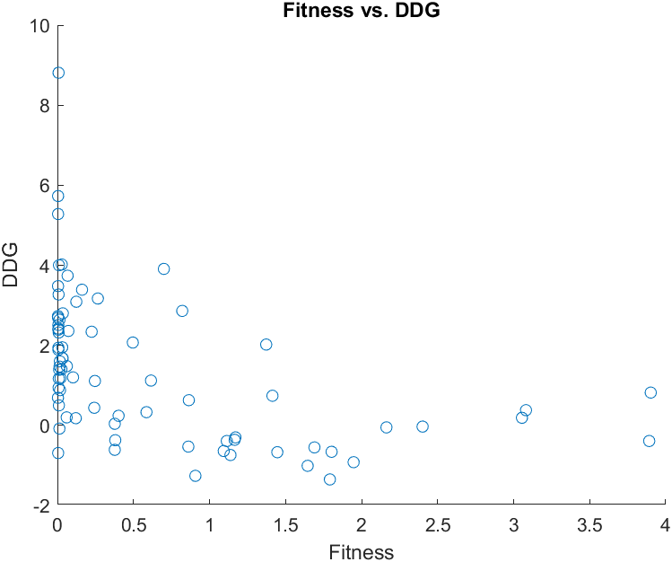

 |  |  |  |  |  |  |  | The Pearson Correlation Coefficient for SingleMutate.xlsx is: -0.46728
 |  |  |  |  |  |  |  | The Spearman Correlation Coefficient for SingleMutate.xlsx is: -0.60420

