RLC
N1 | N2 | type | R | L (mH) | C(uF)/U(V) | Nobr | Desc
47 | 33 | 0 | 0.1663 | 52.95 | 0 | 1 | MMC/Series RLC Branch10
46 | 37 | 0 | 0.1663 | 52.95 | 0 | 2 | MMC/Series RLC Branch11
45 | 42 | 0 | 0.1663 | 52.95 | 0 | 3 | MMC/Series RLC Branch12
31 | 47 | 0 | 0.1663 | 52.95 | 0 | 4 | MMC/Series RLC Branch6
35 | 46 | 0 | 0.1663 | 52.95 | 0 | 5 | MMC/Series RLC Branch8
[node1, node2, type, R, L, C, Nobr] for RLC branch or line branch
[node1, node2, type, R, L, C, Nobr] for transformer magnetizing branch
[node1, node2, type, R, L, U, Nobr] for transformer winding
[node1, node2, type, R, L, U, Nobr] for mutual inductances
node1: First node number of the branch. The node number must be positive or zero. Decimal node numbers are allowed.
node2: Second node number of the branch. The node number must be positive or zero. Decimal node numbers are allowed.
type: Integer indicating the type of connection of RLC elements, or, if negative, the transmission line length:
type = 0: Series RLC element
type = 1: Parallel RLC element
type = 2: Transformer winding
type = 3: Coupled (mutual) winding
If type is negative, the transmission line is modeled by a PI section of length |type|. See details below.
For a mutual inductor or a transformer having N windings, N+1 consecutive lines must be specified in RLC matrix:
N lines with type = 2 or type = 3; (one line per winding). Each line specifies R/L/U or R/Xl/Xc where [R/L, R/Xl = winding resistance and leakage reactance for a transformers or winding resistance and self reactance for mutually coupled windings. U is the nominal voltage of transformer winding (specify 0 if type = 3).
One extra line with type = 1 for the magnetizing branch of a transformer (parallel Rm/Lm or Rm/Xm) or one line with type = 0 for a mutual impedance (series Rm/Lm or Rm/Xm).
40 | 45 | 0 | 0.1663 | 52.95 | 0 | 6 | MMC/Series RLC Branch9
33 | 4 | 0 | 1.00E+06 | 0.00 | 0 | 7 | snubber: MMC/Half-Bridge MMC Am/Model/Dp
3 | 33 | 0 | 1.00E+06 | 0.00 | 0 | 8 | snubber: MMC/Half-Bridge MMC Am/Model/Dp1
39 | 8 | 0 | 1.00E+06 | 0.00 | 0 | 9 | snubber: MMC/Half-Bridge MMC Ap/Model/Dp
7 | 39 | 0 | 1.00E+06 | 0.00 | 0 | 10 | snubber: MMC/Half-Bridge MMC Ap/Model/Dp1
37 | 12 | 0 | 1.00E+06 | 0.00 | 0 | 11 | snubber: MMC/Half-Bridge MMC Bm/Model/Dp
11 | 37 | 0 | 1.00E+06 | 0.00 | 0 | 12 | snubber: MMC/Half-Bridge MMC Bm/Model/Dp1
39 | 16 | 0 | 1.00E+06 | 0.00 | 0 | 13 | snubber: MMC/Half-Bridge MMC Bp/Model/Dp
15 | 39 | 0 | 1.00E+06 | 0.00 | 0 | 14 | snubber: MMC/Half-Bridge MMC Bp/Model/Dp1
42 | 20 | 0 | 1.00E+06 | 0.00 | 0 | 15 | snubber: MMC/Half-Bridge MMC Cm/Model/Dp
19 | 42 | 0 | 1.00E+06 | 0.00 | 0 | 16 | snubber: MMC/Half-Bridge MMC Cm/Model/Dp1
39 | 24 | 0 | 1.00E+06 | 0.00 | 0 | 17 | snubber: MMC/Half-Bridge MMC Cp/Model/Dp
23 | 39 | 0 | 1.00E+06 | 0.00 | 0 | 18 | snubber: MMC/Half-Bridge MMC Cp/Model/Dp1
53 | 0 | 2 | 0.1663 | 21.18 | 1.92E+05 | 19 | transfo_1_winding_1: MMC/Tr1
47 | 0 | 2 | 0.1663 | 21.18 | 1.92E+05 | 20 | transfo_1_winding_2: MMC/Tr1
79 | 0 | 1 | 1.11E+05 | 3.53E+05 | 0 | 21 | transfo_1_Lm: MMC/Tr1
54 | 0 | 2 | 0.1663 | 21.18 | 1.92E+05 | 22 | transfo_2_winding_1: MMC/Tr1
46 | 0 | 2 | 0.1663 | 21.18 | 1.92E+05 | 23 | transfo_2_winding_2: MMC/Tr1
80 | 0 | 1 | 1.11E+05 | 3.53E+05 | 0 | 24 | transfo_2_Lm: MMC/Tr1
55 | 0 | 2 | 0.1663 | 21.18 | 1.92E+05 | 25 | transfo_3_winding_1: MMC/Tr1
45 | 0 | 2 | 0.1663 | 21.18 | 1.92E+05 | 26 | transfo_3_winding_2: MMC/Tr1
81 | 0 | 1 | 1.11E+05 | 3.53E+05 | 0 | 27 | transfo_3_Lm: MMC/Tr1

SRC
Three formats are allowed:
Five columns: All sources are generating the same frequency specified by freq_sys.
Six columns: The frequency of each source is specified in column 6.
Seven columns: The seventh column is used to specify the type of nonlinear element modeled by the current source.
Each line of the source matrix must be specified according to the following format:
[ node1, node2, type, amp, phase, freq, model ]
node1, node2: Node numbers corresponding to the source terminals. These are the polarity conventions:
Voltage source: node1 is the positive terminal.
Current source: Positive current flowing from node1 to node2 inside the source.
type: Integer indicating the type of source: 0 for voltage source, 1 for current source.
amp: Amplitude of the AC or DC voltage or current (V or A).
phase: Phase of the AC voltage or current (degree).
freq: Frequency (Hz) of the generated voltage or current. Default value is 60 Hz. For a DC voltage or current source, specify phase = 0 and freq = 0. amp can be set to a negative value. The generated signals are
amp * sin(2π*freq*t + phase)for AC, amp for DC.
model: Integer specifying the type of nonlinear element modeled by the current source (saturable inductance, thyristor, switch,...). Used by power_analyze only.
Node1 | Node2 | type | U/I | phase | freq
4 | 2 | 1 | 0 | 0 | 0
5 | 3 | 1 | 0 | 0 | 0
 |  |  |  |  |  | MVA
 |  |  |  |  |  | MVA
 |  |  |  |  |  | MVA

OUT
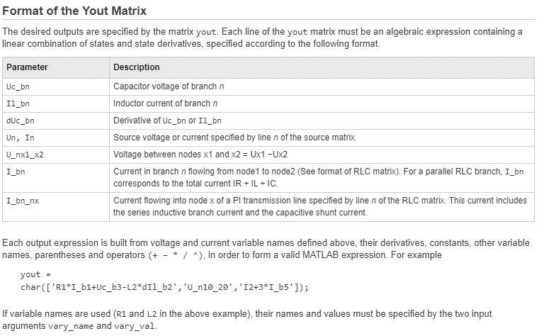
Type | Node1 | Node2 | TXT | Type | Branch | TXT
U | 4 | 2 | U_n4_2
U | 5 | 3 | U_n5_3

