Sheet1
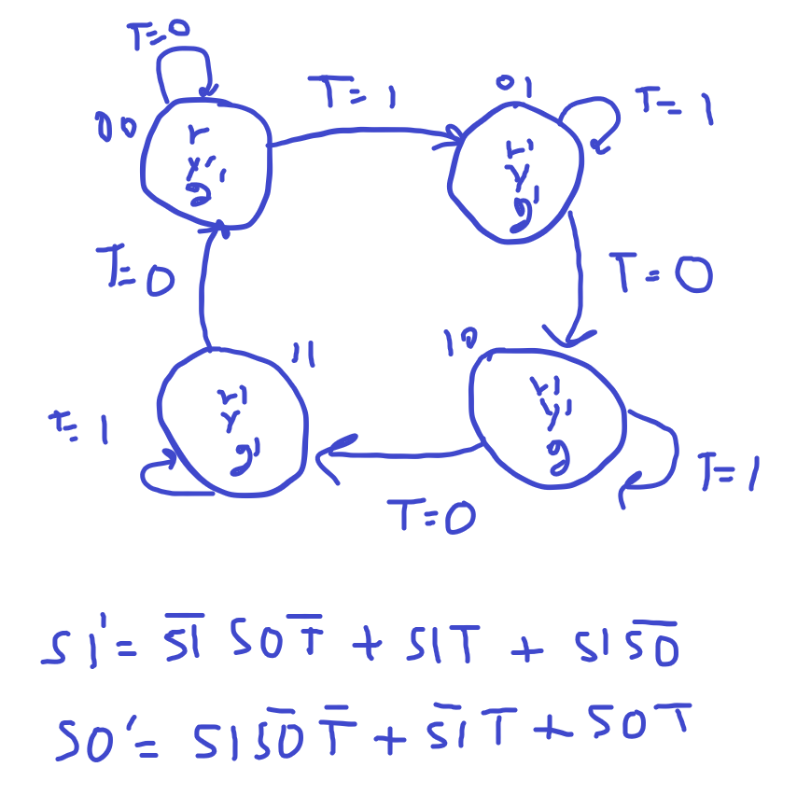
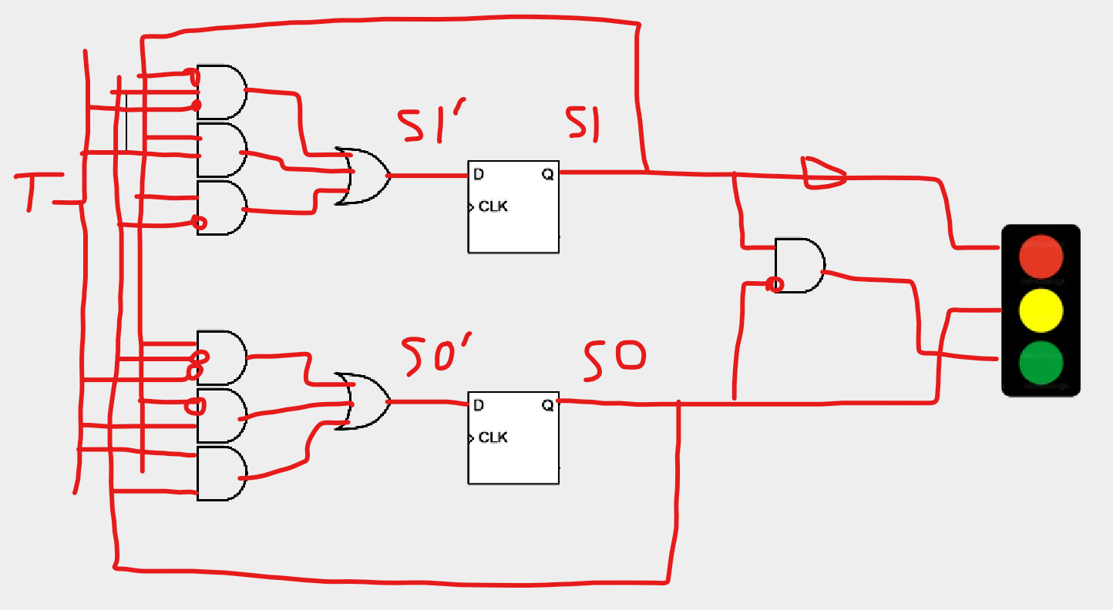
 |  |  |  |  |  |  |  | INPUT FOR D
 | OUTPUT Truth Table |  |  |  | NEXT STATE/EDGE Truth Table |  |  | Kmap
S1S0 | R | Y | G |  | S1 S0 T | S1' S0' |  | S1' |  |  | S0'
0-0 | 1 | 0 | 0 | default | 0-0-0 | 0-0 |  | T |  |  | T
0-1 | 0 | 1 | 0 |  | 0-0-1 | 0-1 |  | 0 | 1 |  | 0 | 1
1--0 | 0 | 0 | 1 |  | 0-1-1 | 0-1 | S1 S0 |  |  | S1 S0
1--1 | 0 | 1 | 0 |  | 0-1-0 | 1--0 | 0--0 | 0 | 0 | 0--0 | 0 | 1
 |  |  |  |  | 1-0-1 | 1--0 | 0--1 | 1 | 0 | 0--1 | 0 | 1
 |  |  |  |  | 1-0-0 | 1--1 | 1--1 | 0 | 1 | 1--1 | 0 | 1
 |  |  |  |  | 1--1--1 | 1--1 | 1--0 | 1 | 1 | 1--0 | 1 | 0
 |  |  |  |  | 1--1--0 | 0-0

