Sheet1
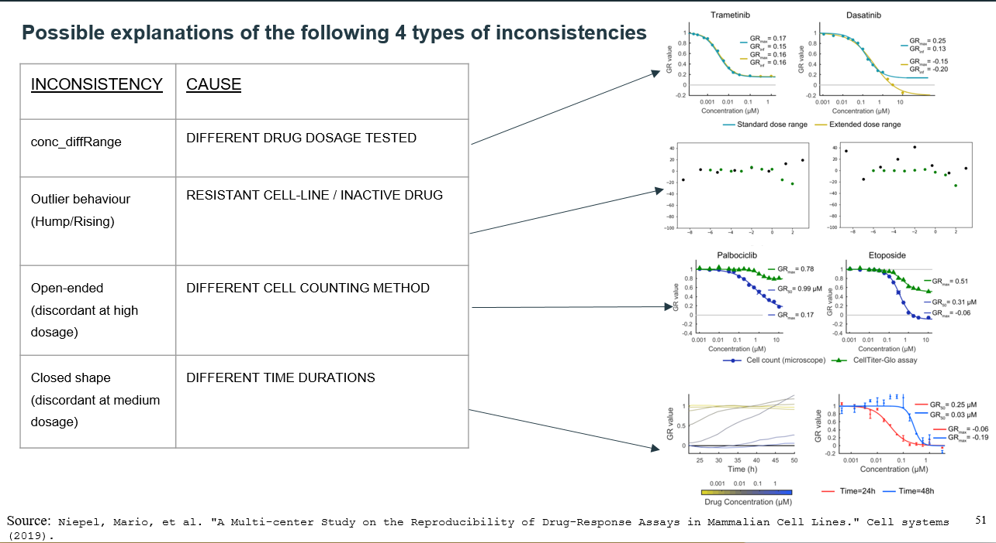
TITLE | Refitting? Eq? corr bw new and old? | Metric type | Metric values (best achieved) | Drug-wise cor/analysis or not? | New response score/not? Improvement with new score? | Inconsistency source | Combining | Extra info? | Limitation
Inconsistency in large pharmacogenomic studies (Dec 2013) | No (used reported IC50) | Spearman’s rank correlation (r) for IC50CCLE-GDSC and AUCCCLE-GDSC , gene-expCCLE-GDSC Cohen’s kappa (k) coefficient for sensitivity callsCCLE-GDSC and mutaion dataCCLE-GDSC | DRUG RESPONSE * median r=0.28 for IC50CCLE_GDSC , median r=0.35 for AUCCCLE-GDSC * BEST:17AAG: r=0.61 for IC50CCLE-GDSC, 0.58 for AUCCCLE-GDSC k <0.5 for sensitivity callsCCLE-GDSC (obtained from waterfall) GENE EXPRESSION & MUTATION median r=0.85 for gene-expCCLE-GDSC BEST: the urinary tract (median r=0.87) median k=0.65 for mutationCCLE-GDSC | yes | No | pharmacological assay used, the range of drug concentrations tested, and choice of an estimator for summarizing the drug dose–response curve. | no |  | Uses ic50 reported by CCLE and GDSC for its analysis. GDSC extrapolates ic50 estimated from bayesian sigmoid curve fitting and CCLE reported max concentration tested for inactive drugs; due to which ic50 values are inconsistent. Eg: Fig 2 shows Tanespimycin (17AAG) and PD0325901 as medium correlation drugs; others as low correlation drugs (which is NOT TRUE: the corr is observed to be low bcz of the fact stated above).
Pharmacogenomic agreement between two cancer cell line data sets (Dec 2015) | No (used reported IC50 after capping at max dosage tested) | Pearson correlation coefficient ( If sensitivity is limited to a small subset of cell lines, Spearman correlations will often not reflect even strongly consistent relationships, and will instead be dominated by stochastic values from the many insensitive lines) | DRUG RESPONSE BEST: Nilotinib: r=0.89 for IC50CCLE-GDSC , 0.75 for AUCCCLE-GDSC Majority compounds has r>0.5 due to which authors say datasets have reasonable consistency Lapatinib: k = 0.65 for sensitivity callsCCLE-GDSC (obtained from waterfall, took all CLs instead of common, only sensitive and resistent no intermediate) only 40% of drugs had a κ≥0.4, | yes | no | Paucity of drug-sensitive cell lines in the overlapping set constraints the level of correlation achievable.(CONTRARY TO WHAT WE OBSERVE) No of CLs seeded per well, drug conc range , no of cell doubling achieved, cel viability assays, way of calculating sensitivity value |  | SIMILAR OBSERVATIONS: 10 drugs exhibited AUC values skewed heavily towards drug sensitivity end of spectrum (saracatinib, Erlotinib, Lapatinib, Nilotinib, Crizotinib, Nutlin-3a, PHA665752, PLX-4720, Sorafenib PD0332991 (not in our common set)) MISTAKE: capped PLX-4720 to 8uM (ax of CCLE dosage) instead of 10uM (max od GDSC dosage) | IC50 values were capped at the maximum tested drug dose=>overestimates correlation since most drugs are inactive (correct way should be extrapolating both). Explanation: * Case 1: DW (ic50< max dosage) => no capping=> no change in correlation for such drugs (eg: Paclitaxel and 17-AAG/tanespimycin, PD0325901). Eg:drugs reported to have the greatest IC50 correlation between CCLE and GDSC, such as crtizotinib, lapatinib, and nilotinib (Pearson correlation r = 0.74, 0.78, 0.89, respectively), up to 98% of IC50 values were capped. These are actually inactive drugs (DNW) * Case 2: DNW (ic50>max dosage)=> ic50 capped=> corr should improve since new capped values of ic50 in gdsc are same as the ccle ic50 values which are also capped to same value in ccle * Case 3: DW on high dosage (ic50 > gdsc max dosage but < ccle max dosage)=> cor should degrade as extrapolated ic50 values are actually the correct estimate and new values are probably greater than the corresponding ccle ic50 estimate. Eg: Sorafenib, Erlotinib only 40% of drugs had a κ≥0.4,
Assessment of pharmacogenomic agreement (9 may, 2016) | no | Pearson | … | … | no | Intrinsic technical and biological noise of pharmacological assays is likely to play a major role in the lack of reproducibility observed in high-throughput pharmacogenomic studies, which cannot be attributed solely to the use of different experimental protocols. BCZ: authors analyzed the replicated experiments performed by the GDSC using identical protocols to screen camptothecin (pcc r=0.57) and AZD6482 (pcc r=0.39) against the same panel of cell lines at the Wellcome Trust Sanger Institute and the Massachusetts General Hospital. | no | over-optimistic estimates of data consistency, in [] as- *If one applies the FDA/MAQC criterion(good corr for inter-lab reproducibilty>=0.8), only one drug (nilotinib) passes the threshold for consistency. *only 40% of drugs had a κ≥0.4, * Used older (2012) release of data [outdated ic50s and missed ~400 pairs ] *In ANOVA analysis: the mutation data generated with GDSC were duplicated for use in the CCLE study. * In ElasticNet analysis: the molecular profiles from CCLE were duplicated in the GDSC study and the GDSC IC50 were compared to CCLE AUC data. | 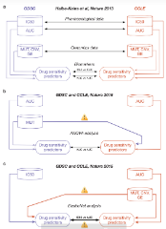 …
Reproducible pharmacogenomic profiling of cancer cell line panels (19 may 2016) | yes 4-parameter log-logistic model | %age agreement for sensitivity calls on mean viabilty (equivalent to area under the log-dose/response curve) | PD0325901: gCSI-CCLE %age areement=96% Lapatinib: gCSI-GDSC %age agreement=98% (GDSC seems to have selected very few cell lines sensitive to erlotinib and lapatinib) in cases where both data sets confidently assigned a sensitive or resistant label, the strong majority of calls were concordant (84–96%). | yes | no | assay type, cell seeding density, and growth media. | no | * used CTG,gCSI data agreed less well with GDSC than with CCLE. * SENSITIVITY CALLS: For targeted agents expected to inhibit only a few lines, fit two-component mixture distributions to assign ‘sensitive’, ‘no-call’ or ‘resistant’ labels For broadly active compounds, lines divided into the three response categories in equal proportion. the SYTO60 assay typically captured the same information as CTG but it did so with far less precision. * used 410 cell lines and 16 drugs that were also evaluated by the other projects. | * omitted unclassified lines or those exhibiting intermediate response; *For broadly active compounds, lines divided into the three response categories in equal proportion.
Integrating heterogeneous drug sensitivity data from cancer pharmacogenomic studies (June 2016) | Yes Log-logistic regression | Pearson and Spearman correlations on IC50, EC50 and unadjusted AUC (both adjusted and non adjusted) | r for adjusted AUCCCLE-GDSC = 0.69 D-WISE Nilotinib: pearsn r =0.87, spearman r=0.22 ] adjusted AUCCCLE-GDSC 17-AAG: pearson r=0.64, spearman r=0.64 ]adjusted AUCCCLE-GDSC Nilotinib: pearsn r =0.63, spearman r=0.20 ] AUCCCLE-GDSC 17-AAG: pearson r=0.41, spearman r=0.49 ] AUCCCLE-GDSC | yes | Adjusted AUC | most drugs with very low correlation show no or low activity in the proliferation assay, explaining the lack of correlation. The variability of drug responses for inactive compounds is likely due to the intrinsic noise of the high-throughput screening and has no biological meaning. | claims that it alows integration by consideing AUC at shared dosage | * uses 3 datasets: CCLE, GDSC, CTRP * Has separate AUC for IC50 model and EC50 model * compared its peason corr with Haibe's spearman, its spearman itself is bad | * uses shared dose range to find auc and slope! loss of info, does not solve the inconsistency problem, may give better corr * does not solve the inconsistency problem; so many contradictory pairs * Does Not work for DNW cases (corr is low)
Drug response consistency in CCLE and CGP (Dec 2016) | No (IC50 re-calculated for shared dose range using MATLAB func) | Pearson correlation coefficient for m and AUC (calculated on shared log-dose range)+ Binary sensitivity calls + SVM(m and AUC as predictors) (tr on 1, te on another and vice-versa) Cohen's kappa (k) for sensitivity callsCCLE-GDSC | DRUG RESPONSE r=0.52 for mCCLE-GDSC , r=0.61 for AUCCCLE-GDSC k=0.53 for … (obtained from manual curation) k=0.55 for…(obtained from SVM prediction) overall r=0.69 for IC50CCLE-GDSC only for pairs determined to be sensitive by atleast 1 dataset by SVM Dwise: Best r=0.55 for NVP-TAE684 only for pairs determined to be sensitive by atleast 1 dataset by SVM | no (reports ic50 corr Dwise) |  | * Inconsistency between the two studies on the level of binary classification is, to a large extent, a result of the information loss associated with collapsing a two-dimensional continuous description of drug sensitivity onto a single binary variable. * the different viability assays used, as well as inescapable confounding factors such as cell confluency, clonal variations, genomic drift, different drug suppliers/batches, laboratories/equipment and serum composition. | Made no attempts to remove potentially suspect dose–response data, but suggests doing so in future efforts could further facilitate data usability. | SIMILAR OBSERVATIONS: Most cell lines are insensitive to the majority of tested drugs CONTRADICTORY OBSERVATIONS: They do observe some strongly inconsistent drug cell/line pairs (for example, Fig. 1a inset-middle, and Supplementary Data 1), but these are relatively rare. | * m and AUC calculated on shared-log dose range separately for each dataset separately; loss of info, does not solve the inconsistency problem, may give better corr * Manual curation of sensitivity is not scalable; Manual curation and further exploration of new large datasets such as CTRPv2 (ref. 11) and GDSC1000 (ref. 12)containing approximately 395,000 and 225,000 individual curves,respectively—will present major challenges,
Revisiting inconsistency in large pharmacogenomic studies (Aug 17) | yes (spearman r>0.93 bw old n new) (IC50 truncated to the maximum concentration used for each drug) | ABC Pearson, Spearman, and Somers’ Dxy rank correlation coefficients to quantify the consistency of continuous drug sensitivity measurements across studies (AUC-published, AUC-recomputed, AUC*, IC50-published, IC50-recomputed) DXY: Somers’ Dxy rank correlation; MCC: Matthews correlation coefficient; CRAMERV: Cramer’s V statistic; INFORM: Informedness for discretized sensitivity (AUC-published, AUC-recomputed, AUC*, IC50-published, IC50-recomputed) | IC50 All: Nilotinib: pearson r=0.75, spearman r=0.30, somer=0.98 ]using IC50-published Nilotinib: pearson r=0.92, spearman r=0.30, somer= --]using IC50-recomputed Sensitive (some ) Nilotinib: pearson r=0.61, spearman r=0.40, somer=0.45 ]using IC50-published Nilotinib: pearson r=0.88, spearman r=,0.63 somer= --]using IC50-recomputed Descitized Nutlin-3a: MCC =1, CV=, ID= ]using IC50-published Nutlin-3a MCC =,0 CV=, ID= using IC50-recomputed Nilotinib: MCC =, CV=0.70, ID= ]using IC50-published Nilotinib: MCC =, CV=0.86, ID= using IC50-recomputed Crizotinib: MCC =, CV=, ID=0.65 ]using IC50-published Crizotinib: MCC =, CV=, ID= 0.97using IC50-recomputed | yes | no | * nature of targeted therapies, which are expected to have selective activity against some cell lines10,14,15. * substantial differences in doses used for each drug and in the methods used to both assay cell viability and to estimate drug response parameters. [ [By comparing GDSC and CCLE with an independ- ent pharmacogenomic dataset published by GlaxoSmithKline (GSK), we showed that higher consistency is achieved when the same pharmacological assay is used (GSK and CCLE used the CellTiter-Glo assay, while GDSC used Syto60)] ] | no | CONCLUSION: 2 broad eff drugs(PD-0325901 and 17-AAG using spearman r on AUC~0.6) and 3 targeted (Nilo, crizo, PLX using pearson using pearson r on AUC*~0.8) are consistent SIMILAR OBSERVATIONS: Eliminating the insensitive cell lines resulted in decreased consistency for most drugs, which suggests a high level of inconsistency across sensitive cell lines CONTRADICTORY OBS: drug sensitivity data in GDSC and CCLE are inconsistent for the majority of the drugs=> no! For AUC of drugs with narrow and broad effects, Somers’ Dxy was the most stringent, with consistency estimated to be < 0.4 except for two drugs (PD-0325901 and 17-AAG), which were also the two drugs identified as the most consistent using Spearman correlation. | * ABC taken over the intersection of the dose range (then normalized by length of common interval) [ loss of info, does not solve the inconsistency problem,]..used it to identify similar drugs using clustering * Filtered out curves which didn’t have viability between 0-100% and is not monotonically non-increasing * discretized drug sensitivity values by selecting a common arbitrary threshold ->used AUC ≤ 0.2 (IC50 ≥ 1 μM) and AUC ≤ 0.4 (IC50 ≥ 10 μM) to identify the “insensitive” cell lines for targeted and cytotoxic drugs, respectively,
Genetic and transcriptional evolution alters cancer cell line drug response (Aug 2018) | yes 4-parameter log-logistic function | Spearman drug response distance (ED bw dr res profiles-viabilities) expression distance (ED bw 978 landmark genes ) SNV dist: jaccard | r between drug response distance and expression distance=0.45 r between drug response distance and SNV distance=0.47 see ext fig 11j | no | no | Inconsistencies in drug response studies may be attributed to * genetic variation (. For example, genetic inactivation of PTEN was associated with decreased PTEN and increased AKT expression signatures) *and transcriptomic variability (example, strains sensitive to CDK inhibitors had an upregulated cell cycle signature, and strains sensitive to PI3K inhibitors had an upregulated mTOR signature (Fig. 4f–g and Extended Data Fig. 10p–q). Interestingly, the strains most resistant to treatment in general (strains M and Q) downregulated a signature of drug metabolism) GENETIC DIST: CNA and SNV distances based on targeted sequencing were determined by Jaccard indices, defined as the number of shared events between strains (intersection) divided by the total number of evens in these strains (union). For SNVs, both the mutated gene and the exact amino acid change had to be identical to be counted as a shared event. Gene expression distances were defined as the Euclidean distances between L1000 expression profiles. Drug response distances were defined as the Euclidean distances between drug response profiles, after limiting the drug set to active drugs only (i.e., drugs that reduced the viability of at least one strain by >50%) and thresholding viability values to +/−100. | no | *mutations with AF(allelic fraction)>0.05. *landamrk genes considered *drug response profiles were vaibility values for each pair (only active drugs considered for finding euclidean dist) The high degree of variability in drug response cannot be explained by irreproducibility of the assay. *compounds with the same mechanism-of-action had similar patterns of activity across strains
dist bw?

CaDrRes | yes (recomputed ic50) | spearman corr | Best: PD0325901 : 0.6 Median : ~0.38 | yes

